PIP5K1P1 _multivariate
Reported by Tex Li-Hsing Chi. tex@gate.sinica.edu.tw 2019-08-17

Table 2. The clinicopathological features of HNSCC cohort and PIP5K1P1 expression. (Chi square test)
Cutoff at -0.09 (50.0%)
 |  | PIP5K1P1 expression |  | PIP5K1P1 expression |  | (Optimised)
 | Features | Low | (%) | High | (%) | Case no | P-value | Remark | Matthews
Gender | Female | 154 | 37.1 | 152 | 36.6 | 415 | 0.8463 | 0 | 0
2 | Male | 53 | 12.8 | 56 | 13.5
Age at diagnosis | <=65y | 141 | 34 | 133 | 32 | 415 | 0.4272 | 0 | 0
4 | >65y | 66 | 15.9 | 75 | 18.1
Clinical T Status | T1+T2 | 80 | 19.3 | 69 | 16.6 | 415 | 0.2891 | 0 | 0
6 | T3+T4 | 127 | 30.6 | 139 | 33.5
Clinical N Status | N0 | 99 | 23.9 | 117 | 28.2 | 415 | 0.1054 | 0 | 0
8 | N1-3 | 108 | 26 | 91 | 21.9
Clinical M Status | M0 | 206 | 49.6 | 206 | 49.6 | 415 | 1 | 0 | 0
10 | M1 | 1 | 0.2 | 2 | 0.5
Clinical Stage | Stage I+II | 51 | 12.3 | 51 | 12.3 | 415 | 1 | 0 | 0
12 | Stage III+IV | 156 | 37.6 | 157 | 37.8
Surgical Margin status | Negative | 164 | 39.5 | 154 | 37.1 | 415 | 0.2462 | 0 | 0
14 | Positive | 43 | 10.4 | 54 | 13
Tobacco Exposure | Low | 83 | 20 | 78 | 18.8 | 415 | 0.6152 | 0 | 0
16 | High | 124 | 29.9 | 130 | 31.3

Table 3. Univariate/Multivariate Cox's proportional hazards regression analyses on OS time of PIP5K1P1 gene expression in HNSCC

 |  | Univariate |  |  |  | Multivariate
 | Features | HR | CI95%(L) | CI95%(H) | P-value | HR | CI95%(L) | CI95%(H) | P-value
1 | Female | 1 |  |  |  | 1
Gender | Male | 1.157 | 0.843 | 1.587 | 0.367 | 1.192 | 0.854 | 1.665 | 0.302
11 | <=65y | 1 |  |  |  | 1
Age at diagnosis | >65y | 1.329 | 0.99 | 1.784 | 0.058 | 1.385 | 1.019 | 1.883 | 0.038
12 | T1+T2 | 1 |  |  |  | 1
Clinical T Status | T3+T4 | 1.409 | 1.028 | 1.931 | 0.033 | 2.15 | 1.135 | 4.071 | 0.019
13 | N0 | 1 |  |  |  | 1
Clinical N Status | N1-3 | 1.185 | 0.89 | 1.577 | 0.246 | 1.257 | 0.88 | 1.796 | 0.208
14 | M0 | 1 |  |  |  | 1
Clinical M Status | M1 | 4.097 | 1.009 | 16.644 | 0.049 | 9.051 | 1.971 | 41.575 | 0.005
15 | Stage I+II | 1 |  |  |  | 1
Clinical Stage | Stage III+IV | 1.245 | 0.882 | 1.759 | 0.213 | 0.51 | 0.238 | 1.094 | 0.084
16 | Negative | 1 |  |  |  | 1
Surgical Margin status | Positive | 1.591 | 1.155 | 2.191 | 0.004 | 1.65 | 1.192 | 2.282 | 0.003
17 | Low | 1 |  |  |  | 1
Tobacco Exposure | High | 1.364 | 1.008 | 1.844 | 0.044 | 1.451 | 1.054 | 1.998 | 0.022
18 | Low | 1 |  |  |  | 1
RNAseq(z-score) | High | 1.245 | 0.931 | 1.664 | 0.14 | 1.157 | 0.862 | 1.553 | 0.33

Table 4. Univariate/Multivariate Cox's proportional hazards regression analyses on RFS time of PIP5K1P1 gene expression in HNSCC

 |  | Univariate |  |  |  | Multivariate
 | Features | HR | CI95%(L) | CI95%(H) | P-value | HR | CI95%(L) | CI95%(H) | P-value
1 | Female | 1 |  |  |  | 1
Gender | Male | 1.157 | 0.843 | 1.587 | 0.367 | 1.192 | 0.854 | 1.665 | 0.302
11 | <=65y | 1 |  |  |  | 1
Age at diagnosis | >65y | 1.329 | 0.99 | 1.784 | 0.058 | 1.385 | 1.019 | 1.883 | 0.038
12 | T1+T2 | 1 |  |  |  | 1
Clinical T Status | T3+T4 | 1.409 | 1.028 | 1.931 | 0.033 | 2.15 | 1.135 | 4.071 | 0.019
13 | N0 | 1 |  |  |  | 1
Clinical N Status | N1-3 | 1.185 | 0.89 | 1.577 | 0.246 | 1.257 | 0.88 | 1.796 | 0.208
14 | M0 | 1 |  |  |  | 1
Clinical M Status | M1 | 4.097 | 1.009 | 16.644 | 0.049 | 9.051 | 1.971 | 41.575 | 0.005
15 | Stage I+II | 1 |  |  |  | 1
Clinical Stage | Stage III+IV | 1.245 | 0.882 | 1.759 | 0.213 | 0.51 | 0.238 | 1.094 | 0.084
16 | Negative | 1 |  |  |  | 1
Surgical Margin status | Positive | 1.591 | 1.155 | 2.191 | 0.004 | 1.65 | 1.192 | 2.282 | 0.003
17 | Low | 1 |  |  |  | 1
Tobacco Exposure | High | 1.364 | 1.008 | 1.844 | 0.044 | 1.451 | 1.054 | 1.998 | 0.022
18 | Low | 1 |  |  |  | 1
RNAseq(z-score) | High | 1.245 | 0.931 | 1.664 | 0.14 | 1.157 | 0.862 | 1.553 | 0.33

Kaplan-Meier survival estimate: Cutoff at -0.09 (50.0%)



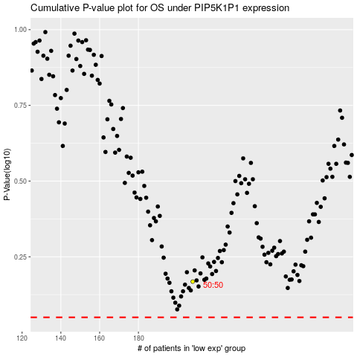

 |  |  |  |  |  | cases_OS | p_OS | rank | exp
 |  |  |  |  |  |  | cases_RFS | p_RFS | rank | exp

