PIP5KL1 _multivariate
Reported by Tex Li-Hsing Chi. tex@gate.sinica.edu.tw 2019-08-17

Table 2. The clinicopathological features of HNSCC cohort and PIP5KL1 expression. (Chi square test)
Cutoff at -0.198 (50.0%)
 |  | PIP5KL1 expression |  | PIP5KL1 expression |  | (Optimised)
 | Features | Low | (%) | High | (%) | Case no | P-value | Remark | Matthews
Gender | Female | 158 | 38.1 | 148 | 35.7 | 415 | 0.2774 | 0 | 0
2 | Male | 49 | 11.8 | 60 | 14.5
Age at diagnosis | <=65y | 137 | 33 | 137 | 33 | 415 | 1 | 0 | 0
4 | >65y | 70 | 16.9 | 71 | 17.1
Clinical T Status | T1+T2 | 76 | 18.3 | 73 | 17.6 | 415 | 0.8092 | 0 | 0
6 | T3+T4 | 131 | 31.6 | 135 | 32.5
Clinical N Status | N0 | 102 | 24.6 | 114 | 27.5 | 415 | 0.3031 | 0 | 0
8 | N1-3 | 105 | 25.3 | 94 | 22.7
Clinical M Status | M0 | 206 | 49.6 | 206 | 49.6 | 415 | 1 | 0 | 0
10 | M1 | 1 | 0.2 | 2 | 0.5
Clinical Stage | Stage I+II | 52 | 12.5 | 50 | 12 | 415 | 0.8871 | 0 | 0
12 | Stage III+IV | 155 | 37.3 | 158 | 38.1
Surgical Margin status | Negative | 159 | 38.3 | 159 | 38.3 | 415 | 1 | 0 | 0
14 | Positive | 48 | 11.6 | 49 | 11.8
Tobacco Exposure | Low | 76 | 18.3 | 85 | 20.5 | 415 | 0.4207 | 0 | 0
16 | High | 131 | 31.6 | 123 | 29.6

Table 3. Univariate/Multivariate Cox's proportional hazards regression analyses on OS time of PIP5KL1 gene expression in HNSCC

 |  | Univariate |  |  |  | Multivariate
 | Features | HR | CI95%(L) | CI95%(H) | P-value | HR | CI95%(L) | CI95%(H) | P-value
1 | Female | 1 |  |  |  | 1
Gender | Male | 1.157 | 0.843 | 1.587 | 0.367 | 1.212 | 0.867 | 1.693 | 0.261
11 | <=65y | 1 |  |  |  | 1
Age at diagnosis | >65y | 1.329 | 0.99 | 1.784 | 0.058 | 1.389 | 1.022 | 1.888 | 0.036
12 | T1+T2 | 1 |  |  |  | 1
Clinical T Status | T3+T4 | 1.409 | 1.028 | 1.931 | 0.033 | 2.186 | 1.156 | 4.134 | 0.016
13 | N0 | 1 |  |  |  | 1
Clinical N Status | N1-3 | 1.185 | 0.89 | 1.577 | 0.246 | 1.218 | 0.852 | 1.74 | 0.28
14 | M0 | 1 |  |  |  | 1
Clinical M Status | M1 | 4.097 | 1.009 | 16.644 | 0.049 | 9.89 | 2.151 | 45.473 | 0.003
15 | Stage I+II | 1 |  |  |  | 1
Clinical Stage | Stage III+IV | 1.245 | 0.882 | 1.759 | 0.213 | 0.511 | 0.238 | 1.098 | 0.085
16 | Negative | 1 |  |  |  | 1
Surgical Margin status | Positive | 1.591 | 1.155 | 2.191 | 0.004 | 1.681 | 1.217 | 2.323 | 0.002
17 | Low | 1 |  |  |  | 1
Tobacco Exposure | High | 1.364 | 1.008 | 1.844 | 0.044 | 1.47 | 1.066 | 2.027 | 0.019
18 | Low | 1 |  |  |  | 1
RNAseq(z-score) | High | 0.888 | 0.666 | 1.183 | 0.416 | 0.861 | 0.644 | 1.15 | 0.31

Table 4. Univariate/Multivariate Cox's proportional hazards regression analyses on RFS time of PIP5KL1 gene expression in HNSCC

 |  | Univariate |  |  |  | Multivariate
 | Features | HR | CI95%(L) | CI95%(H) | P-value | HR | CI95%(L) | CI95%(H) | P-value
1 | Female | 1 |  |  |  | 1
Gender | Male | 1.157 | 0.843 | 1.587 | 0.367 | 1.212 | 0.867 | 1.693 | 0.261
11 | <=65y | 1 |  |  |  | 1
Age at diagnosis | >65y | 1.329 | 0.99 | 1.784 | 0.058 | 1.389 | 1.022 | 1.888 | 0.036
12 | T1+T2 | 1 |  |  |  | 1
Clinical T Status | T3+T4 | 1.409 | 1.028 | 1.931 | 0.033 | 2.186 | 1.156 | 4.134 | 0.016
13 | N0 | 1 |  |  |  | 1
Clinical N Status | N1-3 | 1.185 | 0.89 | 1.577 | 0.246 | 1.218 | 0.852 | 1.74 | 0.28
14 | M0 | 1 |  |  |  | 1
Clinical M Status | M1 | 4.097 | 1.009 | 16.644 | 0.049 | 9.89 | 2.151 | 45.473 | 0.003
15 | Stage I+II | 1 |  |  |  | 1
Clinical Stage | Stage III+IV | 1.245 | 0.882 | 1.759 | 0.213 | 0.511 | 0.238 | 1.098 | 0.085
16 | Negative | 1 |  |  |  | 1
Surgical Margin status | Positive | 1.591 | 1.155 | 2.191 | 0.004 | 1.681 | 1.217 | 2.323 | 0.002
17 | Low | 1 |  |  |  | 1
Tobacco Exposure | High | 1.364 | 1.008 | 1.844 | 0.044 | 1.47 | 1.066 | 2.027 | 0.019
18 | Low | 1 |  |  |  | 1
RNAseq(z-score) | High | 0.888 | 0.666 | 1.183 | 0.416 | 0.861 | 0.644 | 1.15 | 0.31

Kaplan-Meier survival estimate: Cutoff at -0.198 (50.0%)



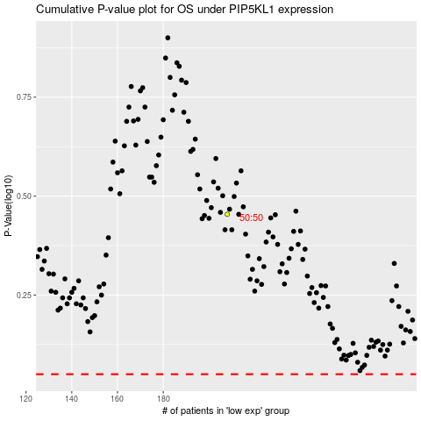

 |  |  |  |  |  | cases_OS | p_OS | rank | exp
 |  |  |  |  |  |  | cases_RFS | p_RFS | rank | exp

