PIPSL _multivariate
Reported by Tex Li-Hsing Chi. tex@gate.sinica.edu.tw 2019-08-17

Table 2. The clinicopathological features of HNSCC cohort and PIPSL expression. (Chi square test)
Cutoff at -0.204 (49.3%)
 |  | PIPSL expression |  | PIPSL expression |  | (Optimised)
 | Features | Low | (%) | High | (%) | Case no | P-value | Remark | Matthews
Gender | Female | 147 | 35.4 | 159 | 38.3 | 415 | 0.5148 | 0 | 0
2 | Male | 57 | 13.7 | 52 | 12.5
Age at diagnosis | <=65y | 126 | 30.4 | 148 | 35.7 | 415 | 0.0896 | 0 | 0
4 | >65y | 78 | 18.8 | 63 | 15.2
Clinical T Status | T1+T2 | 83 | 20 | 66 | 15.9 | 415 | 0.0581 | 0 | 0
6 | T3+T4 | 121 | 29.2 | 145 | 34.9
Clinical N Status | N0 | 120 | 28.9 | 96 | 23.1 | 415 | 0.0088 | 1 | 0
8 | N1-3 | 84 | 20.2 | 115 | 27.7
Clinical M Status | M0 | 203 | 48.9 | 209 | 50.4 | 415 | 1 | 0 | 0
10 | M1 | 1 | 0.2 | 2 | 0.5
Clinical Stage | Stage I+II | 64 | 15.4 | 38 | 9.2 | 415 | 0.0023 | 1 | 0
12 | Stage III+IV | 140 | 33.7 | 173 | 41.7
Surgical Margin status | Negative | 163 | 39.3 | 155 | 37.3 | 415 | 0.1323 | 0 | 0
14 | Positive | 41 | 9.9 | 56 | 13.5
Tobacco Exposure | Low | 88 | 21.2 | 73 | 17.6 | 415 | 0.0867 | 0 | 0
16 | High | 116 | 28 | 138 | 33.3

Table 3. Univariate/Multivariate Cox's proportional hazards regression analyses on OS time of PIPSL gene expression in HNSCC

 |  | Univariate |  |  |  | Multivariate
 | Features | HR | CI95%(L) | CI95%(H) | P-value | HR | CI95%(L) | CI95%(H) | P-value
1 | Female | 1 |  |  |  | 1
Gender | Male | 1.157 | 0.843 | 1.587 | 0.367 | 1.193 | 0.853 | 1.667 | 0.302
11 | <=65y | 1 |  |  |  | 1
Age at diagnosis | >65y | 1.329 | 0.99 | 1.784 | 0.058 | 1.406 | 1.034 | 1.913 | 0.03
12 | T1+T2 | 1 |  |  |  | 1
Clinical T Status | T3+T4 | 1.409 | 1.028 | 1.931 | 0.033 | 2.171 | 1.148 | 4.108 | 0.017
13 | N0 | 1 |  |  |  | 1
Clinical N Status | N1-3 | 1.185 | 0.89 | 1.577 | 0.246 | 1.21 | 0.847 | 1.731 | 0.295
14 | M0 | 1 |  |  |  | 1
Clinical M Status | M1 | 4.097 | 1.009 | 16.644 | 0.049 | 8.895 | 1.935 | 40.881 | 0.005
15 | Stage I+II | 1 |  |  |  | 1
Clinical Stage | Stage III+IV | 1.245 | 0.882 | 1.759 | 0.213 | 0.503 | 0.234 | 1.08 | 0.078
16 | Negative | 1 |  |  |  | 1
Surgical Margin status | Positive | 1.591 | 1.155 | 2.191 | 0.004 | 1.621 | 1.169 | 2.246 | 0.004
17 | Low | 1 |  |  |  | 1
Tobacco Exposure | High | 1.364 | 1.008 | 1.844 | 0.044 | 1.436 | 1.042 | 1.979 | 0.027
18 | Low | 1 |  |  |  | 1
RNAseq(z-score) | High | 1.345 | 1.008 | 1.795 | 0.044 | 1.214 | 0.9 | 1.636 | 0.203

Table 4. Univariate/Multivariate Cox's proportional hazards regression analyses on RFS time of PIPSL gene expression in HNSCC

 |  | Univariate |  |  |  | Multivariate
 | Features | HR | CI95%(L) | CI95%(H) | P-value | HR | CI95%(L) | CI95%(H) | P-value
1 | Female | 1 |  |  |  | 1
Gender | Male | 1.157 | 0.843 | 1.587 | 0.367 | 1.193 | 0.853 | 1.667 | 0.302
11 | <=65y | 1 |  |  |  | 1
Age at diagnosis | >65y | 1.329 | 0.99 | 1.784 | 0.058 | 1.406 | 1.034 | 1.913 | 0.03
12 | T1+T2 | 1 |  |  |  | 1
Clinical T Status | T3+T4 | 1.409 | 1.028 | 1.931 | 0.033 | 2.171 | 1.148 | 4.108 | 0.017
13 | N0 | 1 |  |  |  | 1
Clinical N Status | N1-3 | 1.185 | 0.89 | 1.577 | 0.246 | 1.21 | 0.847 | 1.731 | 0.295
14 | M0 | 1 |  |  |  | 1
Clinical M Status | M1 | 4.097 | 1.009 | 16.644 | 0.049 | 8.895 | 1.935 | 40.881 | 0.005
15 | Stage I+II | 1 |  |  |  | 1
Clinical Stage | Stage III+IV | 1.245 | 0.882 | 1.759 | 0.213 | 0.503 | 0.234 | 1.08 | 0.078
16 | Negative | 1 |  |  |  | 1
Surgical Margin status | Positive | 1.591 | 1.155 | 2.191 | 0.004 | 1.621 | 1.169 | 2.246 | 0.004
17 | Low | 1 |  |  |  | 1
Tobacco Exposure | High | 1.364 | 1.008 | 1.844 | 0.044 | 1.436 | 1.042 | 1.979 | 0.027
18 | Low | 1 |  |  |  | 1
RNAseq(z-score) | High | 1.345 | 1.008 | 1.795 | 0.044 | 1.214 | 0.9 | 1.636 | 0.203

Kaplan-Meier survival estimate: Cutoff at -0.204 (49.3%)



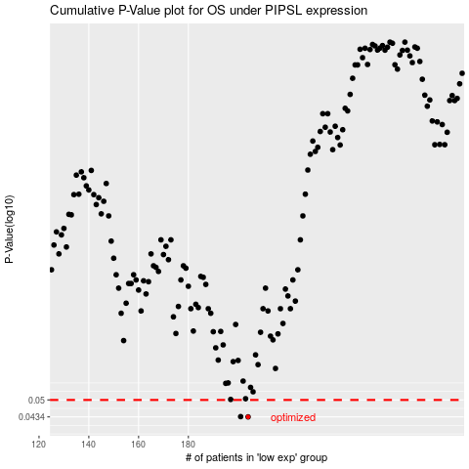

 |  |  |  |  |  | cases_OS | p_OS | rank | exp
 |  |  |  |  |  | 204 | 0.0434 | 117 | -0.20374465947
 |  |  |  |  |  | 201 | 0.0435 | 148 | -0.21369245567
 |  |  |  |  |  |  | cases_RFS | p_RFS | rank | exp
 |  |  |  |  |  |  | 203 | 0.0434 | 235 | -0.20844630771
 |  |  |  |  |  |  | 200 | 0.0435 | 177 | -0.21763429549

