PITPNM1 _multivariate
Reported by Tex Li-Hsing Chi. tex@gate.sinica.edu.tw 2019-08-17

Table 2. The clinicopathological features of HNSCC cohort and PITPNM1 expression. (Chi square test)
Cutoff at -0.229 (49.8%)
 |  | PITPNM1 expression |  | PITPNM1 expression |  | (Optimised)
 | Features | Low | (%) | High | (%) | Case no | P-value | Remark | Matthews
Gender | Female | 146 | 35.2 | 160 | 38.6 | 415 | 0.1714 | 0 | 0
2 | Male | 61 | 14.7 | 48 | 11.6
Age at diagnosis | <=65y | 128 | 30.8 | 146 | 35.2 | 415 | 0.0904 | 0 | 0
4 | >65y | 79 | 19 | 62 | 14.9
Clinical T Status | T1+T2 | 78 | 18.8 | 71 | 17.1 | 415 | 0.5152 | 0 | 0
6 | T3+T4 | 129 | 31.1 | 137 | 33
Clinical N Status | N0 | 106 | 25.5 | 110 | 26.5 | 415 | 0.8075 | 0 | 0
8 | N1-3 | 101 | 24.3 | 98 | 23.6
Clinical M Status | M0 | 205 | 49.4 | 207 | 49.9 | 415 | 0.6232 | 0 | 0
10 | M1 | 2 | 0.5 | 1 | 0.2
Clinical Stage | Stage I+II | 51 | 12.3 | 51 | 12.3 | 415 | 1 | 0 | 0
12 | Stage III+IV | 156 | 37.6 | 157 | 37.8
Surgical Margin status | Negative | 152 | 36.6 | 166 | 40 | 415 | 0.1329 | 0 | 0
14 | Positive | 55 | 13.3 | 42 | 10.1
Tobacco Exposure | Low | 83 | 20 | 78 | 18.8 | 415 | 0.6152 | 0 | 0
16 | High | 124 | 29.9 | 130 | 31.3

Table 3. Univariate/Multivariate Cox's proportional hazards regression analyses on OS time of PITPNM1 gene expression in HNSCC

 |  | Univariate |  |  |  | Multivariate
 | Features | HR | CI95%(L) | CI95%(H) | P-value | HR | CI95%(L) | CI95%(H) | P-value
1 | Female | 1 |  |  |  | 1
Gender | Male | 1.157 | 0.843 | 1.587 | 0.367 | 1.221 | 0.872 | 1.71 | 0.245
11 | <=65y | 1 |  |  |  | 1
Age at diagnosis | >65y | 1.329 | 0.99 | 1.784 | 0.058 | 1.412 | 1.037 | 1.924 | 0.029
12 | T1+T2 | 1 |  |  |  | 1
Clinical T Status | T3+T4 | 1.409 | 1.028 | 1.931 | 0.033 | 2.156 | 1.138 | 4.084 | 0.018
13 | N0 | 1 |  |  |  | 1
Clinical N Status | N1-3 | 1.185 | 0.89 | 1.577 | 0.246 | 1.238 | 0.867 | 1.766 | 0.24
14 | M0 | 1 |  |  |  | 1
Clinical M Status | M1 | 4.097 | 1.009 | 16.644 | 0.049 | 9.639 | 2.101 | 44.228 | 0.004
15 | Stage I+II | 1 |  |  |  | 1
Clinical Stage | Stage III+IV | 1.245 | 0.882 | 1.759 | 0.213 | 0.513 | 0.239 | 1.103 | 0.087
16 | Negative | 1 |  |  |  | 1
Surgical Margin status | Positive | 1.591 | 1.155 | 2.191 | 0.004 | 1.676 | 1.213 | 2.316 | 0.002
17 | Low | 1 |  |  |  | 1
Tobacco Exposure | High | 1.364 | 1.008 | 1.844 | 0.044 | 1.453 | 1.055 | 2.002 | 0.022
18 | Low | 1 |  |  |  | 1
RNAseq(z-score) | High | 1.062 | 0.797 | 1.415 | 0.681 | 1.121 | 0.834 | 1.507 | 0.448

Table 4. Univariate/Multivariate Cox's proportional hazards regression analyses on RFS time of PITPNM1 gene expression in HNSCC

 |  | Univariate |  |  |  | Multivariate
 | Features | HR | CI95%(L) | CI95%(H) | P-value | HR | CI95%(L) | CI95%(H) | P-value
1 | Female | 1 |  |  |  | 1
Gender | Male | 1.157 | 0.843 | 1.587 | 0.367 | 1.221 | 0.872 | 1.71 | 0.245
11 | <=65y | 1 |  |  |  | 1
Age at diagnosis | >65y | 1.329 | 0.99 | 1.784 | 0.058 | 1.412 | 1.037 | 1.924 | 0.029
12 | T1+T2 | 1 |  |  |  | 1
Clinical T Status | T3+T4 | 1.409 | 1.028 | 1.931 | 0.033 | 2.156 | 1.138 | 4.084 | 0.018
13 | N0 | 1 |  |  |  | 1
Clinical N Status | N1-3 | 1.185 | 0.89 | 1.577 | 0.246 | 1.238 | 0.867 | 1.766 | 0.24
14 | M0 | 1 |  |  |  | 1
Clinical M Status | M1 | 4.097 | 1.009 | 16.644 | 0.049 | 9.639 | 2.101 | 44.228 | 0.004
15 | Stage I+II | 1 |  |  |  | 1
Clinical Stage | Stage III+IV | 1.245 | 0.882 | 1.759 | 0.213 | 0.513 | 0.239 | 1.103 | 0.087
16 | Negative | 1 |  |  |  | 1
Surgical Margin status | Positive | 1.591 | 1.155 | 2.191 | 0.004 | 1.676 | 1.213 | 2.316 | 0.002
17 | Low | 1 |  |  |  | 1
Tobacco Exposure | High | 1.364 | 1.008 | 1.844 | 0.044 | 1.453 | 1.055 | 2.002 | 0.022
18 | Low | 1 |  |  |  | 1
RNAseq(z-score) | High | 1.062 | 0.797 | 1.415 | 0.681 | 1.121 | 0.834 | 1.507 | 0.448

Kaplan-Meier survival estimate: Cutoff at -0.229 (49.8%)



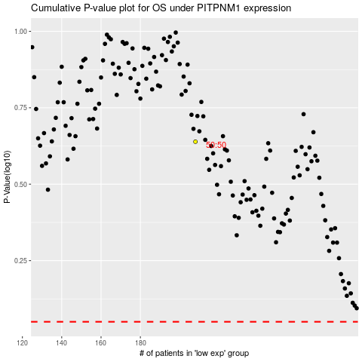

 |  |  |  |  |  | cases_OS | p_OS | rank | exp
 |  |  |  |  |  |  | cases_RFS | p_RFS | rank | exp

