PITPNM2 _multivariate
Reported by Tex Li-Hsing Chi. tex@gate.sinica.edu.tw 2019-08-17

Table 2. The clinicopathological features of HNSCC cohort and PITPNM2 expression. (Chi square test)
Cutoff at -0.042 (49.8%)
 |  | PITPNM2 expression |  | PITPNM2 expression |  | (Optimised)
 | Features | Low | (%) | High | (%) | Case no | P-value | Remark | Matthews
Gender | Female | 161 | 38.8 | 145 | 34.9 | 415 | 0.0792 | 0 | 0
2 | Male | 46 | 11.1 | 63 | 15.2
Age at diagnosis | <=65y | 140 | 33.7 | 134 | 32.3 | 415 | 0.5574 | 0 | 0
4 | >65y | 67 | 16.1 | 74 | 17.8
Clinical T Status | T1+T2 | 79 | 19 | 70 | 16.9 | 415 | 0.3924 | 0 | 0
6 | T3+T4 | 128 | 30.8 | 138 | 33.3
Clinical N Status | N0 | 95 | 22.9 | 121 | 29.2 | 415 | 0.0162 | 1 | 0
8 | N1-3 | 112 | 27 | 87 | 21
Clinical M Status | M0 | 206 | 49.6 | 206 | 49.6 | 415 | 1 | 0 | 0
10 | M1 | 1 | 0.2 | 2 | 0.5
Clinical Stage | Stage I+II | 46 | 11.1 | 56 | 13.5 | 415 | 0.3182 | 0 | 0
12 | Stage III+IV | 161 | 38.8 | 152 | 36.6
Surgical Margin status | Negative | 153 | 36.9 | 165 | 39.8 | 415 | 0.2036 | 0 | 0
14 | Positive | 54 | 13 | 43 | 10.4
Tobacco Exposure | Low | 68 | 16.4 | 93 | 22.4 | 415 | 0.0156 | 1 | 0
16 | High | 139 | 33.5 | 115 | 27.7

Table 3. Univariate/Multivariate Cox's proportional hazards regression analyses on OS time of PITPNM2 gene expression in HNSCC

 |  | Univariate |  |  |  | Multivariate
 | Features | HR | CI95%(L) | CI95%(H) | P-value | HR | CI95%(L) | CI95%(H) | P-value
1 | Female | 1 |  |  |  | 1
Gender | Male | 1.157 | 0.843 | 1.587 | 0.367 | 1.204 | 0.862 | 1.681 | 0.277
11 | <=65y | 1 |  |  |  | 1
Age at diagnosis | >65y | 1.329 | 0.99 | 1.784 | 0.058 | 1.392 | 1.024 | 1.892 | 0.035
12 | T1+T2 | 1 |  |  |  | 1
Clinical T Status | T3+T4 | 1.409 | 1.028 | 1.931 | 0.033 | 2.258 | 1.187 | 4.293 | 0.013
13 | N0 | 1 |  |  |  | 1
Clinical N Status | N1-3 | 1.185 | 0.89 | 1.577 | 0.246 | 1.242 | 0.871 | 1.772 | 0.232
14 | M0 | 1 |  |  |  | 1
Clinical M Status | M1 | 4.097 | 1.009 | 16.644 | 0.049 | 9.675 | 2.104 | 44.491 | 0.004
15 | Stage I+II | 1 |  |  |  | 1
Clinical Stage | Stage III+IV | 1.245 | 0.882 | 1.759 | 0.213 | 0.492 | 0.228 | 1.061 | 0.07
16 | Negative | 1 |  |  |  | 1
Surgical Margin status | Positive | 1.591 | 1.155 | 2.191 | 0.004 | 1.668 | 1.207 | 2.305 | 0.002
17 | Low | 1 |  |  |  | 1
Tobacco Exposure | High | 1.364 | 1.008 | 1.844 | 0.044 | 1.442 | 1.045 | 1.989 | 0.026
18 | Low | 1 |  |  |  | 1
RNAseq(z-score) | High | 0.937 | 0.704 | 1.248 | 0.658 | 0.92 | 0.688 | 1.23 | 0.573

Table 4. Univariate/Multivariate Cox's proportional hazards regression analyses on RFS time of PITPNM2 gene expression in HNSCC

 |  | Univariate |  |  |  | Multivariate
 | Features | HR | CI95%(L) | CI95%(H) | P-value | HR | CI95%(L) | CI95%(H) | P-value
1 | Female | 1 |  |  |  | 1
Gender | Male | 1.157 | 0.843 | 1.587 | 0.367 | 1.204 | 0.862 | 1.681 | 0.277
11 | <=65y | 1 |  |  |  | 1
Age at diagnosis | >65y | 1.329 | 0.99 | 1.784 | 0.058 | 1.392 | 1.024 | 1.892 | 0.035
12 | T1+T2 | 1 |  |  |  | 1
Clinical T Status | T3+T4 | 1.409 | 1.028 | 1.931 | 0.033 | 2.258 | 1.187 | 4.293 | 0.013
13 | N0 | 1 |  |  |  | 1
Clinical N Status | N1-3 | 1.185 | 0.89 | 1.577 | 0.246 | 1.242 | 0.871 | 1.772 | 0.232
14 | M0 | 1 |  |  |  | 1
Clinical M Status | M1 | 4.097 | 1.009 | 16.644 | 0.049 | 9.675 | 2.104 | 44.491 | 0.004
15 | Stage I+II | 1 |  |  |  | 1
Clinical Stage | Stage III+IV | 1.245 | 0.882 | 1.759 | 0.213 | 0.492 | 0.228 | 1.061 | 0.07
16 | Negative | 1 |  |  |  | 1
Surgical Margin status | Positive | 1.591 | 1.155 | 2.191 | 0.004 | 1.668 | 1.207 | 2.305 | 0.002
17 | Low | 1 |  |  |  | 1
Tobacco Exposure | High | 1.364 | 1.008 | 1.844 | 0.044 | 1.442 | 1.045 | 1.989 | 0.026
18 | Low | 1 |  |  |  | 1
RNAseq(z-score) | High | 0.937 | 0.704 | 1.248 | 0.658 | 0.92 | 0.688 | 1.23 | 0.573

Kaplan-Meier survival estimate: Cutoff at -0.042 (49.8%)



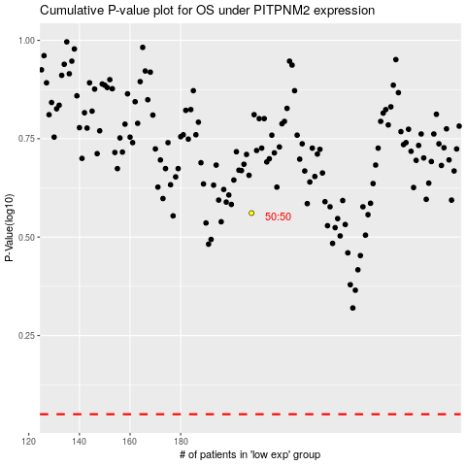

 |  |  |  |  |  | cases_OS | p_OS | rank | exp
 |  |  |  |  |  |  | cases_RFS | p_RFS | rank | exp

