PITX3 _multivariate
Reported by Tex Li-Hsing Chi. tex@gate.sinica.edu.tw 2019-08-17

Table 2. The clinicopathological features of HNSCC cohort and PITX3 expression. (Chi square test)
Cutoff at -0.197 (50.0%)
 |  | PITX3 expression |  | PITX3 expression |  | (Optimised)
 | Features | Low | (%) | High | (%) | Case no | P-value | Remark | Matthews
Gender | Female | 153 | 36.9 | 153 | 36.9 | 415 | 1 | 0 | 0
2 | Male | 54 | 13 | 55 | 13.3
Age at diagnosis | <=65y | 129 | 31.1 | 145 | 34.9 | 415 | 0.1372 | 0 | 0
4 | >65y | 78 | 18.8 | 63 | 15.2
Clinical T Status | T1+T2 | 71 | 17.1 | 78 | 18.8 | 415 | 0.5638 | 0 | 0
6 | T3+T4 | 136 | 32.8 | 130 | 31.3
Clinical N Status | N0 | 112 | 27 | 104 | 25.1 | 415 | 0.4599 | 0 | 0
8 | N1-3 | 95 | 22.9 | 104 | 25.1
Clinical M Status | M0 | 205 | 49.4 | 207 | 49.9 | 415 | 0.6232 | 0 | 0
10 | M1 | 2 | 0.5 | 1 | 0.2
Clinical Stage | Stage I+II | 47 | 11.3 | 55 | 13.3 | 415 | 0.4413 | 0 | 0
12 | Stage III+IV | 160 | 38.6 | 153 | 36.9
Surgical Margin status | Negative | 153 | 36.9 | 165 | 39.8 | 415 | 0.2036 | 0 | 0
14 | Positive | 54 | 13 | 43 | 10.4
Tobacco Exposure | Low | 80 | 19.3 | 81 | 19.5 | 415 | 1 | 0 | 0
16 | High | 127 | 30.6 | 127 | 30.6

Table 3. Univariate/Multivariate Cox's proportional hazards regression analyses on OS time of PITX3 gene expression in HNSCC

 |  | Univariate |  |  |  | Multivariate
 | Features | HR | CI95%(L) | CI95%(H) | P-value | HR | CI95%(L) | CI95%(H) | P-value
1 | Female | 1 |  |  |  | 1
Gender | Male | 1.157 | 0.843 | 1.587 | 0.367 | 1.196 | 0.855 | 1.672 | 0.296
11 | <=65y | 1 |  |  |  | 1
Age at diagnosis | >65y | 1.329 | 0.99 | 1.784 | 0.058 | 1.417 | 1.037 | 1.937 | 0.029
12 | T1+T2 | 1 |  |  |  | 1
Clinical T Status | T3+T4 | 1.409 | 1.028 | 1.931 | 0.033 | 2.16 | 1.139 | 4.095 | 0.018
13 | N0 | 1 |  |  |  | 1
Clinical N Status | N1-3 | 1.185 | 0.89 | 1.577 | 0.246 | 1.226 | 0.857 | 1.753 | 0.265
14 | M0 | 1 |  |  |  | 1
Clinical M Status | M1 | 4.097 | 1.009 | 16.644 | 0.049 | 9.365 | 2.043 | 42.915 | 0.004
15 | Stage I+II | 1 |  |  |  | 1
Clinical Stage | Stage III+IV | 1.245 | 0.882 | 1.759 | 0.213 | 0.518 | 0.24 | 1.117 | 0.093
16 | Negative | 1 |  |  |  | 1
Surgical Margin status | Positive | 1.591 | 1.155 | 2.191 | 0.004 | 1.672 | 1.211 | 2.31 | 0.002
17 | Low | 1 |  |  |  | 1
Tobacco Exposure | High | 1.364 | 1.008 | 1.844 | 0.044 | 1.452 | 1.054 | 2.001 | 0.023
18 | Low | 1 |  |  |  | 1
RNAseq(z-score) | High | 1.086 | 0.816 | 1.447 | 0.571 | 1.099 | 0.817 | 1.477 | 0.533

Table 4. Univariate/Multivariate Cox's proportional hazards regression analyses on RFS time of PITX3 gene expression in HNSCC

 |  | Univariate |  |  |  | Multivariate
 | Features | HR | CI95%(L) | CI95%(H) | P-value | HR | CI95%(L) | CI95%(H) | P-value
1 | Female | 1 |  |  |  | 1
Gender | Male | 1.157 | 0.843 | 1.587 | 0.367 | 1.196 | 0.855 | 1.672 | 0.296
11 | <=65y | 1 |  |  |  | 1
Age at diagnosis | >65y | 1.329 | 0.99 | 1.784 | 0.058 | 1.417 | 1.037 | 1.937 | 0.029
12 | T1+T2 | 1 |  |  |  | 1
Clinical T Status | T3+T4 | 1.409 | 1.028 | 1.931 | 0.033 | 2.16 | 1.139 | 4.095 | 0.018
13 | N0 | 1 |  |  |  | 1
Clinical N Status | N1-3 | 1.185 | 0.89 | 1.577 | 0.246 | 1.226 | 0.857 | 1.753 | 0.265
14 | M0 | 1 |  |  |  | 1
Clinical M Status | M1 | 4.097 | 1.009 | 16.644 | 0.049 | 9.365 | 2.043 | 42.915 | 0.004
15 | Stage I+II | 1 |  |  |  | 1
Clinical Stage | Stage III+IV | 1.245 | 0.882 | 1.759 | 0.213 | 0.518 | 0.24 | 1.117 | 0.093
16 | Negative | 1 |  |  |  | 1
Surgical Margin status | Positive | 1.591 | 1.155 | 2.191 | 0.004 | 1.672 | 1.211 | 2.31 | 0.002
17 | Low | 1 |  |  |  | 1
Tobacco Exposure | High | 1.364 | 1.008 | 1.844 | 0.044 | 1.452 | 1.054 | 2.001 | 0.023
18 | Low | 1 |  |  |  | 1
RNAseq(z-score) | High | 1.086 | 0.816 | 1.447 | 0.571 | 1.099 | 0.817 | 1.477 | 0.533

Kaplan-Meier survival estimate: Cutoff at -0.197 (50.0%)



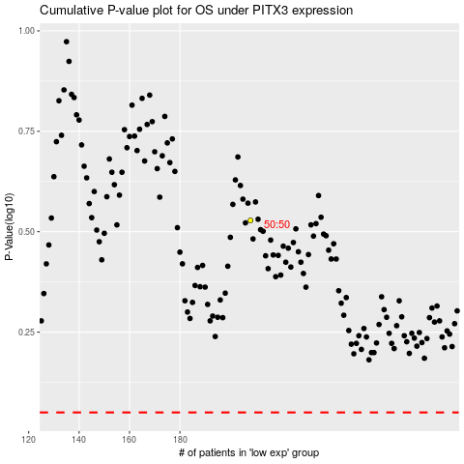

 |  |  |  |  |  | cases_OS | p_OS | rank | exp
 |  |  |  |  |  |  | cases_RFS | p_RFS | rank | exp

