PJA2 _multivariate
Reported by Tex Li-Hsing Chi. tex@gate.sinica.edu.tw 2019-08-17

Table 2. The clinicopathological features of HNSCC cohort and PJA2 expression. (Chi square test)
Cutoff at -0.185 (49.8%)
 |  | PJA2 expression |  | PJA2 expression |  | (Optimised)
 | Features | Low | (%) | High | (%) | Case no | P-value | Remark | Matthews
Gender | Female | 157 | 37.8 | 149 | 35.9 | 415 | 0.3881 | 0 | 0
2 | Male | 50 | 12 | 59 | 14.2
Age at diagnosis | <=65y | 132 | 31.8 | 142 | 34.2 | 415 | 0.3874 | 0 | 0
4 | >65y | 75 | 18.1 | 66 | 15.9
Clinical T Status | T1+T2 | 63 | 15.2 | 86 | 20.7 | 415 | 0.0268 | 1 | 0
6 | T3+T4 | 144 | 34.7 | 122 | 29.4
Clinical N Status | N0 | 100 | 24.1 | 116 | 28 | 415 | 0.1548 | 0 | 0
8 | N1-3 | 107 | 25.8 | 92 | 22.2
Clinical M Status | M0 | 205 | 49.4 | 207 | 49.9 | 415 | 0.6232 | 0 | 0
10 | M1 | 2 | 0.5 | 1 | 0.2
Clinical Stage | Stage I+II | 43 | 10.4 | 59 | 14.2 | 415 | 0.0925 | 0 | 0
12 | Stage III+IV | 164 | 39.5 | 149 | 35.9
Surgical Margin status | Negative | 150 | 36.1 | 168 | 40.5 | 415 | 0.0492 | 1 | 0
14 | Positive | 57 | 13.7 | 40 | 9.6
Tobacco Exposure | Low | 74 | 17.8 | 87 | 21 | 415 | 0.227 | 0 | 0
16 | High | 133 | 32 | 121 | 29.2

Table 3. Univariate/Multivariate Cox's proportional hazards regression analyses on OS time of PJA2 gene expression in HNSCC

 |  | Univariate |  |  |  | Multivariate
 | Features | HR | CI95%(L) | CI95%(H) | P-value | HR | CI95%(L) | CI95%(H) | P-value
1 | Female | 1 |  |  |  | 1
Gender | Male | 1.157 | 0.843 | 1.587 | 0.367 | 1.198 | 0.858 | 1.671 | 0.289
11 | <=65y | 1 |  |  |  | 1
Age at diagnosis | >65y | 1.329 | 0.99 | 1.784 | 0.058 | 1.432 | 1.049 | 1.954 | 0.024
12 | T1+T2 | 1 |  |  |  | 1
Clinical T Status | T3+T4 | 1.409 | 1.028 | 1.931 | 0.033 | 2.278 | 1.202 | 4.315 | 0.012
13 | N0 | 1 |  |  |  | 1
Clinical N Status | N1-3 | 1.185 | 0.89 | 1.577 | 0.246 | 1.269 | 0.888 | 1.814 | 0.192
14 | M0 | 1 |  |  |  | 1
Clinical M Status | M1 | 4.097 | 1.009 | 16.644 | 0.049 | 9.812 | 2.137 | 45.049 | 0.003
15 | Stage I+II | 1 |  |  |  | 1
Clinical Stage | Stage III+IV | 1.245 | 0.882 | 1.759 | 0.213 | 0.498 | 0.232 | 1.068 | 0.073
16 | Negative | 1 |  |  |  | 1
Surgical Margin status | Positive | 1.591 | 1.155 | 2.191 | 0.004 | 1.703 | 1.231 | 2.357 | 0.001
17 | Low | 1 |  |  |  | 1
Tobacco Exposure | High | 1.364 | 1.008 | 1.844 | 0.044 | 1.501 | 1.085 | 2.078 | 0.014
18 | Low | 1 |  |  |  | 1
RNAseq(z-score) | High | 0.995 | 0.746 | 1.326 | 0.972 | 1.207 | 0.893 | 1.632 | 0.22

Table 4. Univariate/Multivariate Cox's proportional hazards regression analyses on RFS time of PJA2 gene expression in HNSCC

 |  | Univariate |  |  |  | Multivariate
 | Features | HR | CI95%(L) | CI95%(H) | P-value | HR | CI95%(L) | CI95%(H) | P-value
1 | Female | 1 |  |  |  | 1
Gender | Male | 1.157 | 0.843 | 1.587 | 0.367 | 1.198 | 0.858 | 1.671 | 0.289
11 | <=65y | 1 |  |  |  | 1
Age at diagnosis | >65y | 1.329 | 0.99 | 1.784 | 0.058 | 1.432 | 1.049 | 1.954 | 0.024
12 | T1+T2 | 1 |  |  |  | 1
Clinical T Status | T3+T4 | 1.409 | 1.028 | 1.931 | 0.033 | 2.278 | 1.202 | 4.315 | 0.012
13 | N0 | 1 |  |  |  | 1
Clinical N Status | N1-3 | 1.185 | 0.89 | 1.577 | 0.246 | 1.269 | 0.888 | 1.814 | 0.192
14 | M0 | 1 |  |  |  | 1
Clinical M Status | M1 | 4.097 | 1.009 | 16.644 | 0.049 | 9.812 | 2.137 | 45.049 | 0.003
15 | Stage I+II | 1 |  |  |  | 1
Clinical Stage | Stage III+IV | 1.245 | 0.882 | 1.759 | 0.213 | 0.498 | 0.232 | 1.068 | 0.073
16 | Negative | 1 |  |  |  | 1
Surgical Margin status | Positive | 1.591 | 1.155 | 2.191 | 0.004 | 1.703 | 1.231 | 2.357 | 0.001
17 | Low | 1 |  |  |  | 1
Tobacco Exposure | High | 1.364 | 1.008 | 1.844 | 0.044 | 1.501 | 1.085 | 2.078 | 0.014
18 | Low | 1 |  |  |  | 1
RNAseq(z-score) | High | 0.995 | 0.746 | 1.326 | 0.972 | 1.207 | 0.893 | 1.632 | 0.22

Kaplan-Meier survival estimate: Cutoff at -0.185 (49.8%)



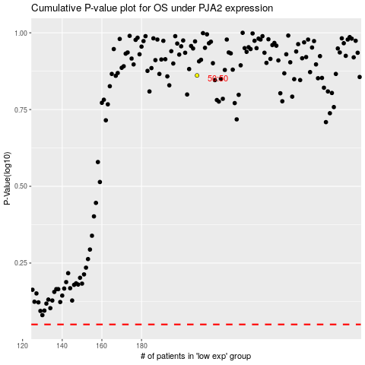

 |  |  |  |  |  | cases_OS | p_OS | rank | exp
 |  |  |  |  |  |  | cases_RFS | p_RFS | rank | exp

