PKD1L1 _multivariate
Reported by Tex Li-Hsing Chi. tex@gate.sinica.edu.tw 2019-08-17

Table 2. The clinicopathological features of HNSCC cohort and PKD1L1 expression. (Chi square test)
Cutoff at -0.246 (50.0%)
 |  | PKD1L1 expression |  | PKD1L1 expression |  | (Optimised)
 | Features | Low | (%) | High | (%) | Case no | P-value | Remark | Matthews
Gender | Female | 152 | 36.6 | 154 | 37.1 | 415 | 0.9766 | 0 | 0
2 | Male | 55 | 13.3 | 54 | 13
Age at diagnosis | <=65y | 139 | 33.5 | 135 | 32.5 | 415 | 0.7044 | 0 | 0
4 | >65y | 68 | 16.4 | 73 | 17.6
Clinical T Status | T1+T2 | 69 | 16.6 | 80 | 19.3 | 415 | 0.3239 | 0 | 0
6 | T3+T4 | 138 | 33.3 | 128 | 30.8
Clinical N Status | N0 | 102 | 24.6 | 114 | 27.5 | 415 | 0.3031 | 0 | 0
8 | N1-3 | 105 | 25.3 | 94 | 22.7
Clinical M Status | M0 | 204 | 49.2 | 208 | 50.1 | 415 | 0.1232 | 0 | 0
10 | M1 | 3 | 0.7 | 0 | 0
Clinical Stage | Stage I+II | 43 | 10.4 | 59 | 14.2 | 415 | 0.0925 | 0 | 0
12 | Stage III+IV | 164 | 39.5 | 149 | 35.9
Surgical Margin status | Negative | 161 | 38.8 | 157 | 37.8 | 415 | 0.6429 | 0 | 0
14 | Positive | 46 | 11.1 | 51 | 12.3
Tobacco Exposure | Low | 84 | 20.2 | 77 | 18.6 | 415 | 0.4816 | 0 | 0
16 | High | 123 | 29.6 | 131 | 31.6

Table 3. Univariate/Multivariate Cox's proportional hazards regression analyses on OS time of PKD1L1 gene expression in HNSCC

 |  | Univariate |  |  |  | Multivariate
 | Features | HR | CI95%(L) | CI95%(H) | P-value | HR | CI95%(L) | CI95%(H) | P-value
1 | Female | 1 |  |  |  | 1
Gender | Male | 1.157 | 0.843 | 1.587 | 0.367 | 1.189 | 0.85 | 1.663 | 0.312
11 | <=65y | 1 |  |  |  | 1
Age at diagnosis | >65y | 1.329 | 0.99 | 1.784 | 0.058 | 1.405 | 1.034 | 1.909 | 0.03
12 | T1+T2 | 1 |  |  |  | 1
Clinical T Status | T3+T4 | 1.409 | 1.028 | 1.931 | 0.033 | 2.196 | 1.162 | 4.149 | 0.015
13 | N0 | 1 |  |  |  | 1
Clinical N Status | N1-3 | 1.185 | 0.89 | 1.577 | 0.246 | 1.232 | 0.864 | 1.757 | 0.249
14 | M0 | 1 |  |  |  | 1
Clinical M Status | M1 | 4.097 | 1.009 | 16.644 | 0.049 | 8.766 | 1.902 | 40.414 | 0.005
15 | Stage I+II | 1 |  |  |  | 1
Clinical Stage | Stage III+IV | 1.245 | 0.882 | 1.759 | 0.213 | 0.502 | 0.234 | 1.077 | 0.077
16 | Negative | 1 |  |  |  | 1
Surgical Margin status | Positive | 1.591 | 1.155 | 2.191 | 0.004 | 1.666 | 1.206 | 2.302 | 0.002
17 | Low | 1 |  |  |  | 1
Tobacco Exposure | High | 1.364 | 1.008 | 1.844 | 0.044 | 1.465 | 1.063 | 2.02 | 0.02
18 | Low | 1 |  |  |  | 1
RNAseq(z-score) | High | 0.847 | 0.636 | 1.129 | 0.258 | 0.862 | 0.644 | 1.153 | 0.316

Table 4. Univariate/Multivariate Cox's proportional hazards regression analyses on RFS time of PKD1L1 gene expression in HNSCC

 |  | Univariate |  |  |  | Multivariate
 | Features | HR | CI95%(L) | CI95%(H) | P-value | HR | CI95%(L) | CI95%(H) | P-value
1 | Female | 1 |  |  |  | 1
Gender | Male | 1.157 | 0.843 | 1.587 | 0.367 | 1.189 | 0.85 | 1.663 | 0.312
11 | <=65y | 1 |  |  |  | 1
Age at diagnosis | >65y | 1.329 | 0.99 | 1.784 | 0.058 | 1.405 | 1.034 | 1.909 | 0.03
12 | T1+T2 | 1 |  |  |  | 1
Clinical T Status | T3+T4 | 1.409 | 1.028 | 1.931 | 0.033 | 2.196 | 1.162 | 4.149 | 0.015
13 | N0 | 1 |  |  |  | 1
Clinical N Status | N1-3 | 1.185 | 0.89 | 1.577 | 0.246 | 1.232 | 0.864 | 1.757 | 0.249
14 | M0 | 1 |  |  |  | 1
Clinical M Status | M1 | 4.097 | 1.009 | 16.644 | 0.049 | 8.766 | 1.902 | 40.414 | 0.005
15 | Stage I+II | 1 |  |  |  | 1
Clinical Stage | Stage III+IV | 1.245 | 0.882 | 1.759 | 0.213 | 0.502 | 0.234 | 1.077 | 0.077
16 | Negative | 1 |  |  |  | 1
Surgical Margin status | Positive | 1.591 | 1.155 | 2.191 | 0.004 | 1.666 | 1.206 | 2.302 | 0.002
17 | Low | 1 |  |  |  | 1
Tobacco Exposure | High | 1.364 | 1.008 | 1.844 | 0.044 | 1.465 | 1.063 | 2.02 | 0.02
18 | Low | 1 |  |  |  | 1
RNAseq(z-score) | High | 0.847 | 0.636 | 1.129 | 0.258 | 0.862 | 0.644 | 1.153 | 0.316

Kaplan-Meier survival estimate: Cutoff at -0.246 (50.0%)



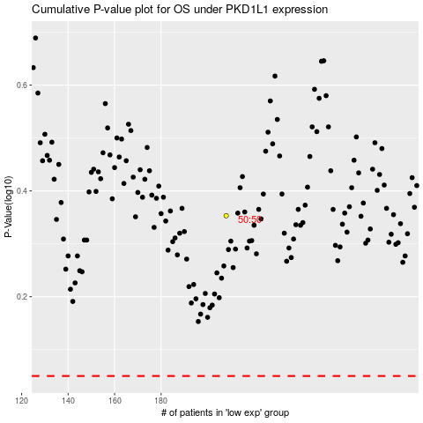

 |  |  |  |  |  | cases_OS | p_OS | rank | exp
 |  |  |  |  |  |  | cases_RFS | p_RFS | rank | exp

