PKD1L2 _multivariate
Reported by Tex Li-Hsing Chi. tex@gate.sinica.edu.tw 2019-08-17

Table 2. The clinicopathological features of HNSCC cohort and PKD1L2 expression. (Chi square test)
Cutoff at -0.258 (49.8%)
 |  | PKD1L2 expression |  | PKD1L2 expression |  | (Optimised)
 | Features | Low | (%) | High | (%) | Case no | P-value | Remark | Matthews
Gender | Female | 149 | 35.9 | 157 | 37.8 | 415 | 0.4848 | 0 | 0
2 | Male | 58 | 14 | 51 | 12.3
Age at diagnosis | <=65y | 135 | 32.5 | 139 | 33.5 | 415 | 0.8084 | 0 | 0
4 | >65y | 72 | 17.3 | 69 | 16.6
Clinical T Status | T1+T2 | 75 | 18.1 | 74 | 17.8 | 415 | 0.9707 | 0 | 0
6 | T3+T4 | 132 | 31.8 | 134 | 32.3
Clinical N Status | N0 | 99 | 23.9 | 117 | 28.2 | 415 | 0.1054 | 0 | 0
8 | N1-3 | 108 | 26 | 91 | 21.9
Clinical M Status | M0 | 206 | 49.6 | 206 | 49.6 | 415 | 1 | 0 | 0
10 | M1 | 1 | 0.2 | 2 | 0.5
Clinical Stage | Stage I+II | 47 | 11.3 | 55 | 13.3 | 415 | 0.4413 | 0 | 0
12 | Stage III+IV | 160 | 38.6 | 153 | 36.9
Surgical Margin status | Negative | 157 | 37.8 | 161 | 38.8 | 415 | 0.729 | 0 | 0
14 | Positive | 50 | 12 | 47 | 11.3
Tobacco Exposure | Low | 97 | 23.4 | 64 | 15.4 | 415 | 9e-04 | 1 | 0
16 | High | 110 | 26.5 | 144 | 34.7

Table 3. Univariate/Multivariate Cox's proportional hazards regression analyses on OS time of PKD1L2 gene expression in HNSCC

 |  | Univariate |  |  |  | Multivariate
 | Features | HR | CI95%(L) | CI95%(H) | P-value | HR | CI95%(L) | CI95%(H) | P-value
1 | Female | 1 |  |  |  | 1
Gender | Male | 1.157 | 0.843 | 1.587 | 0.367 | 1.198 | 0.858 | 1.674 | 0.289
11 | <=65y | 1 |  |  |  | 1
Age at diagnosis | >65y | 1.329 | 0.99 | 1.784 | 0.058 | 1.396 | 1.027 | 1.897 | 0.033
12 | T1+T2 | 1 |  |  |  | 1
Clinical T Status | T3+T4 | 1.409 | 1.028 | 1.931 | 0.033 | 2.187 | 1.157 | 4.135 | 0.016
13 | N0 | 1 |  |  |  | 1
Clinical N Status | N1-3 | 1.185 | 0.89 | 1.577 | 0.246 | 1.251 | 0.876 | 1.786 | 0.218
14 | M0 | 1 |  |  |  | 1
Clinical M Status | M1 | 4.097 | 1.009 | 16.644 | 0.049 | 9.188 | 2.001 | 42.181 | 0.004
15 | Stage I+II | 1 |  |  |  | 1
Clinical Stage | Stage III+IV | 1.245 | 0.882 | 1.759 | 0.213 | 0.509 | 0.237 | 1.094 | 0.084
16 | Negative | 1 |  |  |  | 1
Surgical Margin status | Positive | 1.591 | 1.155 | 2.191 | 0.004 | 1.657 | 1.198 | 2.292 | 0.002
17 | Low | 1 |  |  |  | 1
Tobacco Exposure | High | 1.364 | 1.008 | 1.844 | 0.044 | 1.428 | 1.033 | 1.975 | 0.031
18 | Low | 1 |  |  |  | 1
RNAseq(z-score) | High | 1.16 | 0.869 | 1.548 | 0.314 | 1.102 | 0.82 | 1.481 | 0.519

Table 4. Univariate/Multivariate Cox's proportional hazards regression analyses on RFS time of PKD1L2 gene expression in HNSCC

 |  | Univariate |  |  |  | Multivariate
 | Features | HR | CI95%(L) | CI95%(H) | P-value | HR | CI95%(L) | CI95%(H) | P-value
1 | Female | 1 |  |  |  | 1
Gender | Male | 1.157 | 0.843 | 1.587 | 0.367 | 1.198 | 0.858 | 1.674 | 0.289
11 | <=65y | 1 |  |  |  | 1
Age at diagnosis | >65y | 1.329 | 0.99 | 1.784 | 0.058 | 1.396 | 1.027 | 1.897 | 0.033
12 | T1+T2 | 1 |  |  |  | 1
Clinical T Status | T3+T4 | 1.409 | 1.028 | 1.931 | 0.033 | 2.187 | 1.157 | 4.135 | 0.016
13 | N0 | 1 |  |  |  | 1
Clinical N Status | N1-3 | 1.185 | 0.89 | 1.577 | 0.246 | 1.251 | 0.876 | 1.786 | 0.218
14 | M0 | 1 |  |  |  | 1
Clinical M Status | M1 | 4.097 | 1.009 | 16.644 | 0.049 | 9.188 | 2.001 | 42.181 | 0.004
15 | Stage I+II | 1 |  |  |  | 1
Clinical Stage | Stage III+IV | 1.245 | 0.882 | 1.759 | 0.213 | 0.509 | 0.237 | 1.094 | 0.084
16 | Negative | 1 |  |  |  | 1
Surgical Margin status | Positive | 1.591 | 1.155 | 2.191 | 0.004 | 1.657 | 1.198 | 2.292 | 0.002
17 | Low | 1 |  |  |  | 1
Tobacco Exposure | High | 1.364 | 1.008 | 1.844 | 0.044 | 1.428 | 1.033 | 1.975 | 0.031
18 | Low | 1 |  |  |  | 1
RNAseq(z-score) | High | 1.16 | 0.869 | 1.548 | 0.314 | 1.102 | 0.82 | 1.481 | 0.519

Kaplan-Meier survival estimate: Cutoff at -0.258 (49.8%)



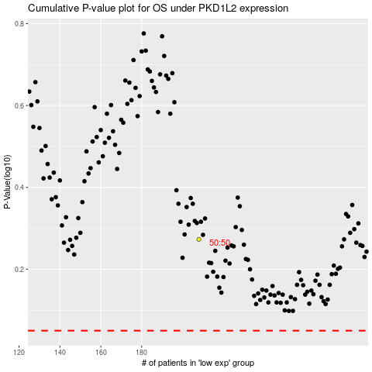

 |  |  |  |  |  | cases_OS | p_OS | rank | exp
 |  |  |  |  |  |  | cases_RFS | p_RFS | rank | exp

