PKD2L1 _multivariate
Reported by Tex Li-Hsing Chi. tex@gate.sinica.edu.tw 2019-08-17

Table 2. The clinicopathological features of HNSCC cohort and PKD2L1 expression. (Chi square test)
Cutoff at -0.168 (49.8%)
 |  | PKD2L1 expression |  | PKD2L1 expression |  | (Optimised)
 | Features | Low | (%) | High | (%) | Case no | P-value | Remark | Matthews
Gender | Female | 153 | 36.9 | 153 | 36.9 | 415 | 1 | 0 | 0
2 | Male | 54 | 13 | 55 | 13.3
Age at diagnosis | <=65y | 138 | 33.3 | 136 | 32.8 | 415 | 0.8634 | 0 | 0
4 | >65y | 69 | 16.6 | 72 | 17.3
Clinical T Status | T1+T2 | 74 | 17.8 | 75 | 18.1 | 415 | 1 | 0 | 0
6 | T3+T4 | 133 | 32 | 133 | 32
Clinical N Status | N0 | 121 | 29.2 | 95 | 22.9 | 415 | 0.0122 | 1 | 0
8 | N1-3 | 86 | 20.7 | 113 | 27.2
Clinical M Status | M0 | 205 | 49.4 | 207 | 49.9 | 415 | 0.6232 | 0 | 0
10 | M1 | 2 | 0.5 | 1 | 0.2
Clinical Stage | Stage I+II | 55 | 13.3 | 47 | 11.3 | 415 | 0.4087 | 0 | 0
12 | Stage III+IV | 152 | 36.6 | 161 | 38.8
Surgical Margin status | Negative | 161 | 38.8 | 157 | 37.8 | 415 | 0.6429 | 0 | 0
14 | Positive | 46 | 11.1 | 51 | 12.3
Tobacco Exposure | Low | 85 | 20.5 | 76 | 18.3 | 415 | 0.3655 | 0 | 0
16 | High | 122 | 29.4 | 132 | 31.8

Table 3. Univariate/Multivariate Cox's proportional hazards regression analyses on OS time of PKD2L1 gene expression in HNSCC

 |  | Univariate |  |  |  | Multivariate
 | Features | HR | CI95%(L) | CI95%(H) | P-value | HR | CI95%(L) | CI95%(H) | P-value
1 | Female | 1 |  |  |  | 1
Gender | Male | 1.157 | 0.843 | 1.587 | 0.367 | 1.208 | 0.864 | 1.688 | 0.269
11 | <=65y | 1 |  |  |  | 1
Age at diagnosis | >65y | 1.329 | 0.99 | 1.784 | 0.058 | 1.409 | 1.036 | 1.915 | 0.029
12 | T1+T2 | 1 |  |  |  | 1
Clinical T Status | T3+T4 | 1.409 | 1.028 | 1.931 | 0.033 | 2.226 | 1.177 | 4.212 | 0.014
13 | N0 | 1 |  |  |  | 1
Clinical N Status | N1-3 | 1.185 | 0.89 | 1.577 | 0.246 | 1.29 | 0.9 | 1.848 | 0.165
14 | M0 | 1 |  |  |  | 1
Clinical M Status | M1 | 4.097 | 1.009 | 16.644 | 0.049 | 9.177 | 2.001 | 42.097 | 0.004
15 | Stage I+II | 1 |  |  |  | 1
Clinical Stage | Stage III+IV | 1.245 | 0.882 | 1.759 | 0.213 | 0.489 | 0.228 | 1.051 | 0.067
16 | Negative | 1 |  |  |  | 1
Surgical Margin status | Positive | 1.591 | 1.155 | 2.191 | 0.004 | 1.715 | 1.238 | 2.375 | 0.001
17 | Low | 1 |  |  |  | 1
Tobacco Exposure | High | 1.364 | 1.008 | 1.844 | 0.044 | 1.476 | 1.069 | 2.036 | 0.018
18 | Low | 1 |  |  |  | 1
RNAseq(z-score) | High | 0.896 | 0.672 | 1.195 | 0.456 | 0.816 | 0.608 | 1.094 | 0.174

Table 4. Univariate/Multivariate Cox's proportional hazards regression analyses on RFS time of PKD2L1 gene expression in HNSCC

 |  | Univariate |  |  |  | Multivariate
 | Features | HR | CI95%(L) | CI95%(H) | P-value | HR | CI95%(L) | CI95%(H) | P-value
1 | Female | 1 |  |  |  | 1
Gender | Male | 1.157 | 0.843 | 1.587 | 0.367 | 1.208 | 0.864 | 1.688 | 0.269
11 | <=65y | 1 |  |  |  | 1
Age at diagnosis | >65y | 1.329 | 0.99 | 1.784 | 0.058 | 1.409 | 1.036 | 1.915 | 0.029
12 | T1+T2 | 1 |  |  |  | 1
Clinical T Status | T3+T4 | 1.409 | 1.028 | 1.931 | 0.033 | 2.226 | 1.177 | 4.212 | 0.014
13 | N0 | 1 |  |  |  | 1
Clinical N Status | N1-3 | 1.185 | 0.89 | 1.577 | 0.246 | 1.29 | 0.9 | 1.848 | 0.165
14 | M0 | 1 |  |  |  | 1
Clinical M Status | M1 | 4.097 | 1.009 | 16.644 | 0.049 | 9.177 | 2.001 | 42.097 | 0.004
15 | Stage I+II | 1 |  |  |  | 1
Clinical Stage | Stage III+IV | 1.245 | 0.882 | 1.759 | 0.213 | 0.489 | 0.228 | 1.051 | 0.067
16 | Negative | 1 |  |  |  | 1
Surgical Margin status | Positive | 1.591 | 1.155 | 2.191 | 0.004 | 1.715 | 1.238 | 2.375 | 0.001
17 | Low | 1 |  |  |  | 1
Tobacco Exposure | High | 1.364 | 1.008 | 1.844 | 0.044 | 1.476 | 1.069 | 2.036 | 0.018
18 | Low | 1 |  |  |  | 1
RNAseq(z-score) | High | 0.896 | 0.672 | 1.195 | 0.456 | 0.816 | 0.608 | 1.094 | 0.174

Kaplan-Meier survival estimate: Cutoff at -0.168 (49.8%)



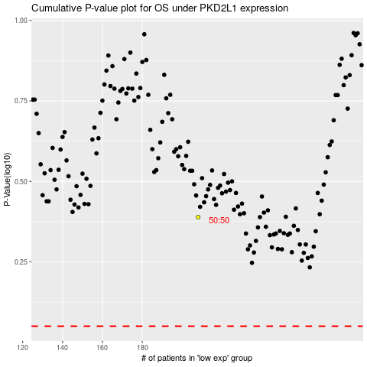

 |  |  |  |  |  | cases_OS | p_OS | rank | exp
 |  |  |  |  |  |  | cases_RFS | p_RFS | rank | exp

