PKIB _multivariate
Reported by Tex Li-Hsing Chi. tex@gate.sinica.edu.tw 2019-08-17

Table 2. The clinicopathological features of HNSCC cohort and PKIB expression. (Chi square test)
Cutoff at -0.471 (30.2%)
 |  | PKIB expression |  | PKIB expression |  | (Optimised)
 | Features | Low | (%) | High | (%) | Case no | P-value | Remark | Matthews
Gender | Female | 96 | 23.1 | 210 | 50.6 | 415 | 0.418 | 0 | 0
2 | Male | 29 | 7 | 80 | 19.3
Age at diagnosis | <=65y | 87 | 21 | 187 | 45.1 | 415 | 0.3698 | 0 | 0
4 | >65y | 38 | 9.2 | 103 | 24.8
Clinical T Status | T1+T2 | 33 | 8 | 116 | 28 | 415 | 0.0111 | 1 | 0
6 | T3+T4 | 92 | 22.2 | 174 | 41.9
Clinical N Status | N0 | 62 | 14.9 | 154 | 37.1 | 415 | 0.5835 | 0 | 0
8 | N1-3 | 63 | 15.2 | 136 | 32.8
Clinical M Status | M0 | 124 | 29.9 | 288 | 69.4 | 415 | 1 | 0 | 0
10 | M1 | 1 | 0.2 | 2 | 0.5
Clinical Stage | Stage I+II | 24 | 5.8 | 78 | 18.8 | 415 | 0.122 | 0 | 0
12 | Stage III+IV | 101 | 24.3 | 212 | 51.1
Surgical Margin status | Negative | 90 | 21.7 | 228 | 54.9 | 415 | 0.1644 | 0 | 0
14 | Positive | 35 | 8.4 | 62 | 14.9
Tobacco Exposure | Low | 48 | 11.6 | 113 | 27.2 | 415 | 1 | 0 | 0
16 | High | 77 | 18.6 | 177 | 42.7

Table 3. Univariate/Multivariate Cox's proportional hazards regression analyses on OS time of PKIB gene expression in HNSCC

 |  | Univariate |  |  |  | Multivariate
 | Features | HR | CI95%(L) | CI95%(H) | P-value | HR | CI95%(L) | CI95%(H) | P-value
1 | Female | 1 |  |  |  | 1
Gender | Male | 1.157 | 0.843 | 1.587 | 0.367 | 1.203 | 0.859 | 1.683 | 0.282
11 | <=65y | 1 |  |  |  | 1
Age at diagnosis | >65y | 1.329 | 0.99 | 1.784 | 0.058 | 1.414 | 1.04 | 1.921 | 0.027
12 | T1+T2 | 1 |  |  |  | 1
Clinical T Status | T3+T4 | 1.409 | 1.028 | 1.931 | 0.033 | 2.127 | 1.124 | 4.024 | 0.02
13 | N0 | 1 |  |  |  | 1
Clinical N Status | N1-3 | 1.185 | 0.89 | 1.577 | 0.246 | 1.241 | 0.87 | 1.77 | 0.234
14 | M0 | 1 |  |  |  | 1
Clinical M Status | M1 | 4.097 | 1.009 | 16.644 | 0.049 | 9.517 | 2.075 | 43.643 | 0.004
15 | Stage I+II | 1 |  |  |  | 1
Clinical Stage | Stage III+IV | 1.245 | 0.882 | 1.759 | 0.213 | 0.512 | 0.238 | 1.1 | 0.086
16 | Negative | 1 |  |  |  | 1
Surgical Margin status | Positive | 1.591 | 1.155 | 2.191 | 0.004 | 1.658 | 1.199 | 2.292 | 0.002
17 | Low | 1 |  |  |  | 1
Tobacco Exposure | High | 1.364 | 1.008 | 1.844 | 0.044 | 1.488 | 1.077 | 2.055 | 0.016
18 | Low | 1 |  |  |  | 1
RNAseq(z-score) | High | 0.733 | 0.544 | 0.988 | 0.042 | 0.73 | 0.54 | 0.987 | 0.041

Table 4. Univariate/Multivariate Cox's proportional hazards regression analyses on RFS time of PKIB gene expression in HNSCC

 |  | Univariate |  |  |  | Multivariate
 | Features | HR | CI95%(L) | CI95%(H) | P-value | HR | CI95%(L) | CI95%(H) | P-value
1 | Female | 1 |  |  |  | 1
Gender | Male | 1.157 | 0.843 | 1.587 | 0.367 | 1.203 | 0.859 | 1.683 | 0.282
11 | <=65y | 1 |  |  |  | 1
Age at diagnosis | >65y | 1.329 | 0.99 | 1.784 | 0.058 | 1.414 | 1.04 | 1.921 | 0.027
12 | T1+T2 | 1 |  |  |  | 1
Clinical T Status | T3+T4 | 1.409 | 1.028 | 1.931 | 0.033 | 2.127 | 1.124 | 4.024 | 0.02
13 | N0 | 1 |  |  |  | 1
Clinical N Status | N1-3 | 1.185 | 0.89 | 1.577 | 0.246 | 1.241 | 0.87 | 1.77 | 0.234
14 | M0 | 1 |  |  |  | 1
Clinical M Status | M1 | 4.097 | 1.009 | 16.644 | 0.049 | 9.517 | 2.075 | 43.643 | 0.004
15 | Stage I+II | 1 |  |  |  | 1
Clinical Stage | Stage III+IV | 1.245 | 0.882 | 1.759 | 0.213 | 0.512 | 0.238 | 1.1 | 0.086
16 | Negative | 1 |  |  |  | 1
Surgical Margin status | Positive | 1.591 | 1.155 | 2.191 | 0.004 | 1.658 | 1.199 | 2.292 | 0.002
17 | Low | 1 |  |  |  | 1
Tobacco Exposure | High | 1.364 | 1.008 | 1.844 | 0.044 | 1.488 | 1.077 | 2.055 | 0.016
18 | Low | 1 |  |  |  | 1
RNAseq(z-score) | High | 0.733 | 0.544 | 0.988 | 0.042 | 0.73 | 0.54 | 0.987 | 0.041

Kaplan-Meier survival estimate: Cutoff at -0.471 (30.2%)



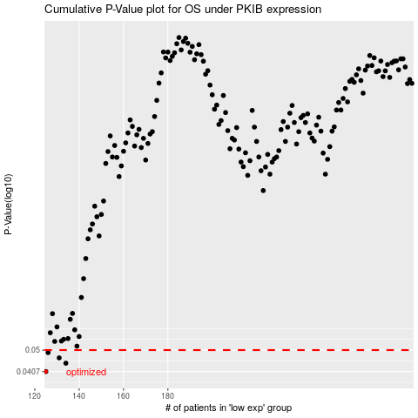

 |  |  |  |  |  | cases_OS | p_OS | rank | exp
 |  |  |  |  |  | 125 | 0.0407 | 235 | -0.47062263816
 |  |  |  |  |  | 134 | 0.0441 | 130 | -0.45830088623
 |  |  |  |  |  | 131 | 0.0464 | 96 | -0.46164149114
 |  |  |  |  |  | 126 | 0.0488 | 93 | -0.47003662114
 |  |  |  |  |  |  | cases_RFS | p_RFS | rank | exp
 |  |  |  |  |  |  |  | 0.0407 | 372 | -0.47062674336
 |  |  |  |  |  |  | 133 | 0.0441 | 180 | -0.45859543419
 |  |  |  |  |  |  | 130 | 0.0464 | 133 | -0.46733334823
 |  |  |  |  |  |  | 125 | 0.0488 | 235 | -0.47062263816

