PKIG _multivariate
Reported by Tex Li-Hsing Chi. tex@gate.sinica.edu.tw 2019-08-17

Table 2. The clinicopathological features of HNSCC cohort and PKIG expression. (Chi square test)
Cutoff at -0.226 (50.0%)
 |  | PKIG expression |  | PKIG expression |  | (Optimised)
 | Features | Low | (%) | High | (%) | Case no | P-value | Remark | Matthews
Gender | Female | 147 | 35.4 | 159 | 38.3 | 415 | 0.2523 | 0 | 0
2 | Male | 60 | 14.5 | 49 | 11.8
Age at diagnosis | <=65y | 134 | 32.3 | 140 | 33.7 | 415 | 0.6529 | 0 | 0
4 | >65y | 73 | 17.6 | 68 | 16.4
Clinical T Status | T1+T2 | 75 | 18.1 | 74 | 17.8 | 415 | 0.9707 | 0 | 0
6 | T3+T4 | 132 | 31.8 | 134 | 32.3
Clinical N Status | N0 | 117 | 28.2 | 99 | 23.9 | 415 | 0.0852 | 1 | 0
8 | N1-3 | 90 | 21.7 | 109 | 26.3
Clinical M Status | M0 | 205 | 49.4 | 207 | 49.9 | 415 | 0.6232 | 0 | 0
10 | M1 | 2 | 0.5 | 1 | 0.2
Clinical Stage | Stage I+II | 49 | 11.8 | 53 | 12.8 | 415 | 0.7535 | 0 | 0
12 | Stage III+IV | 158 | 38.1 | 155 | 37.3
Surgical Margin status | Negative | 159 | 38.3 | 159 | 38.3 | 415 | 1 | 0 | 0
14 | Positive | 48 | 11.6 | 49 | 11.8
Tobacco Exposure | Low | 83 | 20 | 78 | 18.8 | 415 | 0.6152 | 0 | 0
16 | High | 124 | 29.9 | 130 | 31.3

Table 3. Univariate/Multivariate Cox's proportional hazards regression analyses on OS time of PKIG gene expression in HNSCC

 |  | Univariate |  |  |  | Multivariate
 | Features | HR | CI95%(L) | CI95%(H) | P-value | HR | CI95%(L) | CI95%(H) | P-value
1 | Female | 1 |  |  |  | 1
Gender | Male | 1.157 | 0.843 | 1.587 | 0.367 | 1.21 | 0.866 | 1.69 | 0.265
11 | <=65y | 1 |  |  |  | 1
Age at diagnosis | >65y | 1.329 | 0.99 | 1.784 | 0.058 | 1.397 | 1.028 | 1.9 | 0.033
12 | T1+T2 | 1 |  |  |  | 1
Clinical T Status | T3+T4 | 1.409 | 1.028 | 1.931 | 0.033 | 2.161 | 1.142 | 4.092 | 0.018
13 | N0 | 1 |  |  |  | 1
Clinical N Status | N1-3 | 1.185 | 0.89 | 1.577 | 0.246 | 1.214 | 0.848 | 1.74 | 0.289
14 | M0 | 1 |  |  |  | 1
Clinical M Status | M1 | 4.097 | 1.009 | 16.644 | 0.049 | 9.655 | 2.104 | 44.303 | 0.004
15 | Stage I+II | 1 |  |  |  | 1
Clinical Stage | Stage III+IV | 1.245 | 0.882 | 1.759 | 0.213 | 0.526 | 0.244 | 1.137 | 0.102
16 | Negative | 1 |  |  |  | 1
Surgical Margin status | Positive | 1.591 | 1.155 | 2.191 | 0.004 | 1.659 | 1.201 | 2.293 | 0.002
17 | Low | 1 |  |  |  | 1
Tobacco Exposure | High | 1.364 | 1.008 | 1.844 | 0.044 | 1.45 | 1.053 | 1.997 | 0.023
18 | Low | 1 |  |  |  | 1
RNAseq(z-score) | High | 1.134 | 0.851 | 1.511 | 0.389 | 1.13 | 0.843 | 1.514 | 0.413

Table 4. Univariate/Multivariate Cox's proportional hazards regression analyses on RFS time of PKIG gene expression in HNSCC

 |  | Univariate |  |  |  | Multivariate
 | Features | HR | CI95%(L) | CI95%(H) | P-value | HR | CI95%(L) | CI95%(H) | P-value
1 | Female | 1 |  |  |  | 1
Gender | Male | 1.157 | 0.843 | 1.587 | 0.367 | 1.21 | 0.866 | 1.69 | 0.265
11 | <=65y | 1 |  |  |  | 1
Age at diagnosis | >65y | 1.329 | 0.99 | 1.784 | 0.058 | 1.397 | 1.028 | 1.9 | 0.033
12 | T1+T2 | 1 |  |  |  | 1
Clinical T Status | T3+T4 | 1.409 | 1.028 | 1.931 | 0.033 | 2.161 | 1.142 | 4.092 | 0.018
13 | N0 | 1 |  |  |  | 1
Clinical N Status | N1-3 | 1.185 | 0.89 | 1.577 | 0.246 | 1.214 | 0.848 | 1.74 | 0.289
14 | M0 | 1 |  |  |  | 1
Clinical M Status | M1 | 4.097 | 1.009 | 16.644 | 0.049 | 9.655 | 2.104 | 44.303 | 0.004
15 | Stage I+II | 1 |  |  |  | 1
Clinical Stage | Stage III+IV | 1.245 | 0.882 | 1.759 | 0.213 | 0.526 | 0.244 | 1.137 | 0.102
16 | Negative | 1 |  |  |  | 1
Surgical Margin status | Positive | 1.591 | 1.155 | 2.191 | 0.004 | 1.659 | 1.201 | 2.293 | 0.002
17 | Low | 1 |  |  |  | 1
Tobacco Exposure | High | 1.364 | 1.008 | 1.844 | 0.044 | 1.45 | 1.053 | 1.997 | 0.023
18 | Low | 1 |  |  |  | 1
RNAseq(z-score) | High | 1.134 | 0.851 | 1.511 | 0.389 | 1.13 | 0.843 | 1.514 | 0.413

Kaplan-Meier survival estimate: Cutoff at -0.226 (50.0%)



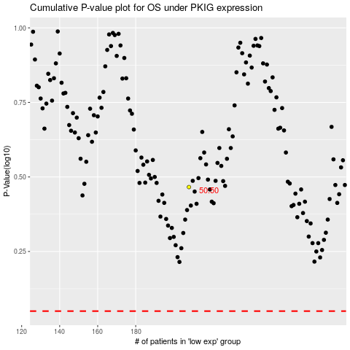

 |  |  |  |  |  | cases_OS | p_OS | rank | exp
 |  |  |  |  |  |  | cases_RFS | p_RFS | rank | exp

