PKMYT1 _multivariate
Reported by Tex Li-Hsing Chi. tex@gate.sinica.edu.tw 2019-08-17

Table 2. The clinicopathological features of HNSCC cohort and PKMYT1 expression. (Chi square test)
Cutoff at -0.303 (40.3%)
 |  | PKMYT1 expression |  | PKMYT1 expression |  | (Optimised)
 | Features | Low | (%) | High | (%) | Case no | P-value | Remark | Matthews
Gender | Female | 119 | 28.7 | 187 | 45.1 | 415 | 0.3202 | 0 | 0
2 | Male | 49 | 11.8 | 60 | 14.5
Age at diagnosis | <=65y | 109 | 26.3 | 165 | 39.8 | 415 | 0.7642 | 0 | 0
4 | >65y | 59 | 14.2 | 82 | 19.8
Clinical T Status | T1+T2 | 66 | 15.9 | 83 | 20 | 415 | 0.28 | 0 | 0
6 | T3+T4 | 102 | 24.6 | 164 | 39.5
Clinical N Status | N0 | 93 | 22.4 | 123 | 29.6 | 415 | 0.3112 | 0 | 0
8 | N1-3 | 75 | 18.1 | 124 | 29.9
Clinical M Status | M0 | 168 | 40.5 | 244 | 58.8 | 415 | 0.2754 | 0 | 0
10 | M1 | 0 | 0 | 3 | 0.7
Clinical Stage | Stage I+II | 48 | 11.6 | 54 | 13 | 415 | 0.1493 | 0 | 0
12 | Stage III+IV | 120 | 28.9 | 193 | 46.5
Surgical Margin status | Negative | 132 | 31.8 | 186 | 44.8 | 415 | 0.4794 | 0 | 0
14 | Positive | 36 | 8.7 | 61 | 14.7
Tobacco Exposure | Low | 70 | 16.9 | 91 | 21.9 | 415 | 0.356 | 0 | 0
16 | High | 98 | 23.6 | 156 | 37.6

Table 3. Univariate/Multivariate Cox's proportional hazards regression analyses on OS time of PKMYT1 gene expression in HNSCC

 |  | Univariate |  |  |  | Multivariate
 | Features | HR | CI95%(L) | CI95%(H) | P-value | HR | CI95%(L) | CI95%(H) | P-value
1 | Female | 1 |  |  |  | 1
Gender | Male | 1.157 | 0.843 | 1.587 | 0.367 | 1.225 | 0.875 | 1.716 | 0.237
11 | <=65y | 1 |  |  |  | 1
Age at diagnosis | >65y | 1.329 | 0.99 | 1.784 | 0.058 | 1.397 | 1.028 | 1.899 | 0.033
12 | T1+T2 | 1 |  |  |  | 1
Clinical T Status | T3+T4 | 1.409 | 1.028 | 1.931 | 0.033 | 2.188 | 1.158 | 4.136 | 0.016
13 | N0 | 1 |  |  |  | 1
Clinical N Status | N1-3 | 1.185 | 0.89 | 1.577 | 0.246 | 1.236 | 0.867 | 1.764 | 0.242
14 | M0 | 1 |  |  |  | 1
Clinical M Status | M1 | 4.097 | 1.009 | 16.644 | 0.049 | 8.606 | 1.871 | 39.595 | 0.006
15 | Stage I+II | 1 |  |  |  | 1
Clinical Stage | Stage III+IV | 1.245 | 0.882 | 1.759 | 0.213 | 0.5 | 0.233 | 1.074 | 0.075
16 | Negative | 1 |  |  |  | 1
Surgical Margin status | Positive | 1.591 | 1.155 | 2.191 | 0.004 | 1.623 | 1.173 | 2.247 | 0.003
17 | Low | 1 |  |  |  | 1
Tobacco Exposure | High | 1.364 | 1.008 | 1.844 | 0.044 | 1.449 | 1.051 | 1.998 | 0.024
18 | Low | 1 |  |  |  | 1
RNAseq(z-score) | High | 1.363 | 1.011 | 1.839 | 0.042 | 1.273 | 0.94 | 1.724 | 0.119

Table 4. Univariate/Multivariate Cox's proportional hazards regression analyses on RFS time of PKMYT1 gene expression in HNSCC

 |  | Univariate |  |  |  | Multivariate
 | Features | HR | CI95%(L) | CI95%(H) | P-value | HR | CI95%(L) | CI95%(H) | P-value
1 | Female | 1 |  |  |  | 1
Gender | Male | 1.157 | 0.843 | 1.587 | 0.367 | 1.225 | 0.875 | 1.716 | 0.237
11 | <=65y | 1 |  |  |  | 1
Age at diagnosis | >65y | 1.329 | 0.99 | 1.784 | 0.058 | 1.397 | 1.028 | 1.899 | 0.033
12 | T1+T2 | 1 |  |  |  | 1
Clinical T Status | T3+T4 | 1.409 | 1.028 | 1.931 | 0.033 | 2.188 | 1.158 | 4.136 | 0.016
13 | N0 | 1 |  |  |  | 1
Clinical N Status | N1-3 | 1.185 | 0.89 | 1.577 | 0.246 | 1.236 | 0.867 | 1.764 | 0.242
14 | M0 | 1 |  |  |  | 1
Clinical M Status | M1 | 4.097 | 1.009 | 16.644 | 0.049 | 8.606 | 1.871 | 39.595 | 0.006
15 | Stage I+II | 1 |  |  |  | 1
Clinical Stage | Stage III+IV | 1.245 | 0.882 | 1.759 | 0.213 | 0.5 | 0.233 | 1.074 | 0.075
16 | Negative | 1 |  |  |  | 1
Surgical Margin status | Positive | 1.591 | 1.155 | 2.191 | 0.004 | 1.623 | 1.173 | 2.247 | 0.003
17 | Low | 1 |  |  |  | 1
Tobacco Exposure | High | 1.364 | 1.008 | 1.844 | 0.044 | 1.449 | 1.051 | 1.998 | 0.024
18 | Low | 1 |  |  |  | 1
RNAseq(z-score) | High | 1.363 | 1.011 | 1.839 | 0.042 | 1.273 | 0.94 | 1.724 | 0.119

Kaplan-Meier survival estimate: Cutoff at -0.303 (40.3%)



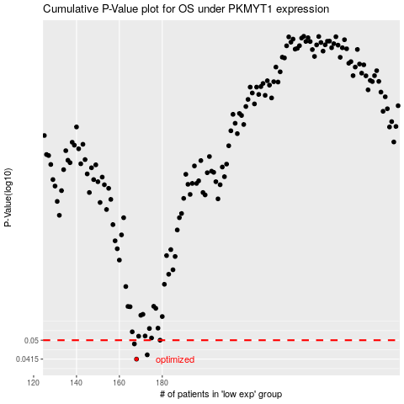

 |  |  |  |  |  | cases_OS | p_OS | rank | exp
 |  |  |  |  |  | 168 | 0.0415 | 180 | -0.30256642098
 |  |  |  |  |  | 173 | 0.0433 | 137 | -0.28839951654
 |  |  |  |  |  | 167 | 0.0482 | 37 | -0.30486958628
 |  |  |  |  |  | 179 | 0.05 | 176 | -0.25622946667
 |  |  |  |  |  |  | cases_RFS | p_RFS | rank | exp
 |  |  |  |  |  |  | 167 | 0.0415 | 37 | -0.30486958628
 |  |  |  |  |  |  | 172 | 0.0433 | 300 | -0.29042951798
 |  |  |  |  |  |  | 166 | 0.0482 | 367 | -0.31141906127
 |  |  |  |  |  |  | 178 | 0.05 | 351 | -0.26378506293

