PKN1 _multivariate
Reported by Tex Li-Hsing Chi. tex@gate.sinica.edu.tw 2019-08-17

Table 2. The clinicopathological features of HNSCC cohort and PKN1 expression. (Chi square test)
Cutoff at -0.292 (49.8%)
 |  | PKN1 expression |  | PKN1 expression |  | (Optimised)
 | Features | Low | (%) | High | (%) | Case no | P-value | Remark | Matthews
Gender | Female | 145 | 34.9 | 161 | 38.8 | 415 | 0.1116 | 0 | 0
2 | Male | 62 | 14.9 | 47 | 11.3
Age at diagnosis | <=65y | 138 | 33.3 | 136 | 32.8 | 415 | 0.8634 | 0 | 0
4 | >65y | 69 | 16.6 | 72 | 17.3
Clinical T Status | T1+T2 | 76 | 18.3 | 73 | 17.6 | 415 | 0.8092 | 0 | 0
6 | T3+T4 | 131 | 31.6 | 135 | 32.5
Clinical N Status | N0 | 107 | 25.8 | 109 | 26.3 | 415 | 0.9624 | 0 | 0
8 | N1-3 | 100 | 24.1 | 99 | 23.9
Clinical M Status | M0 | 205 | 49.4 | 207 | 49.9 | 415 | 0.6232 | 0 | 0
10 | M1 | 2 | 0.5 | 1 | 0.2
Clinical Stage | Stage I+II | 52 | 12.5 | 50 | 12 | 415 | 0.8871 | 0 | 0
12 | Stage III+IV | 155 | 37.3 | 158 | 38.1
Surgical Margin status | Negative | 158 | 38.1 | 160 | 38.6 | 415 | 0.9081 | 0 | 0
14 | Positive | 49 | 11.8 | 48 | 11.6
Tobacco Exposure | Low | 90 | 21.7 | 71 | 17.1 | 415 | 0.0559 | 0 | 0
16 | High | 117 | 28.2 | 137 | 33

Table 3. Univariate/Multivariate Cox's proportional hazards regression analyses on OS time of PKN1 gene expression in HNSCC

 |  | Univariate |  |  |  | Multivariate
 | Features | HR | CI95%(L) | CI95%(H) | P-value | HR | CI95%(L) | CI95%(H) | P-value
1 | Female | 1 |  |  |  | 1
Gender | Male | 1.157 | 0.843 | 1.587 | 0.367 | 1.181 | 0.844 | 1.653 | 0.331
11 | <=65y | 1 |  |  |  | 1
Age at diagnosis | >65y | 1.329 | 0.99 | 1.784 | 0.058 | 1.394 | 1.025 | 1.895 | 0.034
12 | T1+T2 | 1 |  |  |  | 1
Clinical T Status | T3+T4 | 1.409 | 1.028 | 1.931 | 0.033 | 2.256 | 1.192 | 4.272 | 0.012
13 | N0 | 1 |  |  |  | 1
Clinical N Status | N1-3 | 1.185 | 0.89 | 1.577 | 0.246 | 1.255 | 0.879 | 1.792 | 0.211
14 | M0 | 1 |  |  |  | 1
Clinical M Status | M1 | 4.097 | 1.009 | 16.644 | 0.049 | 9.073 | 1.976 | 41.665 | 0.005
15 | Stage I+II | 1 |  |  |  | 1
Clinical Stage | Stage III+IV | 1.245 | 0.882 | 1.759 | 0.213 | 0.487 | 0.227 | 1.049 | 0.066
16 | Negative | 1 |  |  |  | 1
Surgical Margin status | Positive | 1.591 | 1.155 | 2.191 | 0.004 | 1.694 | 1.225 | 2.344 | 0.001
17 | Low | 1 |  |  |  | 1
Tobacco Exposure | High | 1.364 | 1.008 | 1.844 | 0.044 | 1.483 | 1.074 | 2.049 | 0.017
18 | Low | 1 |  |  |  | 1
RNAseq(z-score) | High | 0.868 | 0.652 | 1.156 | 0.333 | 0.833 | 0.622 | 1.116 | 0.22

Table 4. Univariate/Multivariate Cox's proportional hazards regression analyses on RFS time of PKN1 gene expression in HNSCC

 |  | Univariate |  |  |  | Multivariate
 | Features | HR | CI95%(L) | CI95%(H) | P-value | HR | CI95%(L) | CI95%(H) | P-value
1 | Female | 1 |  |  |  | 1
Gender | Male | 1.157 | 0.843 | 1.587 | 0.367 | 1.181 | 0.844 | 1.653 | 0.331
11 | <=65y | 1 |  |  |  | 1
Age at diagnosis | >65y | 1.329 | 0.99 | 1.784 | 0.058 | 1.394 | 1.025 | 1.895 | 0.034
12 | T1+T2 | 1 |  |  |  | 1
Clinical T Status | T3+T4 | 1.409 | 1.028 | 1.931 | 0.033 | 2.256 | 1.192 | 4.272 | 0.012
13 | N0 | 1 |  |  |  | 1
Clinical N Status | N1-3 | 1.185 | 0.89 | 1.577 | 0.246 | 1.255 | 0.879 | 1.792 | 0.211
14 | M0 | 1 |  |  |  | 1
Clinical M Status | M1 | 4.097 | 1.009 | 16.644 | 0.049 | 9.073 | 1.976 | 41.665 | 0.005
15 | Stage I+II | 1 |  |  |  | 1
Clinical Stage | Stage III+IV | 1.245 | 0.882 | 1.759 | 0.213 | 0.487 | 0.227 | 1.049 | 0.066
16 | Negative | 1 |  |  |  | 1
Surgical Margin status | Positive | 1.591 | 1.155 | 2.191 | 0.004 | 1.694 | 1.225 | 2.344 | 0.001
17 | Low | 1 |  |  |  | 1
Tobacco Exposure | High | 1.364 | 1.008 | 1.844 | 0.044 | 1.483 | 1.074 | 2.049 | 0.017
18 | Low | 1 |  |  |  | 1
RNAseq(z-score) | High | 0.868 | 0.652 | 1.156 | 0.333 | 0.833 | 0.622 | 1.116 | 0.22

Kaplan-Meier survival estimate: Cutoff at -0.292 (49.8%)



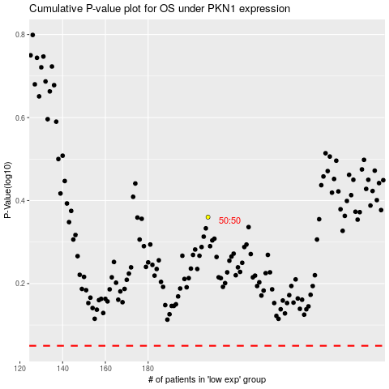

 |  |  |  |  |  | cases_OS | p_OS | rank | exp
 |  |  |  |  |  |  | cases_RFS | p_RFS | rank | exp

