PKN2 _multivariate
Reported by Tex Li-Hsing Chi. tex@gate.sinica.edu.tw 2019-08-17

Table 2. The clinicopathological features of HNSCC cohort and PKN2 expression. (Chi square test)
Cutoff at -0.075 (49.8%)
 |  | PKN2 expression |  | PKN2 expression |  | (Optimised)
 | Features | Low | (%) | High | (%) | Case no | P-value | Remark | Matthews
Gender | Female | 154 | 37.1 | 152 | 36.6 | 415 | 0.8463 | 0 | 0
2 | Male | 53 | 12.8 | 56 | 13.5
Age at diagnosis | <=65y | 139 | 33.5 | 135 | 32.5 | 415 | 0.7044 | 0 | 0
4 | >65y | 68 | 16.4 | 73 | 17.6
Clinical T Status | T1+T2 | 70 | 16.9 | 79 | 19 | 415 | 0.4343 | 0 | 0
6 | T3+T4 | 137 | 33 | 129 | 31.1
Clinical N Status | N0 | 116 | 28 | 100 | 24.1 | 415 | 0.1273 | 1 | 0
8 | N1-3 | 91 | 21.9 | 108 | 26
Clinical M Status | M0 | 205 | 49.4 | 207 | 49.9 | 415 | 0.6232 | 0 | 0
10 | M1 | 2 | 0.5 | 1 | 0.2
Clinical Stage | Stage I+II | 51 | 12.3 | 51 | 12.3 | 415 | 1 | 0 | 0
12 | Stage III+IV | 156 | 37.6 | 157 | 37.8
Surgical Margin status | Negative | 163 | 39.3 | 155 | 37.3 | 415 | 0.3537 | 0 | 0
14 | Positive | 44 | 10.6 | 53 | 12.8
Tobacco Exposure | Low | 76 | 18.3 | 85 | 20.5 | 415 | 0.4207 | 0 | 0
16 | High | 131 | 31.6 | 123 | 29.6

Table 3. Univariate/Multivariate Cox's proportional hazards regression analyses on OS time of PKN2 gene expression in HNSCC

 |  | Univariate |  |  |  | Multivariate
 | Features | HR | CI95%(L) | CI95%(H) | P-value | HR | CI95%(L) | CI95%(H) | P-value
1 | Female | 1 |  |  |  | 1
Gender | Male | 1.157 | 0.843 | 1.587 | 0.367 | 1.203 | 0.862 | 1.678 | 0.277
11 | <=65y | 1 |  |  |  | 1
Age at diagnosis | >65y | 1.329 | 0.99 | 1.784 | 0.058 | 1.384 | 1.018 | 1.882 | 0.038
12 | T1+T2 | 1 |  |  |  | 1
Clinical T Status | T3+T4 | 1.409 | 1.028 | 1.931 | 0.033 | 2.262 | 1.194 | 4.284 | 0.012
13 | N0 | 1 |  |  |  | 1
Clinical N Status | N1-3 | 1.185 | 0.89 | 1.577 | 0.246 | 1.22 | 0.854 | 1.742 | 0.275
14 | M0 | 1 |  |  |  | 1
Clinical M Status | M1 | 4.097 | 1.009 | 16.644 | 0.049 | 10.236 | 2.218 | 47.248 | 0.003
15 | Stage I+II | 1 |  |  |  | 1
Clinical Stage | Stage III+IV | 1.245 | 0.882 | 1.759 | 0.213 | 0.493 | 0.23 | 1.059 | 0.07
16 | Negative | 1 |  |  |  | 1
Surgical Margin status | Positive | 1.591 | 1.155 | 2.191 | 0.004 | 1.678 | 1.214 | 2.319 | 0.002
17 | Low | 1 |  |  |  | 1
Tobacco Exposure | High | 1.364 | 1.008 | 1.844 | 0.044 | 1.457 | 1.058 | 2.005 | 0.021
18 | Low | 1 |  |  |  | 1
RNAseq(z-score) | High | 1.15 | 0.863 | 1.533 | 0.34 | 1.186 | 0.887 | 1.586 | 0.249

Table 4. Univariate/Multivariate Cox's proportional hazards regression analyses on RFS time of PKN2 gene expression in HNSCC

 |  | Univariate |  |  |  | Multivariate
 | Features | HR | CI95%(L) | CI95%(H) | P-value | HR | CI95%(L) | CI95%(H) | P-value
1 | Female | 1 |  |  |  | 1
Gender | Male | 1.157 | 0.843 | 1.587 | 0.367 | 1.203 | 0.862 | 1.678 | 0.277
11 | <=65y | 1 |  |  |  | 1
Age at diagnosis | >65y | 1.329 | 0.99 | 1.784 | 0.058 | 1.384 | 1.018 | 1.882 | 0.038
12 | T1+T2 | 1 |  |  |  | 1
Clinical T Status | T3+T4 | 1.409 | 1.028 | 1.931 | 0.033 | 2.262 | 1.194 | 4.284 | 0.012
13 | N0 | 1 |  |  |  | 1
Clinical N Status | N1-3 | 1.185 | 0.89 | 1.577 | 0.246 | 1.22 | 0.854 | 1.742 | 0.275
14 | M0 | 1 |  |  |  | 1
Clinical M Status | M1 | 4.097 | 1.009 | 16.644 | 0.049 | 10.236 | 2.218 | 47.248 | 0.003
15 | Stage I+II | 1 |  |  |  | 1
Clinical Stage | Stage III+IV | 1.245 | 0.882 | 1.759 | 0.213 | 0.493 | 0.23 | 1.059 | 0.07
16 | Negative | 1 |  |  |  | 1
Surgical Margin status | Positive | 1.591 | 1.155 | 2.191 | 0.004 | 1.678 | 1.214 | 2.319 | 0.002
17 | Low | 1 |  |  |  | 1
Tobacco Exposure | High | 1.364 | 1.008 | 1.844 | 0.044 | 1.457 | 1.058 | 2.005 | 0.021
18 | Low | 1 |  |  |  | 1
RNAseq(z-score) | High | 1.15 | 0.863 | 1.533 | 0.34 | 1.186 | 0.887 | 1.586 | 0.249

Kaplan-Meier survival estimate: Cutoff at -0.075 (49.8%)

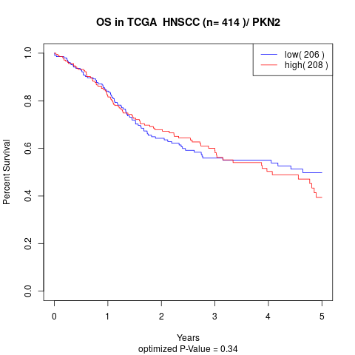

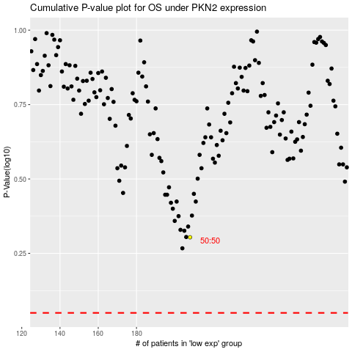

 |  |  |  |  |  | cases_OS | p_OS | rank | exp
 |  |  |  |  |  |  | cases_RFS | p_RFS | rank | exp

