PKNOX1 _multivariate
Reported by Tex Li-Hsing Chi. tex@gate.sinica.edu.tw 2019-08-17

Table 2. The clinicopathological features of HNSCC cohort and PKNOX1 expression. (Chi square test)
Cutoff at -0.102 (49.8%)
 |  | PKNOX1 expression |  | PKNOX1 expression |  | (Optimised)
 | Features | Low | (%) | High | (%) | Case no | P-value | Remark | Matthews
Gender | Female | 154 | 37.1 | 152 | 36.6 | 415 | 0.8463 | 0 | 0
2 | Male | 53 | 12.8 | 56 | 13.5
Age at diagnosis | <=65y | 129 | 31.1 | 145 | 34.9 | 415 | 0.1372 | 0 | 0
4 | >65y | 78 | 18.8 | 63 | 15.2
Clinical T Status | T1+T2 | 52 | 12.5 | 97 | 23.4 | 415 | 0 | 1 | 0
6 | T3+T4 | 155 | 37.3 | 111 | 26.7
Clinical N Status | N0 | 102 | 24.6 | 114 | 27.5 | 415 | 0.3031 | 0 | 0
8 | N1-3 | 105 | 25.3 | 94 | 22.7
Clinical M Status | M0 | 207 | 49.9 | 205 | 49.4 | 415 | 0.2482 | 0 | 0
10 | M1 | 0 | 0 | 3 | 0.7
Clinical Stage | Stage I+II | 37 | 8.9 | 65 | 15.7 | 415 | 0.0023 | 1 | 0
12 | Stage III+IV | 170 | 41 | 143 | 34.5
Surgical Margin status | Negative | 158 | 38.1 | 160 | 38.6 | 415 | 0.9081 | 0 | 0
14 | Positive | 49 | 11.8 | 48 | 11.6
Tobacco Exposure | Low | 76 | 18.3 | 85 | 20.5 | 415 | 0.4207 | 0 | 0
16 | High | 131 | 31.6 | 123 | 29.6

Table 3. Univariate/Multivariate Cox's proportional hazards regression analyses on OS time of PKNOX1 gene expression in HNSCC

 |  | Univariate |  |  |  | Multivariate
 | Features | HR | CI95%(L) | CI95%(H) | P-value | HR | CI95%(L) | CI95%(H) | P-value
1 | Female | 1 |  |  |  | 1
Gender | Male | 1.157 | 0.843 | 1.587 | 0.367 | 1.195 | 0.855 | 1.67 | 0.298
11 | <=65y | 1 |  |  |  | 1
Age at diagnosis | >65y | 1.329 | 0.99 | 1.784 | 0.058 | 1.409 | 1.035 | 1.918 | 0.029
12 | T1+T2 | 1 |  |  |  | 1
Clinical T Status | T3+T4 | 1.409 | 1.028 | 1.931 | 0.033 | 2.319 | 1.221 | 4.405 | 0.01
13 | N0 | 1 |  |  |  | 1
Clinical N Status | N1-3 | 1.185 | 0.89 | 1.577 | 0.246 | 1.248 | 0.875 | 1.78 | 0.222
14 | M0 | 1 |  |  |  | 1
Clinical M Status | M1 | 4.097 | 1.009 | 16.644 | 0.049 | 8.812 | 1.917 | 40.506 | 0.005
15 | Stage I+II | 1 |  |  |  | 1
Clinical Stage | Stage III+IV | 1.245 | 0.882 | 1.759 | 0.213 | 0.496 | 0.231 | 1.065 | 0.072
16 | Negative | 1 |  |  |  | 1
Surgical Margin status | Positive | 1.591 | 1.155 | 2.191 | 0.004 | 1.674 | 1.211 | 2.314 | 0.002
17 | Low | 1 |  |  |  | 1
Tobacco Exposure | High | 1.364 | 1.008 | 1.844 | 0.044 | 1.463 | 1.061 | 2.018 | 0.02
18 | Low | 1 |  |  |  | 1
RNAseq(z-score) | High | 1.131 | 0.848 | 1.51 | 0.402 | 1.234 | 0.918 | 1.659 | 0.164

Table 4. Univariate/Multivariate Cox's proportional hazards regression analyses on RFS time of PKNOX1 gene expression in HNSCC

 |  | Univariate |  |  |  | Multivariate
 | Features | HR | CI95%(L) | CI95%(H) | P-value | HR | CI95%(L) | CI95%(H) | P-value
1 | Female | 1 |  |  |  | 1
Gender | Male | 1.157 | 0.843 | 1.587 | 0.367 | 1.195 | 0.855 | 1.67 | 0.298
11 | <=65y | 1 |  |  |  | 1
Age at diagnosis | >65y | 1.329 | 0.99 | 1.784 | 0.058 | 1.409 | 1.035 | 1.918 | 0.029
12 | T1+T2 | 1 |  |  |  | 1
Clinical T Status | T3+T4 | 1.409 | 1.028 | 1.931 | 0.033 | 2.319 | 1.221 | 4.405 | 0.01
13 | N0 | 1 |  |  |  | 1
Clinical N Status | N1-3 | 1.185 | 0.89 | 1.577 | 0.246 | 1.248 | 0.875 | 1.78 | 0.222
14 | M0 | 1 |  |  |  | 1
Clinical M Status | M1 | 4.097 | 1.009 | 16.644 | 0.049 | 8.812 | 1.917 | 40.506 | 0.005
15 | Stage I+II | 1 |  |  |  | 1
Clinical Stage | Stage III+IV | 1.245 | 0.882 | 1.759 | 0.213 | 0.496 | 0.231 | 1.065 | 0.072
16 | Negative | 1 |  |  |  | 1
Surgical Margin status | Positive | 1.591 | 1.155 | 2.191 | 0.004 | 1.674 | 1.211 | 2.314 | 0.002
17 | Low | 1 |  |  |  | 1
Tobacco Exposure | High | 1.364 | 1.008 | 1.844 | 0.044 | 1.463 | 1.061 | 2.018 | 0.02
18 | Low | 1 |  |  |  | 1
RNAseq(z-score) | High | 1.131 | 0.848 | 1.51 | 0.402 | 1.234 | 0.918 | 1.659 | 0.164

Kaplan-Meier survival estimate: Cutoff at -0.102 (49.8%)



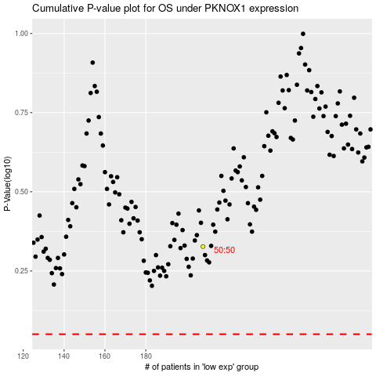

 |  |  |  |  |  | cases_OS | p_OS | rank | exp
 |  |  |  |  |  |  | cases_RFS | p_RFS | rank | exp

