PKNOX2 _multivariate
Reported by Tex Li-Hsing Chi. tex@gate.sinica.edu.tw 2019-08-17

Table 2. The clinicopathological features of HNSCC cohort and PKNOX2 expression. (Chi square test)
Cutoff at -0.254 (50.0%)
 |  | PKNOX2 expression |  | PKNOX2 expression |  | (Optimised)
 | Features | Low | (%) | High | (%) | Case no | P-value | Remark | Matthews
Gender | Female | 156 | 37.6 | 150 | 36.1 | 415 | 0.5222 | 0 | 0
2 | Male | 51 | 12.3 | 58 | 14
Age at diagnosis | <=65y | 134 | 32.3 | 140 | 33.7 | 415 | 0.6529 | 0 | 0
4 | >65y | 73 | 17.6 | 68 | 16.4
Clinical T Status | T1+T2 | 73 | 17.6 | 76 | 18.3 | 415 | 0.8666 | 0 | 0
6 | T3+T4 | 134 | 32.3 | 132 | 31.8
Clinical N Status | N0 | 107 | 25.8 | 109 | 26.3 | 415 | 0.9624 | 0 | 0
8 | N1-3 | 100 | 24.1 | 99 | 23.9
Clinical M Status | M0 | 204 | 49.2 | 208 | 50.1 | 415 | 0.1232 | 0 | 0
10 | M1 | 3 | 0.7 | 0 | 0
Clinical Stage | Stage I+II | 46 | 11.1 | 56 | 13.5 | 415 | 0.3182 | 0 | 0
12 | Stage III+IV | 161 | 38.8 | 152 | 36.6
Surgical Margin status | Negative | 159 | 38.3 | 159 | 38.3 | 415 | 1 | 0 | 0
14 | Positive | 48 | 11.6 | 49 | 11.8
Tobacco Exposure | Low | 83 | 20 | 78 | 18.8 | 415 | 0.6152 | 0 | 0
16 | High | 124 | 29.9 | 130 | 31.3

Table 3. Univariate/Multivariate Cox's proportional hazards regression analyses on OS time of PKNOX2 gene expression in HNSCC

 |  | Univariate |  |  |  | Multivariate
 | Features | HR | CI95%(L) | CI95%(H) | P-value | HR | CI95%(L) | CI95%(H) | P-value
1 | Female | 1 |  |  |  | 1
Gender | Male | 1.157 | 0.843 | 1.587 | 0.367 | 1.207 | 0.864 | 1.688 | 0.27
11 | <=65y | 1 |  |  |  | 1
Age at diagnosis | >65y | 1.329 | 0.99 | 1.784 | 0.058 | 1.389 | 1.022 | 1.887 | 0.036
12 | T1+T2 | 1 |  |  |  | 1
Clinical T Status | T3+T4 | 1.409 | 1.028 | 1.931 | 0.033 | 2.226 | 1.177 | 4.212 | 0.014
13 | N0 | 1 |  |  |  | 1
Clinical N Status | N1-3 | 1.185 | 0.89 | 1.577 | 0.246 | 1.246 | 0.873 | 1.778 | 0.226
14 | M0 | 1 |  |  |  | 1
Clinical M Status | M1 | 4.097 | 1.009 | 16.644 | 0.049 | 9.016 | 1.959 | 41.486 | 0.005
15 | Stage I+II | 1 |  |  |  | 1
Clinical Stage | Stage III+IV | 1.245 | 0.882 | 1.759 | 0.213 | 0.494 | 0.23 | 1.063 | 0.071
16 | Negative | 1 |  |  |  | 1
Surgical Margin status | Positive | 1.591 | 1.155 | 2.191 | 0.004 | 1.692 | 1.222 | 2.341 | 0.002
17 | Low | 1 |  |  |  | 1
Tobacco Exposure | High | 1.364 | 1.008 | 1.844 | 0.044 | 1.459 | 1.058 | 2.012 | 0.021
18 | Low | 1 |  |  |  | 1
RNAseq(z-score) | High | 0.921 | 0.691 | 1.226 | 0.573 | 0.895 | 0.669 | 1.197 | 0.455

Table 4. Univariate/Multivariate Cox's proportional hazards regression analyses on RFS time of PKNOX2 gene expression in HNSCC

 |  | Univariate |  |  |  | Multivariate
 | Features | HR | CI95%(L) | CI95%(H) | P-value | HR | CI95%(L) | CI95%(H) | P-value
1 | Female | 1 |  |  |  | 1
Gender | Male | 1.157 | 0.843 | 1.587 | 0.367 | 1.207 | 0.864 | 1.688 | 0.27
11 | <=65y | 1 |  |  |  | 1
Age at diagnosis | >65y | 1.329 | 0.99 | 1.784 | 0.058 | 1.389 | 1.022 | 1.887 | 0.036
12 | T1+T2 | 1 |  |  |  | 1
Clinical T Status | T3+T4 | 1.409 | 1.028 | 1.931 | 0.033 | 2.226 | 1.177 | 4.212 | 0.014
13 | N0 | 1 |  |  |  | 1
Clinical N Status | N1-3 | 1.185 | 0.89 | 1.577 | 0.246 | 1.246 | 0.873 | 1.778 | 0.226
14 | M0 | 1 |  |  |  | 1
Clinical M Status | M1 | 4.097 | 1.009 | 16.644 | 0.049 | 9.016 | 1.959 | 41.486 | 0.005
15 | Stage I+II | 1 |  |  |  | 1
Clinical Stage | Stage III+IV | 1.245 | 0.882 | 1.759 | 0.213 | 0.494 | 0.23 | 1.063 | 0.071
16 | Negative | 1 |  |  |  | 1
Surgical Margin status | Positive | 1.591 | 1.155 | 2.191 | 0.004 | 1.692 | 1.222 | 2.341 | 0.002
17 | Low | 1 |  |  |  | 1
Tobacco Exposure | High | 1.364 | 1.008 | 1.844 | 0.044 | 1.459 | 1.058 | 2.012 | 0.021
18 | Low | 1 |  |  |  | 1
RNAseq(z-score) | High | 0.921 | 0.691 | 1.226 | 0.573 | 0.895 | 0.669 | 1.197 | 0.455

Kaplan-Meier survival estimate: Cutoff at -0.254 (50.0%)



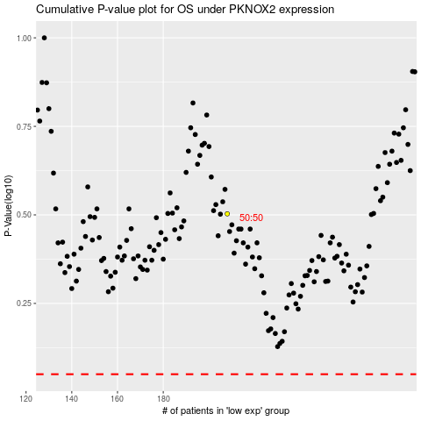

 |  |  |  |  |  | cases_OS | p_OS | rank | exp
 |  |  |  |  |  |  | cases_RFS | p_RFS | rank | exp

