PKP3 _multivariate
Reported by Tex Li-Hsing Chi. tex@gate.sinica.edu.tw 2019-08-17

Table 2. The clinicopathological features of HNSCC cohort and PKP3 expression. (Chi square test)
Cutoff at -0.164 (50.0%)
 |  | PKP3 expression |  | PKP3 expression |  | (Optimised)
 | Features | Low | (%) | High | (%) | Case no | P-value | Remark | Matthews
Gender | Female | 157 | 37.8 | 149 | 35.9 | 415 | 0.3881 | 0 | 0
2 | Male | 50 | 12 | 59 | 14.2
Age at diagnosis | <=65y | 139 | 33.5 | 135 | 32.5 | 415 | 0.7044 | 0 | 0
4 | >65y | 68 | 16.4 | 73 | 17.6
Clinical T Status | T1+T2 | 76 | 18.3 | 73 | 17.6 | 415 | 0.8092 | 0 | 0
6 | T3+T4 | 131 | 31.6 | 135 | 32.5
Clinical N Status | N0 | 106 | 25.5 | 110 | 26.5 | 415 | 0.8075 | 0 | 0
8 | N1-3 | 101 | 24.3 | 98 | 23.6
Clinical M Status | M0 | 206 | 49.6 | 206 | 49.6 | 415 | 1 | 0 | 0
10 | M1 | 1 | 0.2 | 2 | 0.5
Clinical Stage | Stage I+II | 48 | 11.6 | 54 | 13 | 415 | 0.5878 | 0 | 0
12 | Stage III+IV | 159 | 38.3 | 154 | 37.1
Surgical Margin status | Negative | 152 | 36.6 | 166 | 40 | 415 | 0.1329 | 0 | 0
14 | Positive | 55 | 13.3 | 42 | 10.1
Tobacco Exposure | Low | 64 | 15.4 | 97 | 23.4 | 415 | 0.0012 | 1 | 0
16 | High | 143 | 34.5 | 111 | 26.7

Table 3. Univariate/Multivariate Cox's proportional hazards regression analyses on OS time of PKP3 gene expression in HNSCC

 |  | Univariate |  |  |  | Multivariate
 | Features | HR | CI95%(L) | CI95%(H) | P-value | HR | CI95%(L) | CI95%(H) | P-value
1 | Female | 1 |  |  |  | 1
Gender | Male | 1.157 | 0.843 | 1.587 | 0.367 | 1.203 | 0.861 | 1.681 | 0.278
11 | <=65y | 1 |  |  |  | 1
Age at diagnosis | >65y | 1.329 | 0.99 | 1.784 | 0.058 | 1.392 | 1.024 | 1.893 | 0.035
12 | T1+T2 | 1 |  |  |  | 1
Clinical T Status | T3+T4 | 1.409 | 1.028 | 1.931 | 0.033 | 2.213 | 1.168 | 4.192 | 0.015
13 | N0 | 1 |  |  |  | 1
Clinical N Status | N1-3 | 1.185 | 0.89 | 1.577 | 0.246 | 1.242 | 0.871 | 1.773 | 0.232
14 | M0 | 1 |  |  |  | 1
Clinical M Status | M1 | 4.097 | 1.009 | 16.644 | 0.049 | 9.534 | 2.068 | 43.956 | 0.004
15 | Stage I+II | 1 |  |  |  | 1
Clinical Stage | Stage III+IV | 1.245 | 0.882 | 1.759 | 0.213 | 0.501 | 0.233 | 1.079 | 0.077
16 | Negative | 1 |  |  |  | 1
Surgical Margin status | Positive | 1.591 | 1.155 | 2.191 | 0.004 | 1.67 | 1.209 | 2.308 | 0.002
17 | Low | 1 |  |  |  | 1
Tobacco Exposure | High | 1.364 | 1.008 | 1.844 | 0.044 | 1.447 | 1.048 | 1.999 | 0.025
18 | Low | 1 |  |  |  | 1
RNAseq(z-score) | High | 0.97 | 0.726 | 1.295 | 0.835 | 0.97 | 0.723 | 1.303 | 0.842

Table 4. Univariate/Multivariate Cox's proportional hazards regression analyses on RFS time of PKP3 gene expression in HNSCC

 |  | Univariate |  |  |  | Multivariate
 | Features | HR | CI95%(L) | CI95%(H) | P-value | HR | CI95%(L) | CI95%(H) | P-value
1 | Female | 1 |  |  |  | 1
Gender | Male | 1.157 | 0.843 | 1.587 | 0.367 | 1.203 | 0.861 | 1.681 | 0.278
11 | <=65y | 1 |  |  |  | 1
Age at diagnosis | >65y | 1.329 | 0.99 | 1.784 | 0.058 | 1.392 | 1.024 | 1.893 | 0.035
12 | T1+T2 | 1 |  |  |  | 1
Clinical T Status | T3+T4 | 1.409 | 1.028 | 1.931 | 0.033 | 2.213 | 1.168 | 4.192 | 0.015
13 | N0 | 1 |  |  |  | 1
Clinical N Status | N1-3 | 1.185 | 0.89 | 1.577 | 0.246 | 1.242 | 0.871 | 1.773 | 0.232
14 | M0 | 1 |  |  |  | 1
Clinical M Status | M1 | 4.097 | 1.009 | 16.644 | 0.049 | 9.534 | 2.068 | 43.956 | 0.004
15 | Stage I+II | 1 |  |  |  | 1
Clinical Stage | Stage III+IV | 1.245 | 0.882 | 1.759 | 0.213 | 0.501 | 0.233 | 1.079 | 0.077
16 | Negative | 1 |  |  |  | 1
Surgical Margin status | Positive | 1.591 | 1.155 | 2.191 | 0.004 | 1.67 | 1.209 | 2.308 | 0.002
17 | Low | 1 |  |  |  | 1
Tobacco Exposure | High | 1.364 | 1.008 | 1.844 | 0.044 | 1.447 | 1.048 | 1.999 | 0.025
18 | Low | 1 |  |  |  | 1
RNAseq(z-score) | High | 0.97 | 0.726 | 1.295 | 0.835 | 0.97 | 0.723 | 1.303 | 0.842

Kaplan-Meier survival estimate: Cutoff at -0.164 (50.0%)



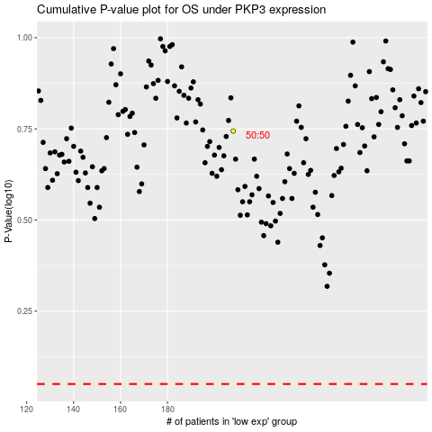

 |  |  |  |  |  | cases_OS | p_OS | rank | exp
 |  |  |  |  |  |  | cases_RFS | p_RFS | rank | exp

