PKP4 _multivariate
Reported by Tex Li-Hsing Chi. tex@gate.sinica.edu.tw 2019-08-17

Table 2. The clinicopathological features of HNSCC cohort and PKP4 expression. (Chi square test)
Cutoff at -0.221 (49.8%)
 |  | PKP4 expression |  | PKP4 expression |  | (Optimised)
 | Features | Low | (%) | High | (%) | Case no | P-value | Remark | Matthews
Gender | Female | 136 | 32.8 | 170 | 41 | 415 | 3e-04 | 1 | 0
2 | Male | 71 | 17.1 | 38 | 9.2
Age at diagnosis | <=65y | 127 | 30.6 | 147 | 35.4 | 415 | 0.0573 | 0 | 0
4 | >65y | 80 | 19.3 | 61 | 14.7
Clinical T Status | T1+T2 | 78 | 18.8 | 71 | 17.1 | 415 | 0.5152 | 0 | 0
6 | T3+T4 | 129 | 31.1 | 137 | 33
Clinical N Status | N0 | 114 | 27.5 | 102 | 24.6 | 415 | 0.2576 | 1 | 0
8 | N1-3 | 93 | 22.4 | 106 | 25.5
Clinical M Status | M0 | 205 | 49.4 | 207 | 49.9 | 415 | 0.6232 | 0 | 0
10 | M1 | 2 | 0.5 | 1 | 0.2
Clinical Stage | Stage I+II | 56 | 13.5 | 46 | 11.1 | 415 | 0.2918 | 0 | 0
12 | Stage III+IV | 151 | 36.4 | 162 | 39
Surgical Margin status | Negative | 161 | 38.8 | 157 | 37.8 | 415 | 0.6429 | 0 | 0
14 | Positive | 46 | 11.1 | 51 | 12.3
Tobacco Exposure | Low | 96 | 23.1 | 65 | 15.7 | 415 | 0.0018 | 1 | 0
16 | High | 111 | 26.7 | 143 | 34.5

Table 3. Univariate/Multivariate Cox's proportional hazards regression analyses on OS time of PKP4 gene expression in HNSCC

 |  | Univariate |  |  |  | Multivariate
 | Features | HR | CI95%(L) | CI95%(H) | P-value | HR | CI95%(L) | CI95%(H) | P-value
1 | Female | 1 |  |  |  | 1
Gender | Male | 1.157 | 0.843 | 1.587 | 0.367 | 1.185 | 0.845 | 1.663 | 0.325
11 | <=65y | 1 |  |  |  | 1
Age at diagnosis | >65y | 1.329 | 0.99 | 1.784 | 0.058 | 1.387 | 1.02 | 1.886 | 0.037
12 | T1+T2 | 1 |  |  |  | 1
Clinical T Status | T3+T4 | 1.409 | 1.028 | 1.931 | 0.033 | 2.18 | 1.151 | 4.126 | 0.017
13 | N0 | 1 |  |  |  | 1
Clinical N Status | N1-3 | 1.185 | 0.89 | 1.577 | 0.246 | 1.246 | 0.873 | 1.778 | 0.226
14 | M0 | 1 |  |  |  | 1
Clinical M Status | M1 | 4.097 | 1.009 | 16.644 | 0.049 | 9.168 | 1.994 | 42.157 | 0.004
15 | Stage I+II | 1 |  |  |  | 1
Clinical Stage | Stage III+IV | 1.245 | 0.882 | 1.759 | 0.213 | 0.512 | 0.238 | 1.1 | 0.086
16 | Negative | 1 |  |  |  | 1
Surgical Margin status | Positive | 1.591 | 1.155 | 2.191 | 0.004 | 1.664 | 1.204 | 2.3 | 0.002
17 | Low | 1 |  |  |  | 1
Tobacco Exposure | High | 1.364 | 1.008 | 1.844 | 0.044 | 1.474 | 1.064 | 2.041 | 0.02
18 | Low | 1 |  |  |  | 1
RNAseq(z-score) | High | 0.939 | 0.704 | 1.254 | 0.671 | 0.926 | 0.683 | 1.256 | 0.62

Table 4. Univariate/Multivariate Cox's proportional hazards regression analyses on RFS time of PKP4 gene expression in HNSCC

 |  | Univariate |  |  |  | Multivariate
 | Features | HR | CI95%(L) | CI95%(H) | P-value | HR | CI95%(L) | CI95%(H) | P-value
1 | Female | 1 |  |  |  | 1
Gender | Male | 1.157 | 0.843 | 1.587 | 0.367 | 1.185 | 0.845 | 1.663 | 0.325
11 | <=65y | 1 |  |  |  | 1
Age at diagnosis | >65y | 1.329 | 0.99 | 1.784 | 0.058 | 1.387 | 1.02 | 1.886 | 0.037
12 | T1+T2 | 1 |  |  |  | 1
Clinical T Status | T3+T4 | 1.409 | 1.028 | 1.931 | 0.033 | 2.18 | 1.151 | 4.126 | 0.017
13 | N0 | 1 |  |  |  | 1
Clinical N Status | N1-3 | 1.185 | 0.89 | 1.577 | 0.246 | 1.246 | 0.873 | 1.778 | 0.226
14 | M0 | 1 |  |  |  | 1
Clinical M Status | M1 | 4.097 | 1.009 | 16.644 | 0.049 | 9.168 | 1.994 | 42.157 | 0.004
15 | Stage I+II | 1 |  |  |  | 1
Clinical Stage | Stage III+IV | 1.245 | 0.882 | 1.759 | 0.213 | 0.512 | 0.238 | 1.1 | 0.086
16 | Negative | 1 |  |  |  | 1
Surgical Margin status | Positive | 1.591 | 1.155 | 2.191 | 0.004 | 1.664 | 1.204 | 2.3 | 0.002
17 | Low | 1 |  |  |  | 1
Tobacco Exposure | High | 1.364 | 1.008 | 1.844 | 0.044 | 1.474 | 1.064 | 2.041 | 0.02
18 | Low | 1 |  |  |  | 1
RNAseq(z-score) | High | 0.939 | 0.704 | 1.254 | 0.671 | 0.926 | 0.683 | 1.256 | 0.62

Kaplan-Meier survival estimate: Cutoff at -0.221 (49.8%)



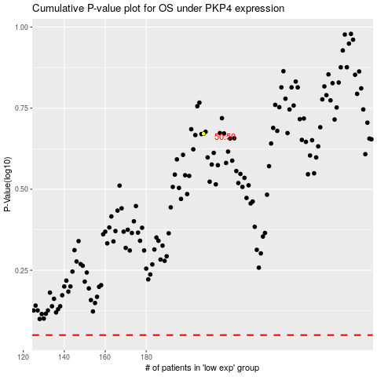

 |  |  |  |  |  | cases_OS | p_OS | rank | exp
 |  |  |  |  |  |  | cases_RFS | p_RFS | rank | exp

