PLA1A _multivariate
Reported by Tex Li-Hsing Chi. tex@gate.sinica.edu.tw 2019-08-17

Table 2. The clinicopathological features of HNSCC cohort and PLA1A expression. (Chi square test)
Cutoff at -0.388 (50.0%)
 |  | PLA1A expression |  | PLA1A expression |  | (Optimised)
 | Features | Low | (%) | High | (%) | Case no | P-value | Remark | Matthews
Gender | Female | 157 | 37.8 | 149 | 35.9 | 415 | 0.3881 | 0 | 0
2 | Male | 50 | 12 | 59 | 14.2
Age at diagnosis | <=65y | 136 | 32.8 | 138 | 33.3 | 415 | 0.9719 | 0 | 0
4 | >65y | 71 | 17.1 | 70 | 16.9
Clinical T Status | T1+T2 | 69 | 16.6 | 80 | 19.3 | 415 | 0.3239 | 0 | 0
6 | T3+T4 | 138 | 33.3 | 128 | 30.8
Clinical N Status | N0 | 118 | 28.4 | 98 | 23.6 | 415 | 0.0551 | 1 | 0
8 | N1-3 | 89 | 21.4 | 110 | 26.5
Clinical M Status | M0 | 204 | 49.2 | 208 | 50.1 | 415 | 0.1232 | 0 | 0
10 | M1 | 3 | 0.7 | 0 | 0
Clinical Stage | Stage I+II | 51 | 12.3 | 51 | 12.3 | 415 | 1 | 0 | 0
12 | Stage III+IV | 156 | 37.6 | 157 | 37.8
Surgical Margin status | Negative | 159 | 38.3 | 159 | 38.3 | 415 | 1 | 0 | 0
14 | Positive | 48 | 11.6 | 49 | 11.8
Tobacco Exposure | Low | 81 | 19.5 | 80 | 19.3 | 415 | 0.9199 | 0 | 0
16 | High | 126 | 30.4 | 128 | 30.8

Table 3. Univariate/Multivariate Cox's proportional hazards regression analyses on OS time of PLA1A gene expression in HNSCC

 |  | Univariate |  |  |  | Multivariate
 | Features | HR | CI95%(L) | CI95%(H) | P-value | HR | CI95%(L) | CI95%(H) | P-value
1 | Female | 1 |  |  |  | 1
Gender | Male | 1.157 | 0.843 | 1.587 | 0.367 | 1.208 | 0.864 | 1.689 | 0.27
11 | <=65y | 1 |  |  |  | 1
Age at diagnosis | >65y | 1.329 | 0.99 | 1.784 | 0.058 | 1.381 | 1.016 | 1.879 | 0.04
12 | T1+T2 | 1 |  |  |  | 1
Clinical T Status | T3+T4 | 1.409 | 1.028 | 1.931 | 0.033 | 2.186 | 1.156 | 4.134 | 0.016
13 | N0 | 1 |  |  |  | 1
Clinical N Status | N1-3 | 1.185 | 0.89 | 1.577 | 0.246 | 1.252 | 0.877 | 1.787 | 0.216
14 | M0 | 1 |  |  |  | 1
Clinical M Status | M1 | 4.097 | 1.009 | 16.644 | 0.049 | 8.754 | 1.893 | 40.477 | 0.005
15 | Stage I+II | 1 |  |  |  | 1
Clinical Stage | Stage III+IV | 1.245 | 0.882 | 1.759 | 0.213 | 0.511 | 0.238 | 1.096 | 0.085
16 | Negative | 1 |  |  |  | 1
Surgical Margin status | Positive | 1.591 | 1.155 | 2.191 | 0.004 | 1.691 | 1.222 | 2.34 | 0.002
17 | Low | 1 |  |  |  | 1
Tobacco Exposure | High | 1.364 | 1.008 | 1.844 | 0.044 | 1.455 | 1.055 | 2.006 | 0.022
18 | Low | 1 |  |  |  | 1
RNAseq(z-score) | High | 0.887 | 0.666 | 1.182 | 0.414 | 0.881 | 0.658 | 1.181 | 0.397

Table 4. Univariate/Multivariate Cox's proportional hazards regression analyses on RFS time of PLA1A gene expression in HNSCC

 |  | Univariate |  |  |  | Multivariate
 | Features | HR | CI95%(L) | CI95%(H) | P-value | HR | CI95%(L) | CI95%(H) | P-value
1 | Female | 1 |  |  |  | 1
Gender | Male | 1.157 | 0.843 | 1.587 | 0.367 | 1.208 | 0.864 | 1.689 | 0.27
11 | <=65y | 1 |  |  |  | 1
Age at diagnosis | >65y | 1.329 | 0.99 | 1.784 | 0.058 | 1.381 | 1.016 | 1.879 | 0.04
12 | T1+T2 | 1 |  |  |  | 1
Clinical T Status | T3+T4 | 1.409 | 1.028 | 1.931 | 0.033 | 2.186 | 1.156 | 4.134 | 0.016
13 | N0 | 1 |  |  |  | 1
Clinical N Status | N1-3 | 1.185 | 0.89 | 1.577 | 0.246 | 1.252 | 0.877 | 1.787 | 0.216
14 | M0 | 1 |  |  |  | 1
Clinical M Status | M1 | 4.097 | 1.009 | 16.644 | 0.049 | 8.754 | 1.893 | 40.477 | 0.005
15 | Stage I+II | 1 |  |  |  | 1
Clinical Stage | Stage III+IV | 1.245 | 0.882 | 1.759 | 0.213 | 0.511 | 0.238 | 1.096 | 0.085
16 | Negative | 1 |  |  |  | 1
Surgical Margin status | Positive | 1.591 | 1.155 | 2.191 | 0.004 | 1.691 | 1.222 | 2.34 | 0.002
17 | Low | 1 |  |  |  | 1
Tobacco Exposure | High | 1.364 | 1.008 | 1.844 | 0.044 | 1.455 | 1.055 | 2.006 | 0.022
18 | Low | 1 |  |  |  | 1
RNAseq(z-score) | High | 0.887 | 0.666 | 1.182 | 0.414 | 0.881 | 0.658 | 1.181 | 0.397

Kaplan-Meier survival estimate: Cutoff at -0.388 (50.0%)



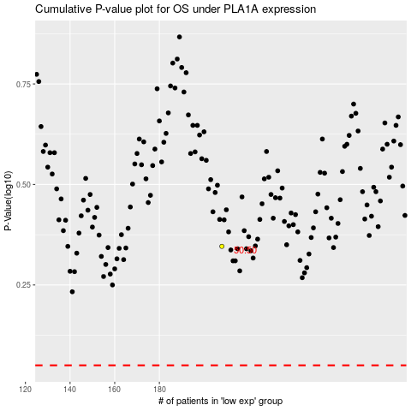

 |  |  |  |  |  | cases_OS | p_OS | rank | exp
 |  |  |  |  |  |  | cases_RFS | p_RFS | rank | exp

