PLA2G10 _multivariate
Reported by Tex Li-Hsing Chi. tex@gate.sinica.edu.tw 2019-08-17

Table 2. The clinicopathological features of HNSCC cohort and PLA2G10 expression. (Chi square test)
Cutoff at -0.406 (31.6%)
 |  | PLA2G10 expression |  | PLA2G10 expression |  | (Optimised)
 | Features | Low | (%) | High | (%) | Case no | P-value | Remark | Matthews
Gender | Female | 88 | 21.2 | 218 | 52.5 | 415 | 0.0521 | 0 | 0
2 | Male | 43 | 10.4 | 66 | 15.9
Age at diagnosis | <=65y | 86 | 20.7 | 188 | 45.3 | 415 | 1 | 0 | 0
4 | >65y | 45 | 10.8 | 96 | 23.1
Clinical T Status | T1+T2 | 61 | 14.7 | 88 | 21.2 | 415 | 0.003 | 1 | 0
6 | T3+T4 | 70 | 16.9 | 196 | 47.2
Clinical N Status | N0 | 72 | 17.3 | 144 | 34.7 | 415 | 0.4832 | 0 | 0
8 | N1-3 | 59 | 14.2 | 140 | 33.7
Clinical M Status | M0 | 130 | 31.3 | 282 | 68 | 415 | 1 | 0 | 0
10 | M1 | 1 | 0.2 | 2 | 0.5
Clinical Stage | Stage I+II | 41 | 9.9 | 61 | 14.7 | 415 | 0.0417 | 1 | 0
12 | Stage III+IV | 90 | 21.7 | 223 | 53.7
Surgical Margin status | Negative | 104 | 25.1 | 214 | 51.6 | 415 | 0.3854 | 0 | 0
14 | Positive | 27 | 6.5 | 70 | 16.9
Tobacco Exposure | Low | 64 | 15.4 | 97 | 23.4 | 415 | 0.0049 | 1 | 0
16 | High | 67 | 16.1 | 187 | 45.1

Table 3. Univariate/Multivariate Cox's proportional hazards regression analyses on OS time of PLA2G10 gene expression in HNSCC

 |  | Univariate |  |  |  | Multivariate
 | Features | HR | CI95%(L) | CI95%(H) | P-value | HR | CI95%(L) | CI95%(H) | P-value
1 | Female | 1 |  |  |  | 1
Gender | Male | 1.157 | 0.843 | 1.587 | 0.367 | 1.219 | 0.873 | 1.701 | 0.245
11 | <=65y | 1 |  |  |  | 1
Age at diagnosis | >65y | 1.329 | 0.99 | 1.784 | 0.058 | 1.409 | 1.037 | 1.914 | 0.029
12 | T1+T2 | 1 |  |  |  | 1
Clinical T Status | T3+T4 | 1.409 | 1.028 | 1.931 | 0.033 | 2.116 | 1.117 | 4.007 | 0.021
13 | N0 | 1 |  |  |  | 1
Clinical N Status | N1-3 | 1.185 | 0.89 | 1.577 | 0.246 | 1.256 | 0.879 | 1.793 | 0.21
14 | M0 | 1 |  |  |  | 1
Clinical M Status | M1 | 4.097 | 1.009 | 16.644 | 0.049 | 9.259 | 2.021 | 42.428 | 0.004
15 | Stage I+II | 1 |  |  |  | 1
Clinical Stage | Stage III+IV | 1.245 | 0.882 | 1.759 | 0.213 | 0.504 | 0.235 | 1.082 | 0.079
16 | Negative | 1 |  |  |  | 1
Surgical Margin status | Positive | 1.591 | 1.155 | 2.191 | 0.004 | 1.619 | 1.169 | 2.242 | 0.004
17 | Low | 1 |  |  |  | 1
Tobacco Exposure | High | 1.364 | 1.008 | 1.844 | 0.044 | 1.396 | 1.012 | 1.927 | 0.042
18 | Low | 1 |  |  |  | 1
RNAseq(z-score) | High | 1.426 | 1.032 | 1.969 | 0.032 | 1.29 | 0.921 | 1.806 | 0.139

Table 4. Univariate/Multivariate Cox's proportional hazards regression analyses on RFS time of PLA2G10 gene expression in HNSCC

 |  | Univariate |  |  |  | Multivariate
 | Features | HR | CI95%(L) | CI95%(H) | P-value | HR | CI95%(L) | CI95%(H) | P-value
1 | Female | 1 |  |  |  | 1
Gender | Male | 1.157 | 0.843 | 1.587 | 0.367 | 1.219 | 0.873 | 1.701 | 0.245
11 | <=65y | 1 |  |  |  | 1
Age at diagnosis | >65y | 1.329 | 0.99 | 1.784 | 0.058 | 1.409 | 1.037 | 1.914 | 0.029
12 | T1+T2 | 1 |  |  |  | 1
Clinical T Status | T3+T4 | 1.409 | 1.028 | 1.931 | 0.033 | 2.116 | 1.117 | 4.007 | 0.021
13 | N0 | 1 |  |  |  | 1
Clinical N Status | N1-3 | 1.185 | 0.89 | 1.577 | 0.246 | 1.256 | 0.879 | 1.793 | 0.21
14 | M0 | 1 |  |  |  | 1
Clinical M Status | M1 | 4.097 | 1.009 | 16.644 | 0.049 | 9.259 | 2.021 | 42.428 | 0.004
15 | Stage I+II | 1 |  |  |  | 1
Clinical Stage | Stage III+IV | 1.245 | 0.882 | 1.759 | 0.213 | 0.504 | 0.235 | 1.082 | 0.079
16 | Negative | 1 |  |  |  | 1
Surgical Margin status | Positive | 1.591 | 1.155 | 2.191 | 0.004 | 1.619 | 1.169 | 2.242 | 0.004
17 | Low | 1 |  |  |  | 1
Tobacco Exposure | High | 1.364 | 1.008 | 1.844 | 0.044 | 1.396 | 1.012 | 1.927 | 0.042
18 | Low | 1 |  |  |  | 1
RNAseq(z-score) | High | 1.426 | 1.032 | 1.969 | 0.032 | 1.29 | 0.921 | 1.806 | 0.139

Kaplan-Meier survival estimate: Cutoff at -0.406 (31.6%)

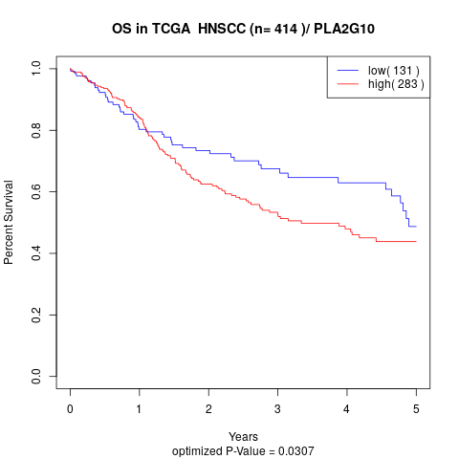

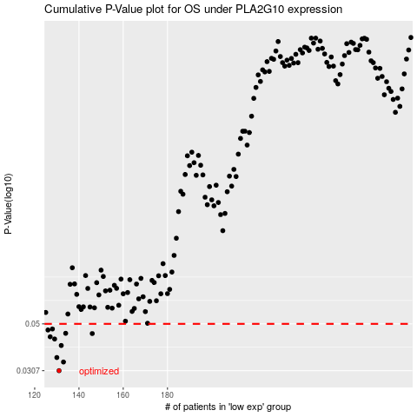

 |  |  |  |  |  | cases_OS | p_OS | rank | exp
 |  |  |  |  |  | 131 | 0.0307 | 185 | -0.40588423186
 |  |  |  |  |  | 133 | 0.0336 | 221 | -0.40417602057
 |  |  |  |  |  | 130 | 0.0352 | 16 | -0.4059566137
 |  |  |  |  |  | 132 | 0.0399 | 157 | -0.40559470452
 |  |  |  |  |  | 129 | 0.0427 | 174 | -0.4070061503
 |  |  |  |  |  | 127 | 0.0437 | 279 | -0.407310154
 |  |  |  |  |  | 146 | 0.0452 | 23 | -0.38824477879
 |  |  |  |  |  | 134 | 0.0453 | 56 | -0.40332191492
 |  |  |  |  |  | 126 | 0.0469 | 146 | -0.40932960719
 |  |  |  |  |  | 128 | 0.0474 | 388 | -0.40711472305
 |  |  |  |  |  |  | cases_RFS | p_RFS | rank | exp
 |  |  |  |  |  |  | 130 | 0.0307 | 16 | -0.4059566137
 |  |  |  |  |  |  | 132 | 0.0336 | 157 | -0.40559470452
 |  |  |  |  |  |  | 129 | 0.0352 | 174 | -0.4070061503
 |  |  |  |  |  |  | 131 | 0.0399 | 185 | -0.40588423186
 |  |  |  |  |  |  | 128 | 0.0427 | 388 | -0.40711472305
 |  |  |  |  |  |  | 126 | 0.0437 | 146 | -0.40932960719
 |  |  |  |  |  |  | 145 | 0.0452 | 396 | -0.38830268426
 |  |  |  |  |  |  | 133 | 0.0453 | 221 | -0.40417602057
 |  |  |  |  |  |  | 125 | 0.0469 | 350 | -0.41325270262
 |  |  |  |  |  |  | 127 | 0.0474 | 279 | -0.407310154

