PLA2G12A _multivariate
Reported by Tex Li-Hsing Chi. tex@gate.sinica.edu.tw 2019-08-17

Table 2. The clinicopathological features of HNSCC cohort and PLA2G12A expression. (Chi square test)
Cutoff at -0.285 (50.0%)
 |  | PLA2G12A expression |  | PLA2G12A expression |  | (Optimised)
 | Features | Low | (%) | High | (%) | Case no | P-value | Remark | Matthews
Gender | Female | 159 | 38.3 | 147 | 35.4 | 415 | 0.1905 | 0 | 0
2 | Male | 48 | 11.6 | 61 | 14.7
Age at diagnosis | <=65y | 128 | 30.8 | 146 | 35.2 | 415 | 0.0904 | 0 | 0
4 | >65y | 79 | 19 | 62 | 14.9
Clinical T Status | T1+T2 | 80 | 19.3 | 69 | 16.6 | 415 | 0.2891 | 0 | 0
6 | T3+T4 | 127 | 30.6 | 139 | 33.5
Clinical N Status | N0 | 108 | 26 | 108 | 26 | 415 | 1 | 0 | 0
8 | N1-3 | 99 | 23.9 | 100 | 24.1
Clinical M Status | M0 | 205 | 49.4 | 207 | 49.9 | 415 | 0.6232 | 0 | 0
10 | M1 | 2 | 0.5 | 1 | 0.2
Clinical Stage | Stage I+II | 54 | 13 | 48 | 11.6 | 415 | 0.5498 | 0 | 0
12 | Stage III+IV | 153 | 36.9 | 160 | 38.6
Surgical Margin status | Negative | 163 | 39.3 | 155 | 37.3 | 415 | 0.3537 | 0 | 0
14 | Positive | 44 | 10.6 | 53 | 12.8
Tobacco Exposure | Low | 85 | 20.5 | 76 | 18.3 | 415 | 0.3655 | 0 | 0
16 | High | 122 | 29.4 | 132 | 31.8

Table 3. Univariate/Multivariate Cox's proportional hazards regression analyses on OS time of PLA2G12A gene expression in HNSCC

 |  | Univariate |  |  |  | Multivariate
 | Features | HR | CI95%(L) | CI95%(H) | P-value | HR | CI95%(L) | CI95%(H) | P-value
1 | Female | 1 |  |  |  | 1
Gender | Male | 1.157 | 0.843 | 1.587 | 0.367 | 1.197 | 0.857 | 1.672 | 0.291
11 | <=65y | 1 |  |  |  | 1
Age at diagnosis | >65y | 1.329 | 0.99 | 1.784 | 0.058 | 1.406 | 1.032 | 1.916 | 0.031
12 | T1+T2 | 1 |  |  |  | 1
Clinical T Status | T3+T4 | 1.409 | 1.028 | 1.931 | 0.033 | 2.202 | 1.165 | 4.162 | 0.015
13 | N0 | 1 |  |  |  | 1
Clinical N Status | N1-3 | 1.185 | 0.89 | 1.577 | 0.246 | 1.249 | 0.875 | 1.783 | 0.221
14 | M0 | 1 |  |  |  | 1
Clinical M Status | M1 | 4.097 | 1.009 | 16.644 | 0.049 | 9.481 | 2.067 | 43.478 | 0.004
15 | Stage I+II | 1 |  |  |  | 1
Clinical Stage | Stage III+IV | 1.245 | 0.882 | 1.759 | 0.213 | 0.501 | 0.233 | 1.075 | 0.076
16 | Negative | 1 |  |  |  | 1
Surgical Margin status | Positive | 1.591 | 1.155 | 2.191 | 0.004 | 1.668 | 1.207 | 2.305 | 0.002
17 | Low | 1 |  |  |  | 1
Tobacco Exposure | High | 1.364 | 1.008 | 1.844 | 0.044 | 1.45 | 1.052 | 1.997 | 0.023
18 | Low | 1 |  |  |  | 1
RNAseq(z-score) | High | 1.068 | 0.801 | 1.424 | 0.655 | 1.076 | 0.804 | 1.441 | 0.621

Table 4. Univariate/Multivariate Cox's proportional hazards regression analyses on RFS time of PLA2G12A gene expression in HNSCC

 |  | Univariate |  |  |  | Multivariate
 | Features | HR | CI95%(L) | CI95%(H) | P-value | HR | CI95%(L) | CI95%(H) | P-value
1 | Female | 1 |  |  |  | 1
Gender | Male | 1.157 | 0.843 | 1.587 | 0.367 | 1.197 | 0.857 | 1.672 | 0.291
11 | <=65y | 1 |  |  |  | 1
Age at diagnosis | >65y | 1.329 | 0.99 | 1.784 | 0.058 | 1.406 | 1.032 | 1.916 | 0.031
12 | T1+T2 | 1 |  |  |  | 1
Clinical T Status | T3+T4 | 1.409 | 1.028 | 1.931 | 0.033 | 2.202 | 1.165 | 4.162 | 0.015
13 | N0 | 1 |  |  |  | 1
Clinical N Status | N1-3 | 1.185 | 0.89 | 1.577 | 0.246 | 1.249 | 0.875 | 1.783 | 0.221
14 | M0 | 1 |  |  |  | 1
Clinical M Status | M1 | 4.097 | 1.009 | 16.644 | 0.049 | 9.481 | 2.067 | 43.478 | 0.004
15 | Stage I+II | 1 |  |  |  | 1
Clinical Stage | Stage III+IV | 1.245 | 0.882 | 1.759 | 0.213 | 0.501 | 0.233 | 1.075 | 0.076
16 | Negative | 1 |  |  |  | 1
Surgical Margin status | Positive | 1.591 | 1.155 | 2.191 | 0.004 | 1.668 | 1.207 | 2.305 | 0.002
17 | Low | 1 |  |  |  | 1
Tobacco Exposure | High | 1.364 | 1.008 | 1.844 | 0.044 | 1.45 | 1.052 | 1.997 | 0.023
18 | Low | 1 |  |  |  | 1
RNAseq(z-score) | High | 1.068 | 0.801 | 1.424 | 0.655 | 1.076 | 0.804 | 1.441 | 0.621

Kaplan-Meier survival estimate: Cutoff at -0.285 (50.0%)



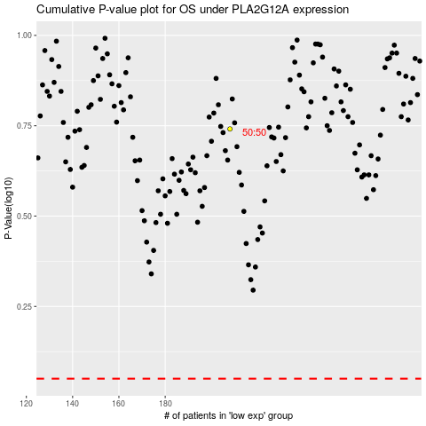

 |  |  |  |  |  | cases_OS | p_OS | rank | exp
 |  |  |  |  |  |  | cases_RFS | p_RFS | rank | exp

