PLA2G2A _multivariate
Reported by Tex Li-Hsing Chi. tex@gate.sinica.edu.tw 2019-08-17

Table 2. The clinicopathological features of HNSCC cohort and PLA2G2A expression. (Chi square test)
Cutoff at -0.159 (50.0%)
 |  | PLA2G2A expression |  | PLA2G2A expression |  | (Optimised)
 | Features | Low | (%) | High | (%) | Case no | P-value | Remark | Matthews
Gender | Female | 159 | 38.3 | 147 | 35.4 | 415 | 0.1905 | 0 | 0
2 | Male | 48 | 11.6 | 61 | 14.7
Age at diagnosis | <=65y | 136 | 32.8 | 138 | 33.3 | 415 | 0.9719 | 0 | 0
4 | >65y | 71 | 17.1 | 70 | 16.9
Clinical T Status | T1+T2 | 64 | 15.4 | 85 | 20.5 | 415 | 0.0445 | 1 | 0
6 | T3+T4 | 143 | 34.5 | 123 | 29.6
Clinical N Status | N0 | 99 | 23.9 | 117 | 28.2 | 415 | 0.1054 | 0 | 0
8 | N1-3 | 108 | 26 | 91 | 21.9
Clinical M Status | M0 | 205 | 49.4 | 207 | 49.9 | 415 | 0.6232 | 0 | 0
10 | M1 | 2 | 0.5 | 1 | 0.2
Clinical Stage | Stage I+II | 39 | 9.4 | 63 | 15.2 | 415 | 0.0095 | 1 | 0
12 | Stage III+IV | 168 | 40.5 | 145 | 34.9
Surgical Margin status | Negative | 152 | 36.6 | 166 | 40 | 415 | 0.1329 | 0 | 0
14 | Positive | 55 | 13.3 | 42 | 10.1
Tobacco Exposure | Low | 86 | 20.7 | 75 | 18.1 | 415 | 0.2687 | 0 | 0
16 | High | 121 | 29.2 | 133 | 32

Table 3. Univariate/Multivariate Cox's proportional hazards regression analyses on OS time of PLA2G2A gene expression in HNSCC

 |  | Univariate |  |  |  | Multivariate
 | Features | HR | CI95%(L) | CI95%(H) | P-value | HR | CI95%(L) | CI95%(H) | P-value
1 | Female | 1 |  |  |  | 1
Gender | Male | 1.157 | 0.843 | 1.587 | 0.367 | 1.19 | 0.851 | 1.664 | 0.309
11 | <=65y | 1 |  |  |  | 1
Age at diagnosis | >65y | 1.329 | 0.99 | 1.784 | 0.058 | 1.402 | 1.03 | 1.908 | 0.031
12 | T1+T2 | 1 |  |  |  | 1
Clinical T Status | T3+T4 | 1.409 | 1.028 | 1.931 | 0.033 | 2.191 | 1.158 | 4.143 | 0.016
13 | N0 | 1 |  |  |  | 1
Clinical N Status | N1-3 | 1.185 | 0.89 | 1.577 | 0.246 | 1.246 | 0.873 | 1.777 | 0.226
14 | M0 | 1 |  |  |  | 1
Clinical M Status | M1 | 4.097 | 1.009 | 16.644 | 0.049 | 9.573 | 2.087 | 43.914 | 0.004
15 | Stage I+II | 1 |  |  |  | 1
Clinical Stage | Stage III+IV | 1.245 | 0.882 | 1.759 | 0.213 | 0.512 | 0.238 | 1.101 | 0.087
16 | Negative | 1 |  |  |  | 1
Surgical Margin status | Positive | 1.591 | 1.155 | 2.191 | 0.004 | 1.668 | 1.208 | 2.305 | 0.002
17 | Low | 1 |  |  |  | 1
Tobacco Exposure | High | 1.364 | 1.008 | 1.844 | 0.044 | 1.439 | 1.043 | 1.985 | 0.027
18 | Low | 1 |  |  |  | 1
RNAseq(z-score) | High | 1.088 | 0.816 | 1.451 | 0.564 | 1.105 | 0.824 | 1.481 | 0.506

Table 4. Univariate/Multivariate Cox's proportional hazards regression analyses on RFS time of PLA2G2A gene expression in HNSCC

 |  | Univariate |  |  |  | Multivariate
 | Features | HR | CI95%(L) | CI95%(H) | P-value | HR | CI95%(L) | CI95%(H) | P-value
1 | Female | 1 |  |  |  | 1
Gender | Male | 1.157 | 0.843 | 1.587 | 0.367 | 1.19 | 0.851 | 1.664 | 0.309
11 | <=65y | 1 |  |  |  | 1
Age at diagnosis | >65y | 1.329 | 0.99 | 1.784 | 0.058 | 1.402 | 1.03 | 1.908 | 0.031
12 | T1+T2 | 1 |  |  |  | 1
Clinical T Status | T3+T4 | 1.409 | 1.028 | 1.931 | 0.033 | 2.191 | 1.158 | 4.143 | 0.016
13 | N0 | 1 |  |  |  | 1
Clinical N Status | N1-3 | 1.185 | 0.89 | 1.577 | 0.246 | 1.246 | 0.873 | 1.777 | 0.226
14 | M0 | 1 |  |  |  | 1
Clinical M Status | M1 | 4.097 | 1.009 | 16.644 | 0.049 | 9.573 | 2.087 | 43.914 | 0.004
15 | Stage I+II | 1 |  |  |  | 1
Clinical Stage | Stage III+IV | 1.245 | 0.882 | 1.759 | 0.213 | 0.512 | 0.238 | 1.101 | 0.087
16 | Negative | 1 |  |  |  | 1
Surgical Margin status | Positive | 1.591 | 1.155 | 2.191 | 0.004 | 1.668 | 1.208 | 2.305 | 0.002
17 | Low | 1 |  |  |  | 1
Tobacco Exposure | High | 1.364 | 1.008 | 1.844 | 0.044 | 1.439 | 1.043 | 1.985 | 0.027
18 | Low | 1 |  |  |  | 1
RNAseq(z-score) | High | 1.088 | 0.816 | 1.451 | 0.564 | 1.105 | 0.824 | 1.481 | 0.506

Kaplan-Meier survival estimate: Cutoff at -0.159 (50.0%)



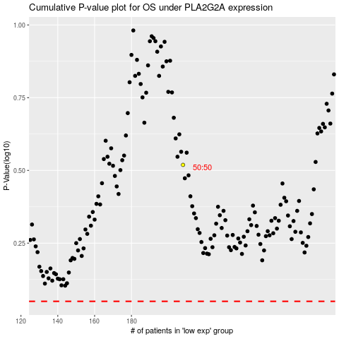

 |  |  |  |  |  | cases_OS | p_OS | rank | exp
 |  |  |  |  |  |  | cases_RFS | p_RFS | rank | exp

