PLA2G2F _multivariate
Reported by Tex Li-Hsing Chi. tex@gate.sinica.edu.tw 2019-08-17

Table 2. The clinicopathological features of HNSCC cohort and PLA2G2F expression. (Chi square test)
Cutoff at -0.373 (50.0%)
 |  | PLA2G2F expression |  | PLA2G2F expression |  | (Optimised)
 | Features | Low | (%) | High | (%) | Case no | P-value | Remark | Matthews
Gender | Female | 169 | 40.7 | 137 | 33 | 415 | 4e-04 | 1 | 0
2 | Male | 38 | 9.2 | 71 | 17.1
Age at diagnosis | <=65y | 148 | 35.7 | 126 | 30.4 | 415 | 0.0248 | 1 | 0
4 | >65y | 59 | 14.2 | 82 | 19.8
Clinical T Status | T1+T2 | 71 | 17.1 | 78 | 18.8 | 415 | 0.5638 | 0 | 0
6 | T3+T4 | 136 | 32.8 | 130 | 31.3
Clinical N Status | N0 | 108 | 26 | 108 | 26 | 415 | 1 | 0 | 0
8 | N1-3 | 99 | 23.9 | 100 | 24.1
Clinical M Status | M0 | 207 | 49.9 | 205 | 49.4 | 415 | 0.2482 | 0 | 0
10 | M1 | 0 | 0 | 3 | 0.7
Clinical Stage | Stage I+II | 43 | 10.4 | 59 | 14.2 | 415 | 0.0925 | 0 | 0
12 | Stage III+IV | 164 | 39.5 | 149 | 35.9
Surgical Margin status | Negative | 153 | 36.9 | 165 | 39.8 | 415 | 0.2036 | 0 | 0
14 | Positive | 54 | 13 | 43 | 10.4
Tobacco Exposure | Low | 65 | 15.7 | 96 | 23.1 | 415 | 0.0025 | 1 | 0
16 | High | 142 | 34.2 | 112 | 27

Table 3. Univariate/Multivariate Cox's proportional hazards regression analyses on OS time of PLA2G2F gene expression in HNSCC

 |  | Univariate |  |  |  | Multivariate
 | Features | HR | CI95%(L) | CI95%(H) | P-value | HR | CI95%(L) | CI95%(H) | P-value
1 | Female | 1 |  |  |  | 1
Gender | Male | 1.157 | 0.843 | 1.587 | 0.367 | 1.216 | 0.866 | 1.707 | 0.26
11 | <=65y | 1 |  |  |  | 1
Age at diagnosis | >65y | 1.329 | 0.99 | 1.784 | 0.058 | 1.401 | 1.029 | 1.909 | 0.032
12 | T1+T2 | 1 |  |  |  | 1
Clinical T Status | T3+T4 | 1.409 | 1.028 | 1.931 | 0.033 | 2.225 | 1.174 | 4.216 | 0.014
13 | N0 | 1 |  |  |  | 1
Clinical N Status | N1-3 | 1.185 | 0.89 | 1.577 | 0.246 | 1.251 | 0.874 | 1.789 | 0.221
14 | M0 | 1 |  |  |  | 1
Clinical M Status | M1 | 4.097 | 1.009 | 16.644 | 0.049 | 9.8 | 2.106 | 45.612 | 0.004
15 | Stage I+II | 1 |  |  |  | 1
Clinical Stage | Stage III+IV | 1.245 | 0.882 | 1.759 | 0.213 | 0.494 | 0.229 | 1.069 | 0.073
16 | Negative | 1 |  |  |  | 1
Surgical Margin status | Positive | 1.591 | 1.155 | 2.191 | 0.004 | 1.661 | 1.2 | 2.299 | 0.002
17 | Low | 1 |  |  |  | 1
Tobacco Exposure | High | 1.364 | 1.008 | 1.844 | 0.044 | 1.446 | 1.049 | 1.994 | 0.024
18 | Low | 1 |  |  |  | 1
RNAseq(z-score) | High | 0.994 | 0.746 | 1.325 | 0.969 | 0.943 | 0.695 | 1.281 | 0.707

Table 4. Univariate/Multivariate Cox's proportional hazards regression analyses on RFS time of PLA2G2F gene expression in HNSCC

 |  | Univariate |  |  |  | Multivariate
 | Features | HR | CI95%(L) | CI95%(H) | P-value | HR | CI95%(L) | CI95%(H) | P-value
1 | Female | 1 |  |  |  | 1
Gender | Male | 1.157 | 0.843 | 1.587 | 0.367 | 1.216 | 0.866 | 1.707 | 0.26
11 | <=65y | 1 |  |  |  | 1
Age at diagnosis | >65y | 1.329 | 0.99 | 1.784 | 0.058 | 1.401 | 1.029 | 1.909 | 0.032
12 | T1+T2 | 1 |  |  |  | 1
Clinical T Status | T3+T4 | 1.409 | 1.028 | 1.931 | 0.033 | 2.225 | 1.174 | 4.216 | 0.014
13 | N0 | 1 |  |  |  | 1
Clinical N Status | N1-3 | 1.185 | 0.89 | 1.577 | 0.246 | 1.251 | 0.874 | 1.789 | 0.221
14 | M0 | 1 |  |  |  | 1
Clinical M Status | M1 | 4.097 | 1.009 | 16.644 | 0.049 | 9.8 | 2.106 | 45.612 | 0.004
15 | Stage I+II | 1 |  |  |  | 1
Clinical Stage | Stage III+IV | 1.245 | 0.882 | 1.759 | 0.213 | 0.494 | 0.229 | 1.069 | 0.073
16 | Negative | 1 |  |  |  | 1
Surgical Margin status | Positive | 1.591 | 1.155 | 2.191 | 0.004 | 1.661 | 1.2 | 2.299 | 0.002
17 | Low | 1 |  |  |  | 1
Tobacco Exposure | High | 1.364 | 1.008 | 1.844 | 0.044 | 1.446 | 1.049 | 1.994 | 0.024
18 | Low | 1 |  |  |  | 1
RNAseq(z-score) | High | 0.994 | 0.746 | 1.325 | 0.969 | 0.943 | 0.695 | 1.281 | 0.707

Kaplan-Meier survival estimate: Cutoff at -0.373 (50.0%)



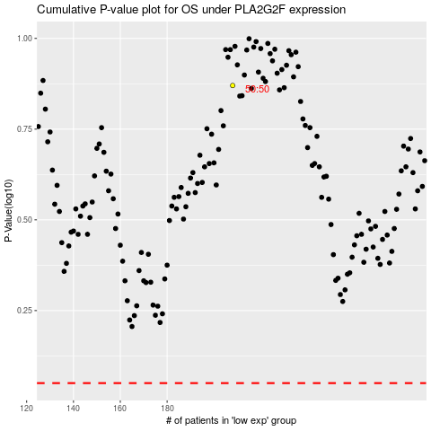

 |  |  |  |  |  | cases_OS | p_OS | rank | exp
 |  |  |  |  |  |  | cases_RFS | p_RFS | rank | exp

