PLA2G4E _multivariate
Reported by Tex Li-Hsing Chi. tex@gate.sinica.edu.tw 2019-08-17

Table 2. The clinicopathological features of HNSCC cohort and PLA2G4E expression. (Chi square test)
Cutoff at -0.401 (50.0%)
 |  | PLA2G4E expression |  | PLA2G4E expression |  | (Optimised)
 | Features | Low | (%) | High | (%) | Case no | P-value | Remark | Matthews
Gender | Female | 158 | 38.1 | 148 | 35.7 | 415 | 0.2774 | 0 | 0
2 | Male | 49 | 11.8 | 60 | 14.5
Age at diagnosis | <=65y | 137 | 33 | 137 | 33 | 415 | 1 | 0 | 0
4 | >65y | 70 | 16.9 | 71 | 17.1
Clinical T Status | T1+T2 | 81 | 19.5 | 68 | 16.4 | 415 | 0.206 | 0 | 0
6 | T3+T4 | 126 | 30.4 | 140 | 33.7
Clinical N Status | N0 | 97 | 23.4 | 119 | 28.7 | 415 | 0.0442 | 1 | 0
8 | N1-3 | 110 | 26.5 | 89 | 21.4
Clinical M Status | M0 | 205 | 49.4 | 207 | 49.9 | 415 | 0.6232 | 0 | 0
10 | M1 | 2 | 0.5 | 1 | 0.2
Clinical Stage | Stage I+II | 49 | 11.8 | 53 | 12.8 | 415 | 0.7535 | 0 | 0
12 | Stage III+IV | 158 | 38.1 | 155 | 37.3
Surgical Margin status | Negative | 150 | 36.1 | 168 | 40.5 | 415 | 0.0492 | 1 | 0
14 | Positive | 57 | 13.7 | 40 | 9.6
Tobacco Exposure | Low | 72 | 17.3 | 89 | 21.4 | 415 | 0.1071 | 0 | 0
16 | High | 135 | 32.5 | 119 | 28.7

Table 3. Univariate/Multivariate Cox's proportional hazards regression analyses on OS time of PLA2G4E gene expression in HNSCC

 |  | Univariate |  |  |  | Multivariate
 | Features | HR | CI95%(L) | CI95%(H) | P-value | HR | CI95%(L) | CI95%(H) | P-value
1 | Female | 1 |  |  |  | 1
Gender | Male | 1.157 | 0.843 | 1.587 | 0.367 | 1.203 | 0.861 | 1.681 | 0.28
11 | <=65y | 1 |  |  |  | 1
Age at diagnosis | >65y | 1.329 | 0.99 | 1.784 | 0.058 | 1.389 | 1.021 | 1.891 | 0.036
12 | T1+T2 | 1 |  |  |  | 1
Clinical T Status | T3+T4 | 1.409 | 1.028 | 1.931 | 0.033 | 2.207 | 1.166 | 4.179 | 0.015
13 | N0 | 1 |  |  |  | 1
Clinical N Status | N1-3 | 1.185 | 0.89 | 1.577 | 0.246 | 1.236 | 0.862 | 1.773 | 0.249
14 | M0 | 1 |  |  |  | 1
Clinical M Status | M1 | 4.097 | 1.009 | 16.644 | 0.049 | 9.421 | 2.055 | 43.194 | 0.004
15 | Stage I+II | 1 |  |  |  | 1
Clinical Stage | Stage III+IV | 1.245 | 0.882 | 1.759 | 0.213 | 0.504 | 0.235 | 1.082 | 0.079
16 | Negative | 1 |  |  |  | 1
Surgical Margin status | Positive | 1.591 | 1.155 | 2.191 | 0.004 | 1.668 | 1.205 | 2.309 | 0.002
17 | Low | 1 |  |  |  | 1
Tobacco Exposure | High | 1.364 | 1.008 | 1.844 | 0.044 | 1.452 | 1.054 | 2.001 | 0.023
18 | Low | 1 |  |  |  | 1
RNAseq(z-score) | High | 0.93 | 0.698 | 1.239 | 0.621 | 0.983 | 0.73 | 1.323 | 0.91

Table 4. Univariate/Multivariate Cox's proportional hazards regression analyses on RFS time of PLA2G4E gene expression in HNSCC

 |  | Univariate |  |  |  | Multivariate
 | Features | HR | CI95%(L) | CI95%(H) | P-value | HR | CI95%(L) | CI95%(H) | P-value
1 | Female | 1 |  |  |  | 1
Gender | Male | 1.157 | 0.843 | 1.587 | 0.367 | 1.203 | 0.861 | 1.681 | 0.28
11 | <=65y | 1 |  |  |  | 1
Age at diagnosis | >65y | 1.329 | 0.99 | 1.784 | 0.058 | 1.389 | 1.021 | 1.891 | 0.036
12 | T1+T2 | 1 |  |  |  | 1
Clinical T Status | T3+T4 | 1.409 | 1.028 | 1.931 | 0.033 | 2.207 | 1.166 | 4.179 | 0.015
13 | N0 | 1 |  |  |  | 1
Clinical N Status | N1-3 | 1.185 | 0.89 | 1.577 | 0.246 | 1.236 | 0.862 | 1.773 | 0.249
14 | M0 | 1 |  |  |  | 1
Clinical M Status | M1 | 4.097 | 1.009 | 16.644 | 0.049 | 9.421 | 2.055 | 43.194 | 0.004
15 | Stage I+II | 1 |  |  |  | 1
Clinical Stage | Stage III+IV | 1.245 | 0.882 | 1.759 | 0.213 | 0.504 | 0.235 | 1.082 | 0.079
16 | Negative | 1 |  |  |  | 1
Surgical Margin status | Positive | 1.591 | 1.155 | 2.191 | 0.004 | 1.668 | 1.205 | 2.309 | 0.002
17 | Low | 1 |  |  |  | 1
Tobacco Exposure | High | 1.364 | 1.008 | 1.844 | 0.044 | 1.452 | 1.054 | 2.001 | 0.023
18 | Low | 1 |  |  |  | 1
RNAseq(z-score) | High | 0.93 | 0.698 | 1.239 | 0.621 | 0.983 | 0.73 | 1.323 | 0.91

Kaplan-Meier survival estimate: Cutoff at -0.401 (50.0%)



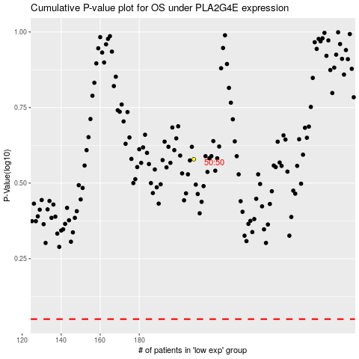

 |  |  |  |  |  | cases_OS | p_OS | rank | exp
 |  |  |  |  |  |  | cases_RFS | p_RFS | rank | exp

