PLA2G5 _multivariate
Reported by Tex Li-Hsing Chi. tex@gate.sinica.edu.tw 2019-08-17

Table 2. The clinicopathological features of HNSCC cohort and PLA2G5 expression. (Chi square test)
Cutoff at -0.289 (49.8%)
 |  | PLA2G5 expression |  | PLA2G5 expression |  | (Optimised)
 | Features | Low | (%) | High | (%) | Case no | P-value | Remark | Matthews
Gender | Female | 154 | 37.1 | 152 | 36.6 | 415 | 0.8463 | 0 | 0
2 | Male | 53 | 12.8 | 56 | 13.5
Age at diagnosis | <=65y | 143 | 34.5 | 131 | 31.6 | 415 | 0.2269 | 0 | 0
4 | >65y | 64 | 15.4 | 77 | 18.6
Clinical T Status | T1+T2 | 74 | 17.8 | 75 | 18.1 | 415 | 1 | 0 | 0
6 | T3+T4 | 133 | 32 | 133 | 32
Clinical N Status | N0 | 106 | 25.5 | 110 | 26.5 | 415 | 0.8075 | 0 | 0
8 | N1-3 | 101 | 24.3 | 98 | 23.6
Clinical M Status | M0 | 204 | 49.2 | 208 | 50.1 | 415 | 0.1232 | 0 | 0
10 | M1 | 3 | 0.7 | 0 | 0
Clinical Stage | Stage I+II | 50 | 12 | 52 | 12.5 | 415 | 0.9315 | 0 | 0
12 | Stage III+IV | 157 | 37.8 | 156 | 37.6
Surgical Margin status | Negative | 168 | 40.5 | 150 | 36.1 | 415 | 0.0366 | 1 | 0
14 | Positive | 39 | 9.4 | 58 | 14
Tobacco Exposure | Low | 78 | 18.8 | 83 | 20 | 415 | 0.6873 | 0 | 0
16 | High | 129 | 31.1 | 125 | 30.1

Table 3. Univariate/Multivariate Cox's proportional hazards regression analyses on OS time of PLA2G5 gene expression in HNSCC

 |  | Univariate |  |  |  | Multivariate
 | Features | HR | CI95%(L) | CI95%(H) | P-value | HR | CI95%(L) | CI95%(H) | P-value
1 | Female | 1 |  |  |  | 1
Gender | Male | 1.157 | 0.843 | 1.587 | 0.367 | 1.2 | 0.859 | 1.676 | 0.285
11 | <=65y | 1 |  |  |  | 1
Age at diagnosis | >65y | 1.329 | 0.99 | 1.784 | 0.058 | 1.393 | 1.024 | 1.894 | 0.035
12 | T1+T2 | 1 |  |  |  | 1
Clinical T Status | T3+T4 | 1.409 | 1.028 | 1.931 | 0.033 | 2.192 | 1.159 | 4.147 | 0.016
13 | N0 | 1 |  |  |  | 1
Clinical N Status | N1-3 | 1.185 | 0.89 | 1.577 | 0.246 | 1.239 | 0.869 | 1.768 | 0.236
14 | M0 | 1 |  |  |  | 1
Clinical M Status | M1 | 4.097 | 1.009 | 16.644 | 0.049 | 9.637 | 2.091 | 44.409 | 0.004
15 | Stage I+II | 1 |  |  |  | 1
Clinical Stage | Stage III+IV | 1.245 | 0.882 | 1.759 | 0.213 | 0.508 | 0.236 | 1.09 | 0.082
16 | Negative | 1 |  |  |  | 1
Surgical Margin status | Positive | 1.591 | 1.155 | 2.191 | 0.004 | 1.654 | 1.192 | 2.295 | 0.003
17 | Low | 1 |  |  |  | 1
Tobacco Exposure | High | 1.364 | 1.008 | 1.844 | 0.044 | 1.452 | 1.054 | 2 | 0.023
18 | Low | 1 |  |  |  | 1
RNAseq(z-score) | High | 1.111 | 0.832 | 1.482 | 0.475 | 1.059 | 0.789 | 1.422 | 0.703

Table 4. Univariate/Multivariate Cox's proportional hazards regression analyses on RFS time of PLA2G5 gene expression in HNSCC

 |  | Univariate |  |  |  | Multivariate
 | Features | HR | CI95%(L) | CI95%(H) | P-value | HR | CI95%(L) | CI95%(H) | P-value
1 | Female | 1 |  |  |  | 1
Gender | Male | 1.157 | 0.843 | 1.587 | 0.367 | 1.2 | 0.859 | 1.676 | 0.285
11 | <=65y | 1 |  |  |  | 1
Age at diagnosis | >65y | 1.329 | 0.99 | 1.784 | 0.058 | 1.393 | 1.024 | 1.894 | 0.035
12 | T1+T2 | 1 |  |  |  | 1
Clinical T Status | T3+T4 | 1.409 | 1.028 | 1.931 | 0.033 | 2.192 | 1.159 | 4.147 | 0.016
13 | N0 | 1 |  |  |  | 1
Clinical N Status | N1-3 | 1.185 | 0.89 | 1.577 | 0.246 | 1.239 | 0.869 | 1.768 | 0.236
14 | M0 | 1 |  |  |  | 1
Clinical M Status | M1 | 4.097 | 1.009 | 16.644 | 0.049 | 9.637 | 2.091 | 44.409 | 0.004
15 | Stage I+II | 1 |  |  |  | 1
Clinical Stage | Stage III+IV | 1.245 | 0.882 | 1.759 | 0.213 | 0.508 | 0.236 | 1.09 | 0.082
16 | Negative | 1 |  |  |  | 1
Surgical Margin status | Positive | 1.591 | 1.155 | 2.191 | 0.004 | 1.654 | 1.192 | 2.295 | 0.003
17 | Low | 1 |  |  |  | 1
Tobacco Exposure | High | 1.364 | 1.008 | 1.844 | 0.044 | 1.452 | 1.054 | 2 | 0.023
18 | Low | 1 |  |  |  | 1
RNAseq(z-score) | High | 1.111 | 0.832 | 1.482 | 0.475 | 1.059 | 0.789 | 1.422 | 0.703

Kaplan-Meier survival estimate: Cutoff at -0.289 (49.8%)



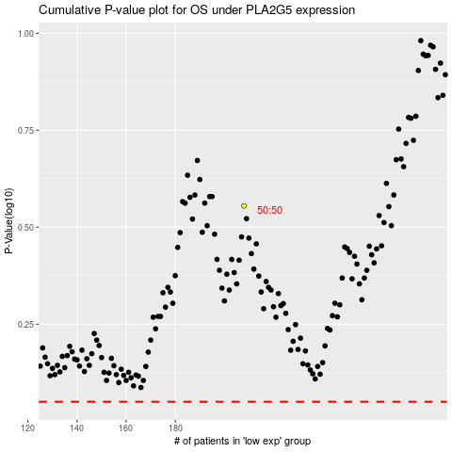

 |  |  |  |  |  | cases_OS | p_OS | rank | exp
 |  |  |  |  |  |  | cases_RFS | p_RFS | rank | exp

