PLA2G7 _multivariate
Reported by Tex Li-Hsing Chi. tex@gate.sinica.edu.tw 2019-08-17

Table 2. The clinicopathological features of HNSCC cohort and PLA2G7 expression. (Chi square test)
Cutoff at -0.29 (49.8%)
 |  | PLA2G7 expression |  | PLA2G7 expression |  | (Optimised)
 | Features | Low | (%) | High | (%) | Case no | P-value | Remark | Matthews
Gender | Female | 162 | 39 | 144 | 34.7 | 415 | 0.0479 | 1 | 0
2 | Male | 45 | 10.8 | 64 | 15.4
Age at diagnosis | <=65y | 136 | 32.8 | 138 | 33.3 | 415 | 0.9719 | 0 | 0
4 | >65y | 71 | 17.1 | 70 | 16.9
Clinical T Status | T1+T2 | 75 | 18.1 | 74 | 17.8 | 415 | 0.9707 | 0 | 0
6 | T3+T4 | 132 | 31.8 | 134 | 32.3
Clinical N Status | N0 | 123 | 29.6 | 93 | 22.4 | 415 | 0.0037 | 1 | 0
8 | N1-3 | 84 | 20.2 | 115 | 27.7
Clinical M Status | M0 | 206 | 49.6 | 206 | 49.6 | 415 | 1 | 0 | 0
10 | M1 | 1 | 0.2 | 2 | 0.5
Clinical Stage | Stage I+II | 55 | 13.3 | 47 | 11.3 | 415 | 0.4087 | 0 | 0
12 | Stage III+IV | 152 | 36.6 | 161 | 38.8
Surgical Margin status | Negative | 154 | 37.1 | 164 | 39.5 | 415 | 0.2984 | 0 | 0
14 | Positive | 53 | 12.8 | 44 | 10.6
Tobacco Exposure | Low | 77 | 18.6 | 84 | 20.2 | 415 | 0.5459 | 0 | 0
16 | High | 130 | 31.3 | 124 | 29.9

Table 3. Univariate/Multivariate Cox's proportional hazards regression analyses on OS time of PLA2G7 gene expression in HNSCC

 |  | Univariate |  |  |  | Multivariate
 | Features | HR | CI95%(L) | CI95%(H) | P-value | HR | CI95%(L) | CI95%(H) | P-value
1 | Female | 1 |  |  |  | 1
Gender | Male | 1.157 | 0.843 | 1.587 | 0.367 | 1.196 | 0.856 | 1.671 | 0.294
11 | <=65y | 1 |  |  |  | 1
Age at diagnosis | >65y | 1.329 | 0.99 | 1.784 | 0.058 | 1.4 | 1.029 | 1.905 | 0.032
12 | T1+T2 | 1 |  |  |  | 1
Clinical T Status | T3+T4 | 1.409 | 1.028 | 1.931 | 0.033 | 2.164 | 1.143 | 4.096 | 0.018
13 | N0 | 1 |  |  |  | 1
Clinical N Status | N1-3 | 1.185 | 0.89 | 1.577 | 0.246 | 1.21 | 0.844 | 1.737 | 0.3
14 | M0 | 1 |  |  |  | 1
Clinical M Status | M1 | 4.097 | 1.009 | 16.644 | 0.049 | 9.041 | 1.966 | 41.569 | 0.005
15 | Stage I+II | 1 |  |  |  | 1
Clinical Stage | Stage III+IV | 1.245 | 0.882 | 1.759 | 0.213 | 0.52 | 0.241 | 1.119 | 0.094
16 | Negative | 1 |  |  |  | 1
Surgical Margin status | Positive | 1.591 | 1.155 | 2.191 | 0.004 | 1.678 | 1.214 | 2.318 | 0.002
17 | Low | 1 |  |  |  | 1
Tobacco Exposure | High | 1.364 | 1.008 | 1.844 | 0.044 | 1.466 | 1.064 | 2.022 | 0.019
18 | Low | 1 |  |  |  | 1
RNAseq(z-score) | High | 1.132 | 0.849 | 1.51 | 0.398 | 1.122 | 0.836 | 1.507 | 0.444

Table 4. Univariate/Multivariate Cox's proportional hazards regression analyses on RFS time of PLA2G7 gene expression in HNSCC

 |  | Univariate |  |  |  | Multivariate
 | Features | HR | CI95%(L) | CI95%(H) | P-value | HR | CI95%(L) | CI95%(H) | P-value
1 | Female | 1 |  |  |  | 1
Gender | Male | 1.157 | 0.843 | 1.587 | 0.367 | 1.196 | 0.856 | 1.671 | 0.294
11 | <=65y | 1 |  |  |  | 1
Age at diagnosis | >65y | 1.329 | 0.99 | 1.784 | 0.058 | 1.4 | 1.029 | 1.905 | 0.032
12 | T1+T2 | 1 |  |  |  | 1
Clinical T Status | T3+T4 | 1.409 | 1.028 | 1.931 | 0.033 | 2.164 | 1.143 | 4.096 | 0.018
13 | N0 | 1 |  |  |  | 1
Clinical N Status | N1-3 | 1.185 | 0.89 | 1.577 | 0.246 | 1.21 | 0.844 | 1.737 | 0.3
14 | M0 | 1 |  |  |  | 1
Clinical M Status | M1 | 4.097 | 1.009 | 16.644 | 0.049 | 9.041 | 1.966 | 41.569 | 0.005
15 | Stage I+II | 1 |  |  |  | 1
Clinical Stage | Stage III+IV | 1.245 | 0.882 | 1.759 | 0.213 | 0.52 | 0.241 | 1.119 | 0.094
16 | Negative | 1 |  |  |  | 1
Surgical Margin status | Positive | 1.591 | 1.155 | 2.191 | 0.004 | 1.678 | 1.214 | 2.318 | 0.002
17 | Low | 1 |  |  |  | 1
Tobacco Exposure | High | 1.364 | 1.008 | 1.844 | 0.044 | 1.466 | 1.064 | 2.022 | 0.019
18 | Low | 1 |  |  |  | 1
RNAseq(z-score) | High | 1.132 | 0.849 | 1.51 | 0.398 | 1.122 | 0.836 | 1.507 | 0.444

Kaplan-Meier survival estimate: Cutoff at -0.29 (49.8%)

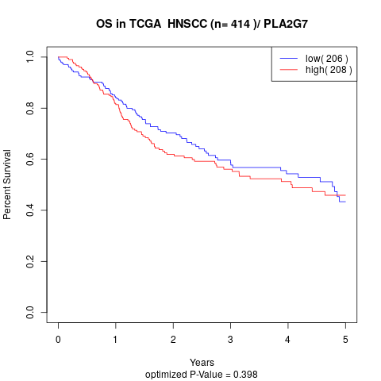

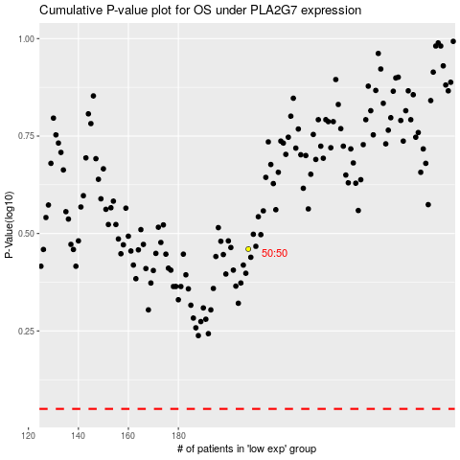

 |  |  |  |  |  | cases_OS | p_OS | rank | exp
 |  |  |  |  |  |  | cases_RFS | p_RFS | rank | exp

