PLA2R1 _multivariate
Reported by Tex Li-Hsing Chi. tex@gate.sinica.edu.tw 2019-08-17

Table 2. The clinicopathological features of HNSCC cohort and PLA2R1 expression. (Chi square test)
Cutoff at -0.305 (50.0%)
 |  | PLA2R1 expression |  | PLA2R1 expression |  | (Optimised)
 | Features | Low | (%) | High | (%) | Case no | P-value | Remark | Matthews
Gender | Female | 150 | 36.1 | 156 | 37.6 | 415 | 0.6344 | 0 | 0
2 | Male | 57 | 13.7 | 52 | 12.5
Age at diagnosis | <=65y | 132 | 31.8 | 142 | 34.2 | 415 | 0.3874 | 0 | 0
4 | >65y | 75 | 18.1 | 66 | 15.9
Clinical T Status | T1+T2 | 84 | 20.2 | 65 | 15.7 | 415 | 0.0603 | 0 | 0
6 | T3+T4 | 123 | 29.6 | 143 | 34.5
Clinical N Status | N0 | 106 | 25.5 | 110 | 26.5 | 415 | 0.8075 | 0 | 0
8 | N1-3 | 101 | 24.3 | 98 | 23.6
Clinical M Status | M0 | 204 | 49.2 | 208 | 50.1 | 415 | 0.1232 | 0 | 0
10 | M1 | 3 | 0.7 | 0 | 0
Clinical Stage | Stage I+II | 52 | 12.5 | 50 | 12 | 415 | 0.8871 | 0 | 0
12 | Stage III+IV | 155 | 37.3 | 158 | 38.1
Surgical Margin status | Negative | 149 | 35.9 | 169 | 40.7 | 415 | 0.0278 | 1 | 0
14 | Positive | 58 | 14 | 39 | 9.4
Tobacco Exposure | Low | 91 | 21.9 | 70 | 16.9 | 415 | 0.0346 | 1 | 0
16 | High | 116 | 28 | 138 | 33.3

Table 3. Univariate/Multivariate Cox's proportional hazards regression analyses on OS time of PLA2R1 gene expression in HNSCC

 |  | Univariate |  |  |  | Multivariate
 | Features | HR | CI95%(L) | CI95%(H) | P-value | HR | CI95%(L) | CI95%(H) | P-value
1 | Female | 1 |  |  |  | 1
Gender | Male | 1.157 | 0.843 | 1.587 | 0.367 | 1.199 | 0.858 | 1.675 | 0.289
11 | <=65y | 1 |  |  |  | 1
Age at diagnosis | >65y | 1.329 | 0.99 | 1.784 | 0.058 | 1.382 | 1.016 | 1.879 | 0.039
12 | T1+T2 | 1 |  |  |  | 1
Clinical T Status | T3+T4 | 1.409 | 1.028 | 1.931 | 0.033 | 2.253 | 1.188 | 4.27 | 0.013
13 | N0 | 1 |  |  |  | 1
Clinical N Status | N1-3 | 1.185 | 0.89 | 1.577 | 0.246 | 1.242 | 0.871 | 1.773 | 0.232
14 | M0 | 1 |  |  |  | 1
Clinical M Status | M1 | 4.097 | 1.009 | 16.644 | 0.049 | 9.028 | 1.962 | 41.533 | 0.005
15 | Stage I+II | 1 |  |  |  | 1
Clinical Stage | Stage III+IV | 1.245 | 0.882 | 1.759 | 0.213 | 0.495 | 0.23 | 1.065 | 0.072
16 | Negative | 1 |  |  |  | 1
Surgical Margin status | Positive | 1.591 | 1.155 | 2.191 | 0.004 | 1.637 | 1.179 | 2.271 | 0.003
17 | Low | 1 |  |  |  | 1
Tobacco Exposure | High | 1.364 | 1.008 | 1.844 | 0.044 | 1.475 | 1.068 | 2.038 | 0.018
18 | Low | 1 |  |  |  | 1
RNAseq(z-score) | High | 0.882 | 0.661 | 1.177 | 0.394 | 0.892 | 0.66 | 1.205 | 0.455

Table 4. Univariate/Multivariate Cox's proportional hazards regression analyses on RFS time of PLA2R1 gene expression in HNSCC

 |  | Univariate |  |  |  | Multivariate
 | Features | HR | CI95%(L) | CI95%(H) | P-value | HR | CI95%(L) | CI95%(H) | P-value
1 | Female | 1 |  |  |  | 1
Gender | Male | 1.157 | 0.843 | 1.587 | 0.367 | 1.199 | 0.858 | 1.675 | 0.289
11 | <=65y | 1 |  |  |  | 1
Age at diagnosis | >65y | 1.329 | 0.99 | 1.784 | 0.058 | 1.382 | 1.016 | 1.879 | 0.039
12 | T1+T2 | 1 |  |  |  | 1
Clinical T Status | T3+T4 | 1.409 | 1.028 | 1.931 | 0.033 | 2.253 | 1.188 | 4.27 | 0.013
13 | N0 | 1 |  |  |  | 1
Clinical N Status | N1-3 | 1.185 | 0.89 | 1.577 | 0.246 | 1.242 | 0.871 | 1.773 | 0.232
14 | M0 | 1 |  |  |  | 1
Clinical M Status | M1 | 4.097 | 1.009 | 16.644 | 0.049 | 9.028 | 1.962 | 41.533 | 0.005
15 | Stage I+II | 1 |  |  |  | 1
Clinical Stage | Stage III+IV | 1.245 | 0.882 | 1.759 | 0.213 | 0.495 | 0.23 | 1.065 | 0.072
16 | Negative | 1 |  |  |  | 1
Surgical Margin status | Positive | 1.591 | 1.155 | 2.191 | 0.004 | 1.637 | 1.179 | 2.271 | 0.003
17 | Low | 1 |  |  |  | 1
Tobacco Exposure | High | 1.364 | 1.008 | 1.844 | 0.044 | 1.475 | 1.068 | 2.038 | 0.018
18 | Low | 1 |  |  |  | 1
RNAseq(z-score) | High | 0.882 | 0.661 | 1.177 | 0.394 | 0.892 | 0.66 | 1.205 | 0.455

Kaplan-Meier survival estimate: Cutoff at -0.305 (50.0%)



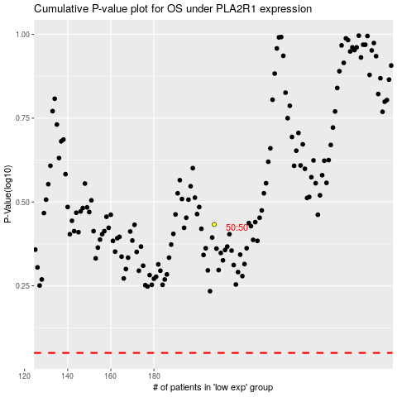

 |  |  |  |  |  | cases_OS | p_OS | rank | exp
 |  |  |  |  |  |  | cases_RFS | p_RFS | rank | exp

