PLAC8 _multivariate
Reported by Tex Li-Hsing Chi. tex@gate.sinica.edu.tw 2019-08-17

Table 2. The clinicopathological features of HNSCC cohort and PLAC8 expression. (Chi square test)
Cutoff at -0.424 (33.3%)
 |  | PLAC8 expression |  | PLAC8 expression |  | (Optimised)
 | Features | Low | (%) | High | (%) | Case no | P-value | Remark | Matthews
Gender | Female | 99 | 23.9 | 207 | 49.9 | 415 | 0.5935 | 0 | 0
2 | Male | 39 | 9.4 | 70 | 16.9
Age at diagnosis | <=65y | 92 | 22.2 | 182 | 43.9 | 415 | 0.9322 | 0 | 0
4 | >65y | 46 | 11.1 | 95 | 22.9
Clinical T Status | T1+T2 | 40 | 9.6 | 109 | 26.3 | 415 | 0.0494 | 1 | 0
6 | T3+T4 | 98 | 23.6 | 168 | 40.5
Clinical N Status | N0 | 73 | 17.6 | 143 | 34.5 | 415 | 0.8883 | 0 | 0
8 | N1-3 | 65 | 15.7 | 134 | 32.3
Clinical M Status | M0 | 136 | 32.8 | 276 | 66.5 | 415 | 0.2576 | 0 | 0
10 | M1 | 2 | 0.5 | 1 | 0.2
Clinical Stage | Stage I+II | 28 | 6.7 | 74 | 17.8 | 415 | 0.1898 | 0 | 0
12 | Stage III+IV | 110 | 26.5 | 203 | 48.9
Surgical Margin status | Negative | 105 | 25.3 | 213 | 51.3 | 415 | 0.9022 | 0 | 0
14 | Positive | 33 | 8 | 64 | 15.4
Tobacco Exposure | Low | 64 | 15.4 | 97 | 23.4 | 415 | 0.0323 | 1 | 0
16 | High | 74 | 17.8 | 180 | 43.4

Table 3. Univariate/Multivariate Cox's proportional hazards regression analyses on OS time of PLAC8 gene expression in HNSCC

 |  | Univariate |  |  |  | Multivariate
 | Features | HR | CI95%(L) | CI95%(H) | P-value | HR | CI95%(L) | CI95%(H) | P-value
1 | Female | 1 |  |  |  | 1
Gender | Male | 1.157 | 0.843 | 1.587 | 0.367 | 1.14 | 0.813 | 1.598 | 0.446
11 | <=65y | 1 |  |  |  | 1
Age at diagnosis | >65y | 1.329 | 0.99 | 1.784 | 0.058 | 1.389 | 1.023 | 1.887 | 0.035
12 | T1+T2 | 1 |  |  |  | 1
Clinical T Status | T3+T4 | 1.409 | 1.028 | 1.931 | 0.033 | 2.1 | 1.111 | 3.97 | 0.022
13 | N0 | 1 |  |  |  | 1
Clinical N Status | N1-3 | 1.185 | 0.89 | 1.577 | 0.246 | 1.256 | 0.882 | 1.791 | 0.207
14 | M0 | 1 |  |  |  | 1
Clinical M Status | M1 | 4.097 | 1.009 | 16.644 | 0.049 | 8.007 | 1.738 | 36.889 | 0.008
15 | Stage I+II | 1 |  |  |  | 1
Clinical Stage | Stage III+IV | 1.245 | 0.882 | 1.759 | 0.213 | 0.503 | 0.235 | 1.076 | 0.077
16 | Negative | 1 |  |  |  | 1
Surgical Margin status | Positive | 1.591 | 1.155 | 2.191 | 0.004 | 1.666 | 1.206 | 2.301 | 0.002
17 | Low | 1 |  |  |  | 1
Tobacco Exposure | High | 1.364 | 1.008 | 1.844 | 0.044 | 1.561 | 1.127 | 2.163 | 0.007
18 | Low | 1 |  |  |  | 1
RNAseq(z-score) | High | 0.678 | 0.504 | 0.911 | 0.01 | 0.66 | 0.485 | 0.898 | 0.008

Table 4. Univariate/Multivariate Cox's proportional hazards regression analyses on RFS time of PLAC8 gene expression in HNSCC

 |  | Univariate |  |  |  | Multivariate
 | Features | HR | CI95%(L) | CI95%(H) | P-value | HR | CI95%(L) | CI95%(H) | P-value
1 | Female | 1 |  |  |  | 1
Gender | Male | 1.157 | 0.843 | 1.587 | 0.367 | 1.14 | 0.813 | 1.598 | 0.446
11 | <=65y | 1 |  |  |  | 1
Age at diagnosis | >65y | 1.329 | 0.99 | 1.784 | 0.058 | 1.389 | 1.023 | 1.887 | 0.035
12 | T1+T2 | 1 |  |  |  | 1
Clinical T Status | T3+T4 | 1.409 | 1.028 | 1.931 | 0.033 | 2.1 | 1.111 | 3.97 | 0.022
13 | N0 | 1 |  |  |  | 1
Clinical N Status | N1-3 | 1.185 | 0.89 | 1.577 | 0.246 | 1.256 | 0.882 | 1.791 | 0.207
14 | M0 | 1 |  |  |  | 1
Clinical M Status | M1 | 4.097 | 1.009 | 16.644 | 0.049 | 8.007 | 1.738 | 36.889 | 0.008
15 | Stage I+II | 1 |  |  |  | 1
Clinical Stage | Stage III+IV | 1.245 | 0.882 | 1.759 | 0.213 | 0.503 | 0.235 | 1.076 | 0.077
16 | Negative | 1 |  |  |  | 1
Surgical Margin status | Positive | 1.591 | 1.155 | 2.191 | 0.004 | 1.666 | 1.206 | 2.301 | 0.002
17 | Low | 1 |  |  |  | 1
Tobacco Exposure | High | 1.364 | 1.008 | 1.844 | 0.044 | 1.561 | 1.127 | 2.163 | 0.007
18 | Low | 1 |  |  |  | 1
RNAseq(z-score) | High | 0.678 | 0.504 | 0.911 | 0.01 | 0.66 | 0.485 | 0.898 | 0.008

Kaplan-Meier survival estimate: Cutoff at -0.424 (33.3%)

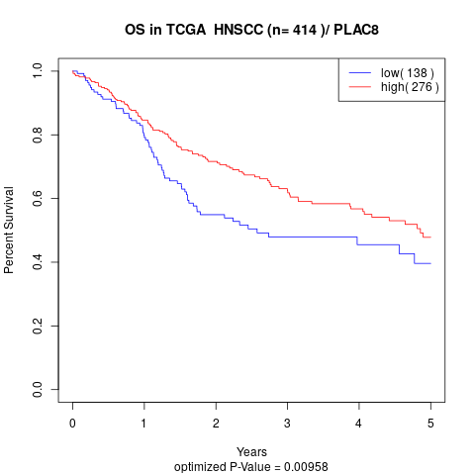

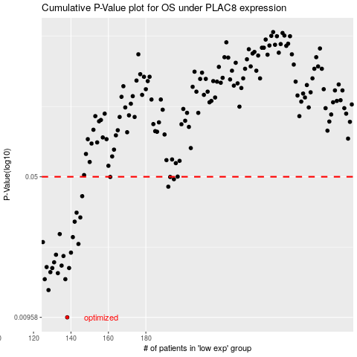

 |  |  |  |  |  | cases_OS | p_OS | rank | exp
 |  |  |  |  |  | 138 | 0.00958 | 183 | -0.42438879862
 |  |  |  |  |  | 128 | 0.0132 | 156 | -0.42757593759
 |  |  |  |  |  | 137 | 0.015 | 241 | -0.42540143175
 |  |  |  |  |  | 126 | 0.015 | 346 | -0.4284378746
 |  |  |  |  |  | 133 | 0.0161 | 131 | -0.42634571942
 |  |  |  |  |  | 129 | 0.0163 | 356 | -0.42731185524
 |  |  |  |  |  | 139 | 0.0171 | 292 | -0.42346759153
 |  |  |  |  |  | 130 | 0.0171 | 304 | -0.4269887269
 |  |  |  |  |  | 127 | 0.0173 | 161 | -0.42836314277
 |  |  |  |  |  | 135 | 0.0176 | 22 | -0.42549890805
 |  |  |  |  |  | 131 | 0.0183 | 313 | -0.426865481
 |  |  |  |  |  | 136 | 0.0197 | 143 | -0.4254305626
 |  |  |  |  |  | 132 | 0.02 | 56 | -0.42659198714
 |  |  |  |  |  | 140 | 0.0205 | 5 | -0.42344630361
 |  |  |  |  |  | 144 | 0.0227 | 41 | -0.42111740426
 |  |  |  |  |  | 125 | 0.0232 | 225 | -0.42851563156
 |  |  |  |  |  | 141 | 0.0246 | 293 | -0.42301494296
 |  |  |  |  |  | 134 | 0.0255 | 214 | -0.42555593729
 |  |  |  |  |  | 142 | 0.0295 | 415 | -0.4222159734
 |  |  |  |  |  | 145 | 0.031 | 132 | -0.42038946916
 |  |  |  |  |  | 143 | 0.0328 | 276 | -0.42188713093
 |  |  |  |  |  | 146 | 0.0398 | 60 | -0.42026689551
 |  |  |  |  |  | 192 | 0.0445 | 386 | -0.39897560607
 |  |  |  |  |  | 195 | 0.0486 | 174 | -0.39852911979
 |  |  |  |  |  | 193 | 0.0499 | 34 | -0.39873897394
 |  |  |  |  |  | 161 | 0.0499 | 40 | -0.41522804291
 |  |  |  |  |  |  | cases_RFS | p_RFS | rank | exp
 |  |  |  |  |  |  | 137 | 0.00958 | 241 | -0.42540143175
 |  |  |  |  |  |  | 127 | 0.0132 | 161 | -0.42836314277
 |  |  |  |  |  |  | 136 | 0.015 | 143 | -0.4254305626
 |  |  |  |  |  |  | 125 | 0.015 | 225 | -0.42851563156
 |  |  |  |  |  |  | 132 | 0.0161 | 56 | -0.42659198714
 |  |  |  |  |  |  | 128 | 0.0163 | 156 | -0.42757593759
 |  |  |  |  |  |  | 138 | 0.0171 | 183 | -0.42438879862
 |  |  |  |  |  |  | 129 | 0.0171 | 356 | -0.42731185524
 |  |  |  |  |  |  | 126 | 0.0173 | 346 | -0.4284378746
 |  |  |  |  |  |  | 134 | 0.0176 | 214 | -0.42555593729
 |  |  |  |  |  |  | 130 | 0.0183 | 304 | -0.4269887269
 |  |  |  |  |  |  | 135 | 0.0197 | 22 | -0.42549890805
 |  |  |  |  |  |  | 131 | 0.02 | 313 | -0.426865481
 |  |  |  |  |  |  | 139 | 0.0205 | 292 | -0.42346759153
 |  |  |  |  |  |  | 143 | 0.0227 | 276 | -0.42188713093
 |  |  |  |  |  |  |  | 0.0232 | 110 | -0.42992287565
 |  |  |  |  |  |  | 140 | 0.0246 | 5 | -0.42344630361
 |  |  |  |  |  |  | 133 | 0.0255 | 131 | -0.42634571942
 |  |  |  |  |  |  | 141 | 0.0295 | 293 | -0.42301494296
 |  |  |  |  |  |  | 144 | 0.031 | 41 | -0.42111740426
 |  |  |  |  |  |  | 142 | 0.0328 | 415 | -0.4222159734
 |  |  |  |  |  |  | 145 | 0.0398 | 132 | -0.42038946916
 |  |  |  |  |  |  | 191 | 0.0445 | 389 | -0.40074687374
 |  |  |  |  |  |  | 194 | 0.0486 | 176 | -0.39870356876
 |  |  |  |  |  |  | 160 | 0.0499 | 142 | -0.41569592916
 |  |  |  |  |  |  | 192 | 0.0499 | 386 | -0.39897560607

