PLAC8L1 _multivariate
Reported by Tex Li-Hsing Chi. tex@gate.sinica.edu.tw 2019-08-17

Table 2. The clinicopathological features of HNSCC cohort and PLAC8L1 expression. (Chi square test)
Cutoff at -0.309 (49.8%)
 |  | PLAC8L1 expression |  | PLAC8L1 expression |  | (Optimised)
 | Features | Low | (%) | High | (%) | Case no | P-value | Remark | Matthews
Gender | Female | 150 | 36.1 | 156 | 37.6 | 415 | 0.6344 | 0 | 0
2 | Male | 57 | 13.7 | 52 | 12.5
Age at diagnosis | <=65y | 137 | 33 | 137 | 33 | 415 | 1 | 0 | 0
4 | >65y | 70 | 16.9 | 71 | 17.1
Clinical T Status | T1+T2 | 74 | 17.8 | 75 | 18.1 | 415 | 1 | 0 | 0
6 | T3+T4 | 133 | 32 | 133 | 32
Clinical N Status | N0 | 110 | 26.5 | 106 | 25.5 | 415 | 0.7294 | 0 | 0
8 | N1-3 | 97 | 23.4 | 102 | 24.6
Clinical M Status | M0 | 206 | 49.6 | 206 | 49.6 | 415 | 1 | 0 | 0
10 | M1 | 1 | 0.2 | 2 | 0.5
Clinical Stage | Stage I+II | 55 | 13.3 | 47 | 11.3 | 415 | 0.4087 | 0 | 0
12 | Stage III+IV | 152 | 36.6 | 161 | 38.8
Surgical Margin status | Negative | 164 | 39.5 | 154 | 37.1 | 415 | 0.2462 | 0 | 0
14 | Positive | 43 | 10.4 | 54 | 13
Tobacco Exposure | Low | 83 | 20 | 78 | 18.8 | 415 | 0.6152 | 0 | 0
16 | High | 124 | 29.9 | 130 | 31.3

Table 3. Univariate/Multivariate Cox's proportional hazards regression analyses on OS time of PLAC8L1 gene expression in HNSCC

 |  | Univariate |  |  |  | Multivariate
 | Features | HR | CI95%(L) | CI95%(H) | P-value | HR | CI95%(L) | CI95%(H) | P-value
1 | Female | 1 |  |  |  | 1
Gender | Male | 1.157 | 0.843 | 1.587 | 0.367 | 1.201 | 0.86 | 1.677 | 0.282
11 | <=65y | 1 |  |  |  | 1
Age at diagnosis | >65y | 1.329 | 0.99 | 1.784 | 0.058 | 1.408 | 1.035 | 1.916 | 0.03
12 | T1+T2 | 1 |  |  |  | 1
Clinical T Status | T3+T4 | 1.409 | 1.028 | 1.931 | 0.033 | 2.169 | 1.146 | 4.105 | 0.017
13 | N0 | 1 |  |  |  | 1
Clinical N Status | N1-3 | 1.185 | 0.89 | 1.577 | 0.246 | 1.237 | 0.867 | 1.766 | 0.24
14 | M0 | 1 |  |  |  | 1
Clinical M Status | M1 | 4.097 | 1.009 | 16.644 | 0.049 | 9.439 | 2.059 | 43.266 | 0.004
15 | Stage I+II | 1 |  |  |  | 1
Clinical Stage | Stage III+IV | 1.245 | 0.882 | 1.759 | 0.213 | 0.515 | 0.239 | 1.108 | 0.09
16 | Negative | 1 |  |  |  | 1
Surgical Margin status | Positive | 1.591 | 1.155 | 2.191 | 0.004 | 1.68 | 1.215 | 2.322 | 0.002
17 | Low | 1 |  |  |  | 1
Tobacco Exposure | High | 1.364 | 1.008 | 1.844 | 0.044 | 1.45 | 1.053 | 1.997 | 0.023
18 | Low | 1 |  |  |  | 1
RNAseq(z-score) | High | 0.916 | 0.686 | 1.224 | 0.555 | 0.891 | 0.665 | 1.193 | 0.438

Table 4. Univariate/Multivariate Cox's proportional hazards regression analyses on RFS time of PLAC8L1 gene expression in HNSCC

 |  | Univariate |  |  |  | Multivariate
 | Features | HR | CI95%(L) | CI95%(H) | P-value | HR | CI95%(L) | CI95%(H) | P-value
1 | Female | 1 |  |  |  | 1
Gender | Male | 1.157 | 0.843 | 1.587 | 0.367 | 1.201 | 0.86 | 1.677 | 0.282
11 | <=65y | 1 |  |  |  | 1
Age at diagnosis | >65y | 1.329 | 0.99 | 1.784 | 0.058 | 1.408 | 1.035 | 1.916 | 0.03
12 | T1+T2 | 1 |  |  |  | 1
Clinical T Status | T3+T4 | 1.409 | 1.028 | 1.931 | 0.033 | 2.169 | 1.146 | 4.105 | 0.017
13 | N0 | 1 |  |  |  | 1
Clinical N Status | N1-3 | 1.185 | 0.89 | 1.577 | 0.246 | 1.237 | 0.867 | 1.766 | 0.24
14 | M0 | 1 |  |  |  | 1
Clinical M Status | M1 | 4.097 | 1.009 | 16.644 | 0.049 | 9.439 | 2.059 | 43.266 | 0.004
15 | Stage I+II | 1 |  |  |  | 1
Clinical Stage | Stage III+IV | 1.245 | 0.882 | 1.759 | 0.213 | 0.515 | 0.239 | 1.108 | 0.09
16 | Negative | 1 |  |  |  | 1
Surgical Margin status | Positive | 1.591 | 1.155 | 2.191 | 0.004 | 1.68 | 1.215 | 2.322 | 0.002
17 | Low | 1 |  |  |  | 1
Tobacco Exposure | High | 1.364 | 1.008 | 1.844 | 0.044 | 1.45 | 1.053 | 1.997 | 0.023
18 | Low | 1 |  |  |  | 1
RNAseq(z-score) | High | 0.916 | 0.686 | 1.224 | 0.555 | 0.891 | 0.665 | 1.193 | 0.438

Kaplan-Meier survival estimate: Cutoff at -0.309 (49.8%)



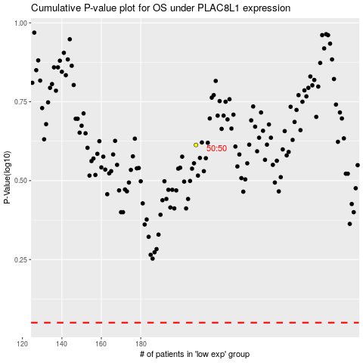

 |  |  |  |  |  | cases_OS | p_OS | rank | exp
 |  |  |  |  |  |  | cases_RFS | p_RFS | rank | exp

