PLAG1 _multivariate
Reported by Tex Li-Hsing Chi. tex@gate.sinica.edu.tw 2019-08-17

Table 2. The clinicopathological features of HNSCC cohort and PLAG1 expression. (Chi square test)
Cutoff at -0.436 (49.8%)
 |  | PLAG1 expression |  | PLAG1 expression |  | (Optimised)
 | Features | Low | (%) | High | (%) | Case no | P-value | Remark | Matthews
Gender | Female | 143 | 34.5 | 163 | 39.3 | 415 | 0.0416 | 1 | 0
2 | Male | 64 | 15.4 | 45 | 10.8
Age at diagnosis | <=65y | 138 | 33.3 | 136 | 32.8 | 415 | 0.8634 | 0 | 0
4 | >65y | 69 | 16.6 | 72 | 17.3
Clinical T Status | T1+T2 | 86 | 20.7 | 63 | 15.2 | 415 | 0.0221 | 1 | 0
6 | T3+T4 | 121 | 29.2 | 145 | 34.9
Clinical N Status | N0 | 108 | 26 | 108 | 26 | 415 | 1 | 0 | 0
8 | N1-3 | 99 | 23.9 | 100 | 24.1
Clinical M Status | M0 | 205 | 49.4 | 207 | 49.9 | 415 | 0.6232 | 0 | 0
10 | M1 | 2 | 0.5 | 1 | 0.2
Clinical Stage | Stage I+II | 61 | 14.7 | 41 | 9.9 | 415 | 0.0282 | 1 | 0
12 | Stage III+IV | 146 | 35.2 | 167 | 40.2
Surgical Margin status | Negative | 149 | 35.9 | 169 | 40.7 | 415 | 0.0278 | 1 | 0
14 | Positive | 58 | 14 | 39 | 9.4
Tobacco Exposure | Low | 91 | 21.9 | 70 | 16.9 | 415 | 0.0346 | 1 | 0
16 | High | 116 | 28 | 138 | 33.3

Table 3. Univariate/Multivariate Cox's proportional hazards regression analyses on OS time of PLAG1 gene expression in HNSCC

 |  | Univariate |  |  |  | Multivariate
 | Features | HR | CI95%(L) | CI95%(H) | P-value | HR | CI95%(L) | CI95%(H) | P-value
1 | Female | 1 |  |  |  | 1
Gender | Male | 1.157 | 0.843 | 1.587 | 0.367 | 1.212 | 0.867 | 1.694 | 0.26
11 | <=65y | 1 |  |  |  | 1
Age at diagnosis | >65y | 1.329 | 0.99 | 1.784 | 0.058 | 1.393 | 1.025 | 1.893 | 0.034
12 | T1+T2 | 1 |  |  |  | 1
Clinical T Status | T3+T4 | 1.409 | 1.028 | 1.931 | 0.033 | 2.188 | 1.157 | 4.137 | 0.016
13 | N0 | 1 |  |  |  | 1
Clinical N Status | N1-3 | 1.185 | 0.89 | 1.577 | 0.246 | 1.26 | 0.882 | 1.801 | 0.205
14 | M0 | 1 |  |  |  | 1
Clinical M Status | M1 | 4.097 | 1.009 | 16.644 | 0.049 | 9.726 | 2.118 | 44.657 | 0.003
15 | Stage I+II | 1 |  |  |  | 1
Clinical Stage | Stage III+IV | 1.245 | 0.882 | 1.759 | 0.213 | 0.493 | 0.229 | 1.06 | 0.07
16 | Negative | 1 |  |  |  | 1
Surgical Margin status | Positive | 1.591 | 1.155 | 2.191 | 0.004 | 1.694 | 1.225 | 2.344 | 0.001
17 | Low | 1 |  |  |  | 1
Tobacco Exposure | High | 1.364 | 1.008 | 1.844 | 0.044 | 1.419 | 1.026 | 1.962 | 0.035
18 | Low | 1 |  |  |  | 1
RNAseq(z-score) | High | 1.126 | 0.845 | 1.501 | 0.418 | 1.14 | 0.844 | 1.541 | 0.393

Table 4. Univariate/Multivariate Cox's proportional hazards regression analyses on RFS time of PLAG1 gene expression in HNSCC

 |  | Univariate |  |  |  | Multivariate
 | Features | HR | CI95%(L) | CI95%(H) | P-value | HR | CI95%(L) | CI95%(H) | P-value
1 | Female | 1 |  |  |  | 1
Gender | Male | 1.157 | 0.843 | 1.587 | 0.367 | 1.212 | 0.867 | 1.694 | 0.26
11 | <=65y | 1 |  |  |  | 1
Age at diagnosis | >65y | 1.329 | 0.99 | 1.784 | 0.058 | 1.393 | 1.025 | 1.893 | 0.034
12 | T1+T2 | 1 |  |  |  | 1
Clinical T Status | T3+T4 | 1.409 | 1.028 | 1.931 | 0.033 | 2.188 | 1.157 | 4.137 | 0.016
13 | N0 | 1 |  |  |  | 1
Clinical N Status | N1-3 | 1.185 | 0.89 | 1.577 | 0.246 | 1.26 | 0.882 | 1.801 | 0.205
14 | M0 | 1 |  |  |  | 1
Clinical M Status | M1 | 4.097 | 1.009 | 16.644 | 0.049 | 9.726 | 2.118 | 44.657 | 0.003
15 | Stage I+II | 1 |  |  |  | 1
Clinical Stage | Stage III+IV | 1.245 | 0.882 | 1.759 | 0.213 | 0.493 | 0.229 | 1.06 | 0.07
16 | Negative | 1 |  |  |  | 1
Surgical Margin status | Positive | 1.591 | 1.155 | 2.191 | 0.004 | 1.694 | 1.225 | 2.344 | 0.001
17 | Low | 1 |  |  |  | 1
Tobacco Exposure | High | 1.364 | 1.008 | 1.844 | 0.044 | 1.419 | 1.026 | 1.962 | 0.035
18 | Low | 1 |  |  |  | 1
RNAseq(z-score) | High | 1.126 | 0.845 | 1.501 | 0.418 | 1.14 | 0.844 | 1.541 | 0.393

Kaplan-Meier survival estimate: Cutoff at -0.436 (49.8%)



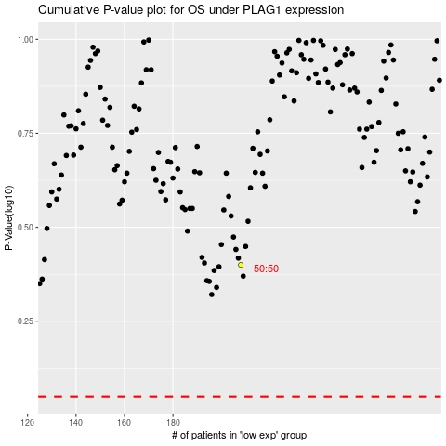

 |  |  |  |  |  | cases_OS | p_OS | rank | exp
 |  |  |  |  |  |  | cases_RFS | p_RFS | rank | exp

