PLAGL2 _multivariate
Reported by Tex Li-Hsing Chi. tex@gate.sinica.edu.tw 2019-08-17

Table 2. The clinicopathological features of HNSCC cohort and PLAGL2 expression. (Chi square test)
Cutoff at -0.212 (50.0%)
 |  | PLAGL2 expression |  | PLAGL2 expression |  | (Optimised)
 | Features | Low | (%) | High | (%) | Case no | P-value | Remark | Matthews
Gender | Female | 144 | 34.7 | 162 | 39 | 415 | 0.0697 | 0 | 0
2 | Male | 63 | 15.2 | 46 | 11.1
Age at diagnosis | <=65y | 128 | 30.8 | 146 | 35.2 | 415 | 0.0904 | 0 | 0
4 | >65y | 79 | 19 | 62 | 14.9
Clinical T Status | T1+T2 | 90 | 21.7 | 59 | 14.2 | 415 | 0.0019 | 1 | 0
6 | T3+T4 | 117 | 28.2 | 149 | 35.9
Clinical N Status | N0 | 122 | 29.4 | 94 | 22.7 | 415 | 0.0068 | 1 | 0
8 | N1-3 | 85 | 20.5 | 114 | 27.5
Clinical M Status | M0 | 205 | 49.4 | 207 | 49.9 | 415 | 0.6232 | 0 | 0
10 | M1 | 2 | 0.5 | 1 | 0.2
Clinical Stage | Stage I+II | 67 | 16.1 | 35 | 8.4 | 415 | 4e-04 | 1 | 0
12 | Stage III+IV | 140 | 33.7 | 173 | 41.7
Surgical Margin status | Negative | 156 | 37.6 | 162 | 39 | 415 | 0.5636 | 0 | 0
14 | Positive | 51 | 12.3 | 46 | 11.1
Tobacco Exposure | Low | 98 | 23.6 | 63 | 15.2 | 415 | 4e-04 | 1 | 0
16 | High | 109 | 26.3 | 145 | 34.9

Table 3. Univariate/Multivariate Cox's proportional hazards regression analyses on OS time of PLAGL2 gene expression in HNSCC

 |  | Univariate |  |  |  | Multivariate
 | Features | HR | CI95%(L) | CI95%(H) | P-value | HR | CI95%(L) | CI95%(H) | P-value
1 | Female | 1 |  |  |  | 1
Gender | Male | 1.157 | 0.843 | 1.587 | 0.367 | 1.192 | 0.852 | 1.667 | 0.305
11 | <=65y | 1 |  |  |  | 1
Age at diagnosis | >65y | 1.329 | 0.99 | 1.784 | 0.058 | 1.382 | 1.016 | 1.88 | 0.039
12 | T1+T2 | 1 |  |  |  | 1
Clinical T Status | T3+T4 | 1.409 | 1.028 | 1.931 | 0.033 | 2.187 | 1.157 | 4.135 | 0.016
13 | N0 | 1 |  |  |  | 1
Clinical N Status | N1-3 | 1.185 | 0.89 | 1.577 | 0.246 | 1.244 | 0.872 | 1.775 | 0.228
14 | M0 | 1 |  |  |  | 1
Clinical M Status | M1 | 4.097 | 1.009 | 16.644 | 0.049 | 9.145 | 1.991 | 42.006 | 0.004
15 | Stage I+II | 1 |  |  |  | 1
Clinical Stage | Stage III+IV | 1.245 | 0.882 | 1.759 | 0.213 | 0.517 | 0.24 | 1.113 | 0.092
16 | Negative | 1 |  |  |  | 1
Surgical Margin status | Positive | 1.591 | 1.155 | 2.191 | 0.004 | 1.652 | 1.193 | 2.286 | 0.002
17 | Low | 1 |  |  |  | 1
Tobacco Exposure | High | 1.364 | 1.008 | 1.844 | 0.044 | 1.466 | 1.063 | 2.023 | 0.02
18 | Low | 1 |  |  |  | 1
RNAseq(z-score) | High | 0.893 | 0.669 | 1.191 | 0.44 | 0.906 | 0.671 | 1.221 | 0.516

Table 4. Univariate/Multivariate Cox's proportional hazards regression analyses on RFS time of PLAGL2 gene expression in HNSCC

 |  | Univariate |  |  |  | Multivariate
 | Features | HR | CI95%(L) | CI95%(H) | P-value | HR | CI95%(L) | CI95%(H) | P-value
1 | Female | 1 |  |  |  | 1
Gender | Male | 1.157 | 0.843 | 1.587 | 0.367 | 1.192 | 0.852 | 1.667 | 0.305
11 | <=65y | 1 |  |  |  | 1
Age at diagnosis | >65y | 1.329 | 0.99 | 1.784 | 0.058 | 1.382 | 1.016 | 1.88 | 0.039
12 | T1+T2 | 1 |  |  |  | 1
Clinical T Status | T3+T4 | 1.409 | 1.028 | 1.931 | 0.033 | 2.187 | 1.157 | 4.135 | 0.016
13 | N0 | 1 |  |  |  | 1
Clinical N Status | N1-3 | 1.185 | 0.89 | 1.577 | 0.246 | 1.244 | 0.872 | 1.775 | 0.228
14 | M0 | 1 |  |  |  | 1
Clinical M Status | M1 | 4.097 | 1.009 | 16.644 | 0.049 | 9.145 | 1.991 | 42.006 | 0.004
15 | Stage I+II | 1 |  |  |  | 1
Clinical Stage | Stage III+IV | 1.245 | 0.882 | 1.759 | 0.213 | 0.517 | 0.24 | 1.113 | 0.092
16 | Negative | 1 |  |  |  | 1
Surgical Margin status | Positive | 1.591 | 1.155 | 2.191 | 0.004 | 1.652 | 1.193 | 2.286 | 0.002
17 | Low | 1 |  |  |  | 1
Tobacco Exposure | High | 1.364 | 1.008 | 1.844 | 0.044 | 1.466 | 1.063 | 2.023 | 0.02
18 | Low | 1 |  |  |  | 1
RNAseq(z-score) | High | 0.893 | 0.669 | 1.191 | 0.44 | 0.906 | 0.671 | 1.221 | 0.516

Kaplan-Meier survival estimate: Cutoff at -0.212 (50.0%)



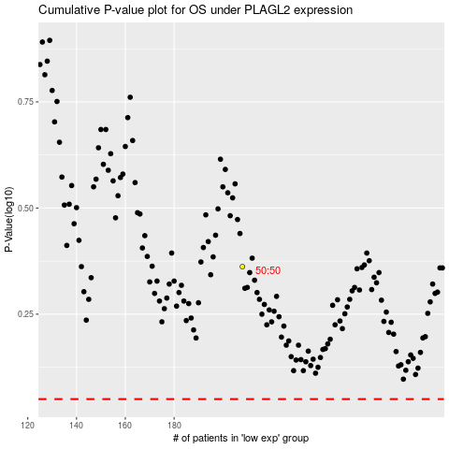

 |  |  |  |  |  | cases_OS | p_OS | rank | exp
 |  |  |  |  |  |  | cases_RFS | p_RFS | rank | exp

