PLAT _multivariate
Reported by Tex Li-Hsing Chi. tex@gate.sinica.edu.tw 2019-08-17

Table 2. The clinicopathological features of HNSCC cohort and PLAT expression. (Chi square test)
Cutoff at -0.294 (50.0%)
 |  | PLAT expression |  | PLAT expression |  | (Optimised)
 | Features | Low | (%) | High | (%) | Case no | P-value | Remark | Matthews
Gender | Female | 150 | 36.1 | 156 | 37.6 | 415 | 0.6344 | 0 | 0
2 | Male | 57 | 13.7 | 52 | 12.5
Age at diagnosis | <=65y | 146 | 35.2 | 128 | 30.8 | 415 | 0.0672 | 0 | 0
4 | >65y | 61 | 14.7 | 80 | 19.3
Clinical T Status | T1+T2 | 87 | 21 | 62 | 14.9 | 415 | 0.0127 | 1 | 0
6 | T3+T4 | 120 | 28.9 | 146 | 35.2
Clinical N Status | N0 | 101 | 24.3 | 115 | 27.7 | 415 | 0.2201 | 0 | 0
8 | N1-3 | 106 | 25.5 | 93 | 22.4
Clinical M Status | M0 | 205 | 49.4 | 207 | 49.9 | 415 | 0.6232 | 0 | 0
10 | M1 | 2 | 0.5 | 1 | 0.2
Clinical Stage | Stage I+II | 62 | 14.9 | 40 | 9.6 | 415 | 0.0154 | 1 | 0
12 | Stage III+IV | 145 | 34.9 | 168 | 40.5
Surgical Margin status | Negative | 158 | 38.1 | 160 | 38.6 | 415 | 0.9081 | 0 | 0
14 | Positive | 49 | 11.8 | 48 | 11.6
Tobacco Exposure | Low | 86 | 20.7 | 75 | 18.1 | 415 | 0.2687 | 0 | 0
16 | High | 121 | 29.2 | 133 | 32

Table 3. Univariate/Multivariate Cox's proportional hazards regression analyses on OS time of PLAT gene expression in HNSCC

 |  | Univariate |  |  |  | Multivariate
 | Features | HR | CI95%(L) | CI95%(H) | P-value | HR | CI95%(L) | CI95%(H) | P-value
1 | Female | 1 |  |  |  | 1
Gender | Male | 1.157 | 0.843 | 1.587 | 0.367 | 1.215 | 0.87 | 1.698 | 0.254
11 | <=65y | 1 |  |  |  | 1
Age at diagnosis | >65y | 1.329 | 0.99 | 1.784 | 0.058 | 1.388 | 1.022 | 1.887 | 0.036
12 | T1+T2 | 1 |  |  |  | 1
Clinical T Status | T3+T4 | 1.409 | 1.028 | 1.931 | 0.033 | 2.229 | 1.179 | 4.216 | 0.014
13 | N0 | 1 |  |  |  | 1
Clinical N Status | N1-3 | 1.185 | 0.89 | 1.577 | 0.246 | 1.28 | 0.894 | 1.832 | 0.178
14 | M0 | 1 |  |  |  | 1
Clinical M Status | M1 | 4.097 | 1.009 | 16.644 | 0.049 | 10.009 | 2.175 | 46.059 | 0.003
15 | Stage I+II | 1 |  |  |  | 1
Clinical Stage | Stage III+IV | 1.245 | 0.882 | 1.759 | 0.213 | 0.479 | 0.222 | 1.033 | 0.06
16 | Negative | 1 |  |  |  | 1
Surgical Margin status | Positive | 1.591 | 1.155 | 2.191 | 0.004 | 1.706 | 1.232 | 2.362 | 0.001
17 | Low | 1 |  |  |  | 1
Tobacco Exposure | High | 1.364 | 1.008 | 1.844 | 0.044 | 1.428 | 1.035 | 1.97 | 0.03
18 | Low | 1 |  |  |  | 1
RNAseq(z-score) | High | 1.13 | 0.848 | 1.506 | 0.404 | 1.193 | 0.887 | 1.606 | 0.243

Table 4. Univariate/Multivariate Cox's proportional hazards regression analyses on RFS time of PLAT gene expression in HNSCC

 |  | Univariate |  |  |  | Multivariate
 | Features | HR | CI95%(L) | CI95%(H) | P-value | HR | CI95%(L) | CI95%(H) | P-value
1 | Female | 1 |  |  |  | 1
Gender | Male | 1.157 | 0.843 | 1.587 | 0.367 | 1.215 | 0.87 | 1.698 | 0.254
11 | <=65y | 1 |  |  |  | 1
Age at diagnosis | >65y | 1.329 | 0.99 | 1.784 | 0.058 | 1.388 | 1.022 | 1.887 | 0.036
12 | T1+T2 | 1 |  |  |  | 1
Clinical T Status | T3+T4 | 1.409 | 1.028 | 1.931 | 0.033 | 2.229 | 1.179 | 4.216 | 0.014
13 | N0 | 1 |  |  |  | 1
Clinical N Status | N1-3 | 1.185 | 0.89 | 1.577 | 0.246 | 1.28 | 0.894 | 1.832 | 0.178
14 | M0 | 1 |  |  |  | 1
Clinical M Status | M1 | 4.097 | 1.009 | 16.644 | 0.049 | 10.009 | 2.175 | 46.059 | 0.003
15 | Stage I+II | 1 |  |  |  | 1
Clinical Stage | Stage III+IV | 1.245 | 0.882 | 1.759 | 0.213 | 0.479 | 0.222 | 1.033 | 0.06
16 | Negative | 1 |  |  |  | 1
Surgical Margin status | Positive | 1.591 | 1.155 | 2.191 | 0.004 | 1.706 | 1.232 | 2.362 | 0.001
17 | Low | 1 |  |  |  | 1
Tobacco Exposure | High | 1.364 | 1.008 | 1.844 | 0.044 | 1.428 | 1.035 | 1.97 | 0.03
18 | Low | 1 |  |  |  | 1
RNAseq(z-score) | High | 1.13 | 0.848 | 1.506 | 0.404 | 1.193 | 0.887 | 1.606 | 0.243

Kaplan-Meier survival estimate: Cutoff at -0.294 (50.0%)



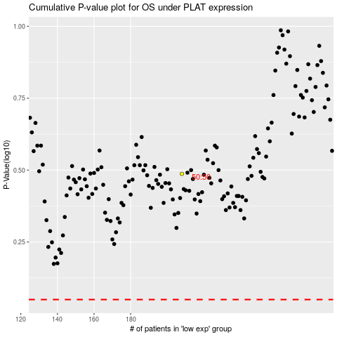

 |  |  |  |  |  | cases_OS | p_OS | rank | exp
 |  |  |  |  |  |  | cases_RFS | p_RFS | rank | exp

