PLB1 _multivariate
Reported by Tex Li-Hsing Chi. tex@gate.sinica.edu.tw 2019-08-17

Table 2. The clinicopathological features of HNSCC cohort and PLB1 expression. (Chi square test)
Cutoff at -0.275 (50.0%)
 |  | PLB1 expression |  | PLB1 expression |  | (Optimised)
 | Features | Low | (%) | High | (%) | Case no | P-value | Remark | Matthews
Gender | Female | 157 | 37.8 | 149 | 35.9 | 415 | 0.3881 | 0 | 0
2 | Male | 50 | 12 | 59 | 14.2
Age at diagnosis | <=65y | 141 | 34 | 133 | 32 | 415 | 0.4272 | 0 | 0
4 | >65y | 66 | 15.9 | 75 | 18.1
Clinical T Status | T1+T2 | 86 | 20.7 | 63 | 15.2 | 415 | 0.0221 | 1 | 0
6 | T3+T4 | 121 | 29.2 | 145 | 34.9
Clinical N Status | N0 | 96 | 23.1 | 120 | 28.9 | 415 | 0.0272 | 1 | 0
8 | N1-3 | 111 | 26.7 | 88 | 21.2
Clinical M Status | M0 | 206 | 49.6 | 206 | 49.6 | 415 | 1 | 0 | 0
10 | M1 | 1 | 0.2 | 2 | 0.5
Clinical Stage | Stage I+II | 57 | 13.7 | 45 | 10.8 | 415 | 0.1998 | 0 | 0
12 | Stage III+IV | 150 | 36.1 | 163 | 39.3
Surgical Margin status | Negative | 150 | 36.1 | 168 | 40.5 | 415 | 0.0492 | 1 | 0
14 | Positive | 57 | 13.7 | 40 | 9.6
Tobacco Exposure | Low | 78 | 18.8 | 83 | 20 | 415 | 0.6873 | 0 | 0
16 | High | 129 | 31.1 | 125 | 30.1

Table 3. Univariate/Multivariate Cox's proportional hazards regression analyses on OS time of PLB1 gene expression in HNSCC

 |  | Univariate |  |  |  | Multivariate
 | Features | HR | CI95%(L) | CI95%(H) | P-value | HR | CI95%(L) | CI95%(H) | P-value
1 | Female | 1 |  |  |  | 1
Gender | Male | 1.157 | 0.843 | 1.587 | 0.367 | 1.207 | 0.862 | 1.69 | 0.273
11 | <=65y | 1 |  |  |  | 1
Age at diagnosis | >65y | 1.329 | 0.99 | 1.784 | 0.058 | 1.394 | 1.025 | 1.896 | 0.034
12 | T1+T2 | 1 |  |  |  | 1
Clinical T Status | T3+T4 | 1.409 | 1.028 | 1.931 | 0.033 | 2.202 | 1.164 | 4.164 | 0.015
13 | N0 | 1 |  |  |  | 1
Clinical N Status | N1-3 | 1.185 | 0.89 | 1.577 | 0.246 | 1.228 | 0.852 | 1.769 | 0.271
14 | M0 | 1 |  |  |  | 1
Clinical M Status | M1 | 4.097 | 1.009 | 16.644 | 0.049 | 9.558 | 2.074 | 44.039 | 0.004
15 | Stage I+II | 1 |  |  |  | 1
Clinical Stage | Stage III+IV | 1.245 | 0.882 | 1.759 | 0.213 | 0.509 | 0.236 | 1.098 | 0.085
16 | Negative | 1 |  |  |  | 1
Surgical Margin status | Positive | 1.591 | 1.155 | 2.191 | 0.004 | 1.664 | 1.202 | 2.304 | 0.002
17 | Low | 1 |  |  |  | 1
Tobacco Exposure | High | 1.364 | 1.008 | 1.844 | 0.044 | 1.453 | 1.054 | 2.002 | 0.022
18 | Low | 1 |  |  |  | 1
RNAseq(z-score) | High | 0.941 | 0.706 | 1.254 | 0.677 | 0.962 | 0.711 | 1.302 | 0.803

Table 4. Univariate/Multivariate Cox's proportional hazards regression analyses on RFS time of PLB1 gene expression in HNSCC

 |  | Univariate |  |  |  | Multivariate
 | Features | HR | CI95%(L) | CI95%(H) | P-value | HR | CI95%(L) | CI95%(H) | P-value
1 | Female | 1 |  |  |  | 1
Gender | Male | 1.157 | 0.843 | 1.587 | 0.367 | 1.207 | 0.862 | 1.69 | 0.273
11 | <=65y | 1 |  |  |  | 1
Age at diagnosis | >65y | 1.329 | 0.99 | 1.784 | 0.058 | 1.394 | 1.025 | 1.896 | 0.034
12 | T1+T2 | 1 |  |  |  | 1
Clinical T Status | T3+T4 | 1.409 | 1.028 | 1.931 | 0.033 | 2.202 | 1.164 | 4.164 | 0.015
13 | N0 | 1 |  |  |  | 1
Clinical N Status | N1-3 | 1.185 | 0.89 | 1.577 | 0.246 | 1.228 | 0.852 | 1.769 | 0.271
14 | M0 | 1 |  |  |  | 1
Clinical M Status | M1 | 4.097 | 1.009 | 16.644 | 0.049 | 9.558 | 2.074 | 44.039 | 0.004
15 | Stage I+II | 1 |  |  |  | 1
Clinical Stage | Stage III+IV | 1.245 | 0.882 | 1.759 | 0.213 | 0.509 | 0.236 | 1.098 | 0.085
16 | Negative | 1 |  |  |  | 1
Surgical Margin status | Positive | 1.591 | 1.155 | 2.191 | 0.004 | 1.664 | 1.202 | 2.304 | 0.002
17 | Low | 1 |  |  |  | 1
Tobacco Exposure | High | 1.364 | 1.008 | 1.844 | 0.044 | 1.453 | 1.054 | 2.002 | 0.022
18 | Low | 1 |  |  |  | 1
RNAseq(z-score) | High | 0.941 | 0.706 | 1.254 | 0.677 | 0.962 | 0.711 | 1.302 | 0.803

Kaplan-Meier survival estimate: Cutoff at -0.275 (50.0%)



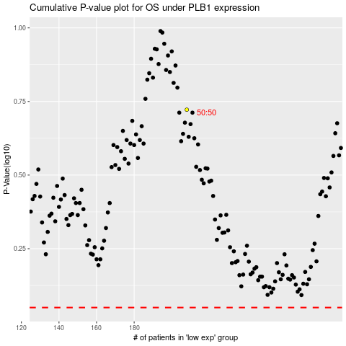

 |  |  |  |  |  | cases_OS | p_OS | rank | exp
 |  |  |  |  |  |  | cases_RFS | p_RFS | rank | exp

