PLCD3 _multivariate
Reported by Tex Li-Hsing Chi. tex@gate.sinica.edu.tw 2019-08-17

Table 2. The clinicopathological features of HNSCC cohort and PLCD3 expression. (Chi square test)
Cutoff at 0.174 (69.3%)
 |  | PLCD3 expression |  | PLCD3 expression |  | (Optimised)
 | Features | Low | (%) | High | (%) | Case no | P-value | Remark | Matthews
Gender | Female | 218 | 52.5 | 88 | 21.2 | 415 | 0.1555 | 0 | 0
2 | Male | 69 | 16.6 | 40 | 9.6
Age at diagnosis | <=65y | 191 | 46 | 83 | 20 | 415 | 0.8205 | 0 | 0
4 | >65y | 96 | 23.1 | 45 | 10.8
Clinical T Status | T1+T2 | 103 | 24.8 | 46 | 11.1 | 415 | 1 | 0 | 0
6 | T3+T4 | 184 | 44.3 | 82 | 19.8
Clinical N Status | N0 | 145 | 34.9 | 71 | 17.1 | 415 | 0.4093 | 0 | 0
8 | N1-3 | 142 | 34.2 | 57 | 13.7
Clinical M Status | M0 | 284 | 68.4 | 128 | 30.8 | 415 | 0.5558 | 0 | 0
10 | M1 | 3 | 0.7 | 0 | 0
Clinical Stage | Stage I+II | 67 | 16.1 | 35 | 8.4 | 415 | 0.453 | 0 | 0
12 | Stage III+IV | 220 | 53 | 93 | 22.4
Surgical Margin status | Negative | 216 | 52 | 102 | 24.6 | 415 | 0.3797 | 0 | 0
14 | Positive | 71 | 17.1 | 26 | 6.3
Tobacco Exposure | Low | 96 | 23.1 | 65 | 15.7 | 415 | 0.001 | 1 | 0
16 | High | 191 | 46 | 63 | 15.2

Table 3. Univariate/Multivariate Cox's proportional hazards regression analyses on OS time of PLCD3 gene expression in HNSCC

 |  | Univariate |  |  |  | Multivariate
 | Features | HR | CI95%(L) | CI95%(H) | P-value | HR | CI95%(L) | CI95%(H) | P-value
1 | Female | 1 |  |  |  | 1
Gender | Male | 1.157 | 0.843 | 1.587 | 0.367 | 1.159 | 0.826 | 1.625 | 0.393
11 | <=65y | 1 |  |  |  | 1
Age at diagnosis | >65y | 1.329 | 0.99 | 1.784 | 0.058 | 1.432 | 1.052 | 1.95 | 0.023
12 | T1+T2 | 1 |  |  |  | 1
Clinical T Status | T3+T4 | 1.409 | 1.028 | 1.931 | 0.033 | 2.085 | 1.102 | 3.947 | 0.024
13 | N0 | 1 |  |  |  | 1
Clinical N Status | N1-3 | 1.185 | 0.89 | 1.577 | 0.246 | 1.271 | 0.889 | 1.816 | 0.189
14 | M0 | 1 |  |  |  | 1
Clinical M Status | M1 | 4.097 | 1.009 | 16.644 | 0.049 | 10.57 | 2.301 | 48.553 | 0.002
15 | Stage I+II | 1 |  |  |  | 1
Clinical Stage | Stage III+IV | 1.245 | 0.882 | 1.759 | 0.213 | 0.514 | 0.239 | 1.103 | 0.088
16 | Negative | 1 |  |  |  | 1
Surgical Margin status | Positive | 1.591 | 1.155 | 2.191 | 0.004 | 1.722 | 1.245 | 2.38 | 0.001
17 | Low | 1 |  |  |  | 1
Tobacco Exposure | High | 1.364 | 1.008 | 1.844 | 0.044 | 1.629 | 1.168 | 2.271 | 0.004
18 | Low | 1 |  |  |  | 1
RNAseq(z-score) | High | 1.436 | 1.059 | 1.948 | 0.02 | 1.639 | 1.19 | 2.256 | 0.002

Table 4. Univariate/Multivariate Cox's proportional hazards regression analyses on RFS time of PLCD3 gene expression in HNSCC

 |  | Univariate |  |  |  | Multivariate
 | Features | HR | CI95%(L) | CI95%(H) | P-value | HR | CI95%(L) | CI95%(H) | P-value
1 | Female | 1 |  |  |  | 1
Gender | Male | 1.157 | 0.843 | 1.587 | 0.367 | 1.159 | 0.826 | 1.625 | 0.393
11 | <=65y | 1 |  |  |  | 1
Age at diagnosis | >65y | 1.329 | 0.99 | 1.784 | 0.058 | 1.432 | 1.052 | 1.95 | 0.023
12 | T1+T2 | 1 |  |  |  | 1
Clinical T Status | T3+T4 | 1.409 | 1.028 | 1.931 | 0.033 | 2.085 | 1.102 | 3.947 | 0.024
13 | N0 | 1 |  |  |  | 1
Clinical N Status | N1-3 | 1.185 | 0.89 | 1.577 | 0.246 | 1.271 | 0.889 | 1.816 | 0.189
14 | M0 | 1 |  |  |  | 1
Clinical M Status | M1 | 4.097 | 1.009 | 16.644 | 0.049 | 10.57 | 2.301 | 48.553 | 0.002
15 | Stage I+II | 1 |  |  |  | 1
Clinical Stage | Stage III+IV | 1.245 | 0.882 | 1.759 | 0.213 | 0.514 | 0.239 | 1.103 | 0.088
16 | Negative | 1 |  |  |  | 1
Surgical Margin status | Positive | 1.591 | 1.155 | 2.191 | 0.004 | 1.722 | 1.245 | 2.38 | 0.001
17 | Low | 1 |  |  |  | 1
Tobacco Exposure | High | 1.364 | 1.008 | 1.844 | 0.044 | 1.629 | 1.168 | 2.271 | 0.004
18 | Low | 1 |  |  |  | 1
RNAseq(z-score) | High | 1.436 | 1.059 | 1.948 | 0.02 | 1.639 | 1.19 | 2.256 | 0.002

Kaplan-Meier survival estimate: Cutoff at 0.174 (69.3%)



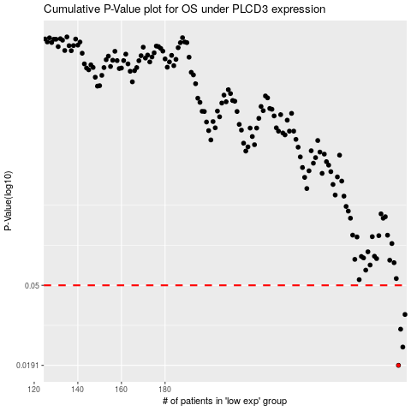

 |  |  |  |  |  | cases_OS | p_OS | rank | exp
 |  |  |  |  |  | 287 | 0.0191 | 250 | 0.17434750008
 |  |  |  |  |  | 289 | 0.0238 | 210 | 0.18576157586
 |  |  |  |  |  | 288 | 0.0295 | 268 | 0.18077365965
 |  |  |  |  |  | 290 | 0.0352 | 98 | 0.1896621364
 |  |  |  |  |  |  | cases_RFS | p_RFS | rank | exp
 |  |  |  |  |  |  | 286 | 0.0191 | 271 | 0.1732353028
 |  |  |  |  |  |  | 288 | 0.0238 | 268 | 0.18077365965
 |  |  |  |  |  |  | 287 | 0.0295 | 250 | 0.17434750008
 |  |  |  |  |  |  | 289 | 0.0352 | 210 | 0.18576157586

