PLCH2 _multivariate
Reported by Tex Li-Hsing Chi. tex@gate.sinica.edu.tw 2019-08-17

Table 2. The clinicopathological features of HNSCC cohort and PLCH2 expression. (Chi square test)
Cutoff at -0.509 (36.0%)
 |  | PLCH2 expression |  | PLCH2 expression |  | (Optimised)
 | Features | Low | (%) | High | (%) | Case no | P-value | Remark | Matthews
Gender | Female | 110 | 26.5 | 196 | 47.2 | 415 | 1 | 0 | 0
2 | Male | 39 | 9.4 | 70 | 16.9
Age at diagnosis | <=65y | 86 | 20.7 | 188 | 45.3 | 415 | 0.0103 | 1 | 0
4 | >65y | 63 | 15.2 | 78 | 18.8
Clinical T Status | T1+T2 | 49 | 11.8 | 100 | 24.1 | 415 | 0.394 | 0 | 0
6 | T3+T4 | 100 | 24.1 | 166 | 40
Clinical N Status | N0 | 80 | 19.3 | 136 | 32.8 | 415 | 0.6899 | 0 | 0
8 | N1-3 | 69 | 16.6 | 130 | 31.3
Clinical M Status | M0 | 148 | 35.7 | 264 | 63.6 | 415 | 1 | 0 | 0
10 | M1 | 1 | 0.2 | 2 | 0.5
Clinical Stage | Stage I+II | 32 | 7.7 | 70 | 16.9 | 415 | 0.3273 | 0 | 0
12 | Stage III+IV | 117 | 28.2 | 196 | 47.2
Surgical Margin status | Negative | 107 | 25.8 | 211 | 50.8 | 415 | 0.0911 | 0 | 0
14 | Positive | 42 | 10.1 | 55 | 13.3
Tobacco Exposure | Low | 41 | 9.9 | 120 | 28.9 | 415 | 5e-04 | 1 | 0
16 | High | 108 | 26 | 146 | 35.2

Table 3. Univariate/Multivariate Cox's proportional hazards regression analyses on OS time of PLCH2 gene expression in HNSCC

 |  | Univariate |  |  |  | Multivariate
 | Features | HR | CI95%(L) | CI95%(H) | P-value | HR | CI95%(L) | CI95%(H) | P-value
1 | Female | 1 |  |  |  | 1
Gender | Male | 1.157 | 0.843 | 1.587 | 0.367 | 1.184 | 0.847 | 1.657 | 0.323
11 | <=65y | 1 |  |  |  | 1
Age at diagnosis | >65y | 1.329 | 0.99 | 1.784 | 0.058 | 1.332 | 0.977 | 1.817 | 0.07
12 | T1+T2 | 1 |  |  |  | 1
Clinical T Status | T3+T4 | 1.409 | 1.028 | 1.931 | 0.033 | 2.196 | 1.162 | 4.148 | 0.015
13 | N0 | 1 |  |  |  | 1
Clinical N Status | N1-3 | 1.185 | 0.89 | 1.577 | 0.246 | 1.277 | 0.895 | 1.824 | 0.178
14 | M0 | 1 |  |  |  | 1
Clinical M Status | M1 | 4.097 | 1.009 | 16.644 | 0.049 | 9.778 | 2.133 | 44.819 | 0.003
15 | Stage I+II | 1 |  |  |  | 1
Clinical Stage | Stage III+IV | 1.245 | 0.882 | 1.759 | 0.213 | 0.494 | 0.23 | 1.06 | 0.07
16 | Negative | 1 |  |  |  | 1
Surgical Margin status | Positive | 1.591 | 1.155 | 2.191 | 0.004 | 1.615 | 1.167 | 2.234 | 0.004
17 | Low | 1 |  |  |  | 1
Tobacco Exposure | High | 1.364 | 1.008 | 1.844 | 0.044 | 1.376 | 0.994 | 1.905 | 0.054
18 | Low | 1 |  |  |  | 1
RNAseq(z-score) | High | 0.646 | 0.481 | 0.868 | 0.004 | 0.713 | 0.526 | 0.967 | 0.029

Table 4. Univariate/Multivariate Cox's proportional hazards regression analyses on RFS time of PLCH2 gene expression in HNSCC

 |  | Univariate |  |  |  | Multivariate
 | Features | HR | CI95%(L) | CI95%(H) | P-value | HR | CI95%(L) | CI95%(H) | P-value
1 | Female | 1 |  |  |  | 1
Gender | Male | 1.157 | 0.843 | 1.587 | 0.367 | 1.184 | 0.847 | 1.657 | 0.323
11 | <=65y | 1 |  |  |  | 1
Age at diagnosis | >65y | 1.329 | 0.99 | 1.784 | 0.058 | 1.332 | 0.977 | 1.817 | 0.07
12 | T1+T2 | 1 |  |  |  | 1
Clinical T Status | T3+T4 | 1.409 | 1.028 | 1.931 | 0.033 | 2.196 | 1.162 | 4.148 | 0.015
13 | N0 | 1 |  |  |  | 1
Clinical N Status | N1-3 | 1.185 | 0.89 | 1.577 | 0.246 | 1.277 | 0.895 | 1.824 | 0.178
14 | M0 | 1 |  |  |  | 1
Clinical M Status | M1 | 4.097 | 1.009 | 16.644 | 0.049 | 9.778 | 2.133 | 44.819 | 0.003
15 | Stage I+II | 1 |  |  |  | 1
Clinical Stage | Stage III+IV | 1.245 | 0.882 | 1.759 | 0.213 | 0.494 | 0.23 | 1.06 | 0.07
16 | Negative | 1 |  |  |  | 1
Surgical Margin status | Positive | 1.591 | 1.155 | 2.191 | 0.004 | 1.615 | 1.167 | 2.234 | 0.004
17 | Low | 1 |  |  |  | 1
Tobacco Exposure | High | 1.364 | 1.008 | 1.844 | 0.044 | 1.376 | 0.994 | 1.905 | 0.054
18 | Low | 1 |  |  |  | 1
RNAseq(z-score) | High | 0.646 | 0.481 | 0.868 | 0.004 | 0.713 | 0.526 | 0.967 | 0.029

Kaplan-Meier survival estimate: Cutoff at -0.509 (36.0%)

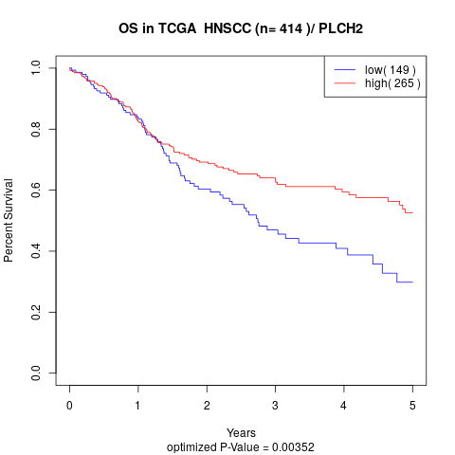

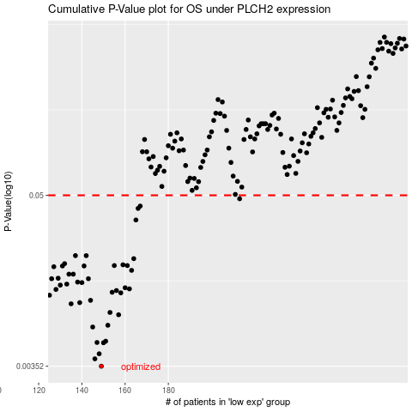

 |  |  |  |  |  | cases_OS | p_OS | rank | exp
 |  |  |  |  |  | 149 | 0.00352 | 399 | -0.508771043
 |  |  |  |  |  | 146 | 0.00395 | 15 | -0.51535905666
 |  |  |  |  |  | 148 | 0.00427 | 266 | -0.51012364398
 |  |  |  |  |  | 150 | 0.00507 | 345 | -0.50747686606
 |  |  |  |  |  | 147 | 0.00509 | 142 | -0.51453999645
 |  |  |  |  |  | 151 | 0.00519 | 136 | -0.50298186584
 |  |  |  |  |  | 145 | 0.00647 | 297 | -0.51655618788
 |  |  |  |  |  | 152 | 0.00665 | 378 | -0.49952319026
 |  |  |  |  |  | 157 | 0.00783 | 193 | -0.47000443983
 |  |  |  |  |  | 153 | 0.00811 | 400 | -0.49802129898
 |  |  |  |  |  | 135 | 0.00928 | 255 | -0.57333691945
 |  |  |  |  |  | 139 | 0.00945 | 60 | -0.53120615845
 |  |  |  |  |  | 144 | 0.00979 | 223 | -0.51784587066
 |  |  |  |  |  | 125 | 0.0106 | 17 | -0.61854224598
 |  |  |  |  |  | 158 | 0.011 | 110 | -0.4672437631
 |  |  |  |  |  | 154 | 0.0111 | 32 | -0.49360536785
 |  |  |  |  |  | 156 | 0.0114 | 364 | -0.48115711316
 |  |  |  |  |  | 128 | 0.0116 | 360 | -0.61289870762
 |  |  |  |  |  | 162 | 0.0117 | 112 | -0.43574589803
 |  |  |  |  |  | 160 | 0.0119 | 51 | -0.45023983706
 |  |  |  |  |  | 130 | 0.0124 | 128 | -0.59774145901
 |  |  |  |  |  | 133 | 0.0126 | 8 | -0.58130211152
 |  |  |  |  |  | 140 | 0.0129 | 83 | -0.52808637045
 |  |  |  |  |  | 138 | 0.013 | 65 | -0.53490976562
 |  |  |  |  |  | 126 | 0.0137 | 16 | -0.61638631433
 |  |  |  |  |  | 143 | 0.0137 | 137 | -0.52083701341
 |  |  |  |  |  | 129 | 0.0138 | 211 | -0.60088596489
 |  |  |  |  |  | 136 | 0.0147 | 14 | -0.54395889232
 |  |  |  |  |  | 134 | 0.0147 | 198 | -0.58125941702
 |  |  |  |  |  | 163 | 0.0156 | 5 | -0.40647404537
 |  |  |  |  |  | 127 | 0.0165 | 58 | -0.61610360373
 |  |  |  |  |  | 131 | 0.0167 | 25 | -0.59179231793
 |  |  |  |  |  | 141 | 0.0167 | 408 | -0.52742811681
 |  |  |  |  |  | 155 | 0.0168 | 61 | -0.49347602037
 |  |  |  |  |  | 161 | 0.0168 | 204 | -0.44124871308
 |  |  |  |  |  | 159 | 0.017 | 80 | -0.45291596745
 |  |  |  |  |  | 132 | 0.0173 | 361 | -0.58633767463
 |  |  |  |  |  | 164 | 0.0187 | 230 | -0.40557914625
 |  |  |  |  |  | 142 | 0.0196 | 68 | -0.52279646611
 |  |  |  |  |  | 137 | 0.0196 | 224 | -0.54368910242
 |  |  |  |  |  | 165 | 0.0341 | 178 | -0.4031663454
 |  |  |  |  |  | 166 | 0.0408 | 20 | -0.40231694962
 |  |  |  |  |  | 167 | 0.0423 | 245 | -0.39880406327
 |  |  |  |  |  | 213 | 0.0474 | 168 | -0.13124986981
 |  |  |  |  |  |  | cases_RFS | p_RFS | rank | exp
 |  |  |  |  |  |  | 148 | 0.00352 | 266 | -0.51012364398
 |  |  |  |  |  |  | 145 | 0.00395 | 297 | -0.51655618788
 |  |  |  |  |  |  | 147 | 0.00427 | 142 | -0.51453999645
 |  |  |  |  |  |  | 149 | 0.00507 | 399 | -0.508771043
 |  |  |  |  |  |  | 146 | 0.00509 | 15 | -0.51535905666
 |  |  |  |  |  |  | 150 | 0.00519 | 345 | -0.50747686606
 |  |  |  |  |  |  | 144 | 0.00647 | 223 | -0.51784587066
 |  |  |  |  |  |  | 151 | 0.00665 | 136 | -0.50298186584
 |  |  |  |  |  |  | 156 | 0.00783 | 364 | -0.48115711316
 |  |  |  |  |  |  | 152 | 0.00811 | 378 | -0.49952319026
 |  |  |  |  |  |  | 134 | 0.00928 | 198 | -0.58125941702
 |  |  |  |  |  |  | 138 | 0.00945 | 65 | -0.53490976562
 |  |  |  |  |  |  | 143 | 0.00979 | 137 | -0.52083701341
 |  |  |  |  |  |  |  | 0.0106 | 306 | -0.62310114751
 |  |  |  |  |  |  | 157 | 0.011 | 193 | -0.47000443983
 |  |  |  |  |  |  | 153 | 0.0111 | 400 | -0.49802129898
 |  |  |  |  |  |  | 155 | 0.0114 | 61 | -0.49347602037
 |  |  |  |  |  |  | 127 | 0.0116 | 58 | -0.61610360373
 |  |  |  |  |  |  | 161 | 0.0117 | 204 | -0.44124871308
 |  |  |  |  |  |  | 159 | 0.0119 | 80 | -0.45291596745
 |  |  |  |  |  |  | 129 | 0.0124 | 211 | -0.60088596489
 |  |  |  |  |  |  | 132 | 0.0126 | 361 | -0.58633767463
 |  |  |  |  |  |  | 139 | 0.0129 | 60 | -0.53120615845
 |  |  |  |  |  |  | 137 | 0.013 | 224 | -0.54368910242
 |  |  |  |  |  |  | 125 | 0.0137 | 17 | -0.61854224598
 |  |  |  |  |  |  | 142 | 0.0137 | 68 | -0.52279646611
 |  |  |  |  |  |  | 128 | 0.0138 | 360 | -0.61289870762
 |  |  |  |  |  |  | 133 | 0.0147 | 8 | -0.58130211152
 |  |  |  |  |  |  | 135 | 0.0147 | 255 | -0.57333691945
 |  |  |  |  |  |  | 162 | 0.0156 | 112 | -0.43574589803
 |  |  |  |  |  |  | 126 | 0.0165 | 16 | -0.61638631433
 |  |  |  |  |  |  | 140 | 0.0167 | 83 | -0.52808637045
 |  |  |  |  |  |  | 130 | 0.0167 | 128 | -0.59774145901
 |  |  |  |  |  |  | 154 | 0.0168 | 32 | -0.49360536785
 |  |  |  |  |  |  | 160 | 0.0168 | 51 | -0.45023983706
 |  |  |  |  |  |  | 158 | 0.017 | 110 | -0.4672437631
 |  |  |  |  |  |  | 131 | 0.0173 | 25 | -0.59179231793
 |  |  |  |  |  |  | 163 | 0.0187 | 5 | -0.40647404537
 |  |  |  |  |  |  | 136 | 0.0196 | 14 | -0.54395889232
 |  |  |  |  |  |  | 141 | 0.0196 | 408 | -0.52742811681
 |  |  |  |  |  |  | 164 | 0.0341 | 230 | -0.40557914625
 |  |  |  |  |  |  | 165 | 0.0408 | 178 | -0.4031663454
 |  |  |  |  |  |  | 166 | 0.0423 | 20 | -0.40231694962
 |  |  |  |  |  |  | 212 | 0.0474 | 69 | -0.13540471847

