PLCL1 _multivariate
Reported by Tex Li-Hsing Chi. tex@gate.sinica.edu.tw 2019-08-17

Table 2. The clinicopathological features of HNSCC cohort and PLCL1 expression. (Chi square test)
Cutoff at -0.26 (50.0%)
 |  | PLCL1 expression |  | PLCL1 expression |  | (Optimised)
 | Features | Low | (%) | High | (%) | Case no | P-value | Remark | Matthews
Gender | Female | 152 | 36.6 | 154 | 37.1 | 415 | 0.9766 | 0 | 0
2 | Male | 55 | 13.3 | 54 | 13
Age at diagnosis | <=65y | 132 | 31.8 | 142 | 34.2 | 415 | 0.3874 | 0 | 0
4 | >65y | 75 | 18.1 | 66 | 15.9
Clinical T Status | T1+T2 | 64 | 15.4 | 85 | 20.5 | 415 | 0.0445 | 1 | 0
6 | T3+T4 | 143 | 34.5 | 123 | 29.6
Clinical N Status | N0 | 108 | 26 | 108 | 26 | 415 | 1 | 0 | 0
8 | N1-3 | 99 | 23.9 | 100 | 24.1
Clinical M Status | M0 | 204 | 49.2 | 208 | 50.1 | 415 | 0.1232 | 0 | 0
10 | M1 | 3 | 0.7 | 0 | 0
Clinical Stage | Stage I+II | 41 | 9.9 | 61 | 14.7 | 415 | 0.0325 | 1 | 0
12 | Stage III+IV | 166 | 40 | 147 | 35.4
Surgical Margin status | Negative | 152 | 36.6 | 166 | 40 | 415 | 0.1329 | 0 | 0
14 | Positive | 55 | 13.3 | 42 | 10.1
Tobacco Exposure | Low | 76 | 18.3 | 85 | 20.5 | 415 | 0.4207 | 0 | 0
16 | High | 131 | 31.6 | 123 | 29.6

Table 3. Univariate/Multivariate Cox's proportional hazards regression analyses on OS time of PLCL1 gene expression in HNSCC

 |  | Univariate |  |  |  | Multivariate
 | Features | HR | CI95%(L) | CI95%(H) | P-value | HR | CI95%(L) | CI95%(H) | P-value
1 | Female | 1 |  |  |  | 1
Gender | Male | 1.157 | 0.843 | 1.587 | 0.367 | 1.199 | 0.858 | 1.675 | 0.289
11 | <=65y | 1 |  |  |  | 1
Age at diagnosis | >65y | 1.329 | 0.99 | 1.784 | 0.058 | 1.385 | 1.018 | 1.886 | 0.038
12 | T1+T2 | 1 |  |  |  | 1
Clinical T Status | T3+T4 | 1.409 | 1.028 | 1.931 | 0.033 | 2.196 | 1.161 | 4.153 | 0.016
13 | N0 | 1 |  |  |  | 1
Clinical N Status | N1-3 | 1.185 | 0.89 | 1.577 | 0.246 | 1.245 | 0.872 | 1.777 | 0.228
14 | M0 | 1 |  |  |  | 1
Clinical M Status | M1 | 4.097 | 1.009 | 16.644 | 0.049 | 9.17 | 1.982 | 42.431 | 0.005
15 | Stage I+II | 1 |  |  |  | 1
Clinical Stage | Stage III+IV | 1.245 | 0.882 | 1.759 | 0.213 | 0.502 | 0.234 | 1.079 | 0.077
16 | Negative | 1 |  |  |  | 1
Surgical Margin status | Positive | 1.591 | 1.155 | 2.191 | 0.004 | 1.667 | 1.206 | 2.305 | 0.002
17 | Low | 1 |  |  |  | 1
Tobacco Exposure | High | 1.364 | 1.008 | 1.844 | 0.044 | 1.449 | 1.051 | 1.998 | 0.024
18 | Low | 1 |  |  |  | 1
RNAseq(z-score) | High | 0.871 | 0.654 | 1.16 | 0.346 | 0.957 | 0.714 | 1.283 | 0.77

Table 4. Univariate/Multivariate Cox's proportional hazards regression analyses on RFS time of PLCL1 gene expression in HNSCC

 |  | Univariate |  |  |  | Multivariate
 | Features | HR | CI95%(L) | CI95%(H) | P-value | HR | CI95%(L) | CI95%(H) | P-value
1 | Female | 1 |  |  |  | 1
Gender | Male | 1.157 | 0.843 | 1.587 | 0.367 | 1.199 | 0.858 | 1.675 | 0.289
11 | <=65y | 1 |  |  |  | 1
Age at diagnosis | >65y | 1.329 | 0.99 | 1.784 | 0.058 | 1.385 | 1.018 | 1.886 | 0.038
12 | T1+T2 | 1 |  |  |  | 1
Clinical T Status | T3+T4 | 1.409 | 1.028 | 1.931 | 0.033 | 2.196 | 1.161 | 4.153 | 0.016
13 | N0 | 1 |  |  |  | 1
Clinical N Status | N1-3 | 1.185 | 0.89 | 1.577 | 0.246 | 1.245 | 0.872 | 1.777 | 0.228
14 | M0 | 1 |  |  |  | 1
Clinical M Status | M1 | 4.097 | 1.009 | 16.644 | 0.049 | 9.17 | 1.982 | 42.431 | 0.005
15 | Stage I+II | 1 |  |  |  | 1
Clinical Stage | Stage III+IV | 1.245 | 0.882 | 1.759 | 0.213 | 0.502 | 0.234 | 1.079 | 0.077
16 | Negative | 1 |  |  |  | 1
Surgical Margin status | Positive | 1.591 | 1.155 | 2.191 | 0.004 | 1.667 | 1.206 | 2.305 | 0.002
17 | Low | 1 |  |  |  | 1
Tobacco Exposure | High | 1.364 | 1.008 | 1.844 | 0.044 | 1.449 | 1.051 | 1.998 | 0.024
18 | Low | 1 |  |  |  | 1
RNAseq(z-score) | High | 0.871 | 0.654 | 1.16 | 0.346 | 0.957 | 0.714 | 1.283 | 0.77

Kaplan-Meier survival estimate: Cutoff at -0.26 (50.0%)



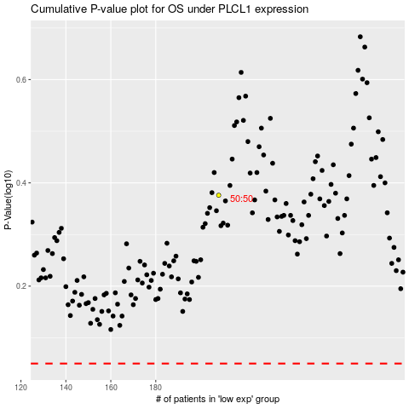

 |  |  |  |  |  | cases_OS | p_OS | rank | exp
 |  |  |  |  |  |  | cases_RFS | p_RFS | rank | exp

