PLCXD2 _multivariate
Reported by Tex Li-Hsing Chi. tex@gate.sinica.edu.tw 2019-08-17

Table 2. The clinicopathological features of HNSCC cohort and PLCXD2 expression. (Chi square test)
Cutoff at -0.258 (50.0%)
 |  | PLCXD2 expression |  | PLCXD2 expression |  | (Optimised)
 | Features | Low | (%) | High | (%) | Case no | P-value | Remark | Matthews
Gender | Female | 147 | 35.4 | 159 | 38.3 | 415 | 0.2523 | 0 | 0
2 | Male | 60 | 14.5 | 49 | 11.8
Age at diagnosis | <=65y | 139 | 33.5 | 135 | 32.5 | 415 | 0.7044 | 0 | 0
4 | >65y | 68 | 16.4 | 73 | 17.6
Clinical T Status | T1+T2 | 78 | 18.8 | 71 | 17.1 | 415 | 0.5152 | 0 | 0
6 | T3+T4 | 129 | 31.1 | 137 | 33
Clinical N Status | N0 | 116 | 28 | 100 | 24.1 | 415 | 0.1273 | 1 | 0
8 | N1-3 | 91 | 21.9 | 108 | 26
Clinical M Status | M0 | 204 | 49.2 | 208 | 50.1 | 415 | 0.1232 | 0 | 0
10 | M1 | 3 | 0.7 | 0 | 0
Clinical Stage | Stage I+II | 56 | 13.5 | 46 | 11.1 | 415 | 0.2918 | 0 | 0
12 | Stage III+IV | 151 | 36.4 | 162 | 39
Surgical Margin status | Negative | 159 | 38.3 | 159 | 38.3 | 415 | 1 | 0 | 0
14 | Positive | 48 | 11.6 | 49 | 11.8
Tobacco Exposure | Low | 84 | 20.2 | 77 | 18.6 | 415 | 0.4816 | 0 | 0
16 | High | 123 | 29.6 | 131 | 31.6

Table 3. Univariate/Multivariate Cox's proportional hazards regression analyses on OS time of PLCXD2 gene expression in HNSCC

 |  | Univariate |  |  |  | Multivariate
 | Features | HR | CI95%(L) | CI95%(H) | P-value | HR | CI95%(L) | CI95%(H) | P-value
1 | Female | 1 |  |  |  | 1
Gender | Male | 1.157 | 0.843 | 1.587 | 0.367 | 1.207 | 0.863 | 1.689 | 0.272
11 | <=65y | 1 |  |  |  | 1
Age at diagnosis | >65y | 1.329 | 0.99 | 1.784 | 0.058 | 1.384 | 1.017 | 1.885 | 0.039
12 | T1+T2 | 1 |  |  |  | 1
Clinical T Status | T3+T4 | 1.409 | 1.028 | 1.931 | 0.033 | 2.209 | 1.168 | 4.178 | 0.015
13 | N0 | 1 |  |  |  | 1
Clinical N Status | N1-3 | 1.185 | 0.89 | 1.577 | 0.246 | 1.241 | 0.87 | 1.771 | 0.234
14 | M0 | 1 |  |  |  | 1
Clinical M Status | M1 | 4.097 | 1.009 | 16.644 | 0.049 | 9.669 | 2.088 | 44.76 | 0.004
15 | Stage I+II | 1 |  |  |  | 1
Clinical Stage | Stage III+IV | 1.245 | 0.882 | 1.759 | 0.213 | 0.503 | 0.234 | 1.081 | 0.078
16 | Negative | 1 |  |  |  | 1
Surgical Margin status | Positive | 1.591 | 1.155 | 2.191 | 0.004 | 1.678 | 1.213 | 2.321 | 0.002
17 | Low | 1 |  |  |  | 1
Tobacco Exposure | High | 1.364 | 1.008 | 1.844 | 0.044 | 1.454 | 1.055 | 2.003 | 0.022
18 | Low | 1 |  |  |  | 1
RNAseq(z-score) | High | 0.985 | 0.739 | 1.312 | 0.916 | 1.048 | 0.782 | 1.404 | 0.754

Table 4. Univariate/Multivariate Cox's proportional hazards regression analyses on RFS time of PLCXD2 gene expression in HNSCC

 |  | Univariate |  |  |  | Multivariate
 | Features | HR | CI95%(L) | CI95%(H) | P-value | HR | CI95%(L) | CI95%(H) | P-value
1 | Female | 1 |  |  |  | 1
Gender | Male | 1.157 | 0.843 | 1.587 | 0.367 | 1.207 | 0.863 | 1.689 | 0.272
11 | <=65y | 1 |  |  |  | 1
Age at diagnosis | >65y | 1.329 | 0.99 | 1.784 | 0.058 | 1.384 | 1.017 | 1.885 | 0.039
12 | T1+T2 | 1 |  |  |  | 1
Clinical T Status | T3+T4 | 1.409 | 1.028 | 1.931 | 0.033 | 2.209 | 1.168 | 4.178 | 0.015
13 | N0 | 1 |  |  |  | 1
Clinical N Status | N1-3 | 1.185 | 0.89 | 1.577 | 0.246 | 1.241 | 0.87 | 1.771 | 0.234
14 | M0 | 1 |  |  |  | 1
Clinical M Status | M1 | 4.097 | 1.009 | 16.644 | 0.049 | 9.669 | 2.088 | 44.76 | 0.004
15 | Stage I+II | 1 |  |  |  | 1
Clinical Stage | Stage III+IV | 1.245 | 0.882 | 1.759 | 0.213 | 0.503 | 0.234 | 1.081 | 0.078
16 | Negative | 1 |  |  |  | 1
Surgical Margin status | Positive | 1.591 | 1.155 | 2.191 | 0.004 | 1.678 | 1.213 | 2.321 | 0.002
17 | Low | 1 |  |  |  | 1
Tobacco Exposure | High | 1.364 | 1.008 | 1.844 | 0.044 | 1.454 | 1.055 | 2.003 | 0.022
18 | Low | 1 |  |  |  | 1
RNAseq(z-score) | High | 0.985 | 0.739 | 1.312 | 0.916 | 1.048 | 0.782 | 1.404 | 0.754

Kaplan-Meier survival estimate: Cutoff at -0.258 (50.0%)



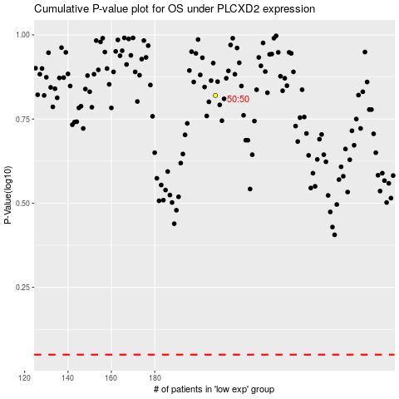

 |  |  |  |  |  | cases_OS | p_OS | rank | exp
 |  |  |  |  |  |  | cases_RFS | p_RFS | rank | exp

