PLD2 _multivariate
Reported by Tex Li-Hsing Chi. tex@gate.sinica.edu.tw 2019-08-17

Table 2. The clinicopathological features of HNSCC cohort and PLD2 expression. (Chi square test)
Cutoff at -0.248 (50.0%)
 |  | PLD2 expression |  | PLD2 expression |  | (Optimised)
 | Features | Low | (%) | High | (%) | Case no | P-value | Remark | Matthews
Gender | Female | 153 | 36.9 | 153 | 36.9 | 415 | 1 | 0 | 0
2 | Male | 54 | 13 | 55 | 13.3
Age at diagnosis | <=65y | 140 | 33.7 | 134 | 32.3 | 415 | 0.5574 | 0 | 0
4 | >65y | 67 | 16.1 | 74 | 17.8
Clinical T Status | T1+T2 | 83 | 20 | 66 | 15.9 | 415 | 0.0941 | 0 | 0
6 | T3+T4 | 124 | 29.9 | 142 | 34.2
Clinical N Status | N0 | 99 | 23.9 | 117 | 28.2 | 415 | 0.1054 | 0 | 0
8 | N1-3 | 108 | 26 | 91 | 21.9
Clinical M Status | M0 | 206 | 49.6 | 206 | 49.6 | 415 | 1 | 0 | 0
10 | M1 | 1 | 0.2 | 2 | 0.5
Clinical Stage | Stage I+II | 51 | 12.3 | 51 | 12.3 | 415 | 1 | 0 | 0
12 | Stage III+IV | 156 | 37.6 | 157 | 37.8
Surgical Margin status | Negative | 153 | 36.9 | 165 | 39.8 | 415 | 0.2036 | 0 | 0
14 | Positive | 54 | 13 | 43 | 10.4
Tobacco Exposure | Low | 71 | 17.1 | 90 | 21.7 | 415 | 0.0698 | 0 | 0
16 | High | 136 | 32.8 | 118 | 28.4

Table 3. Univariate/Multivariate Cox's proportional hazards regression analyses on OS time of PLD2 gene expression in HNSCC

 |  | Univariate |  |  |  | Multivariate
 | Features | HR | CI95%(L) | CI95%(H) | P-value | HR | CI95%(L) | CI95%(H) | P-value
1 | Female | 1 |  |  |  | 1
Gender | Male | 1.157 | 0.843 | 1.587 | 0.367 | 1.207 | 0.864 | 1.686 | 0.269
11 | <=65y | 1 |  |  |  | 1
Age at diagnosis | >65y | 1.329 | 0.99 | 1.784 | 0.058 | 1.393 | 1.025 | 1.895 | 0.034
12 | T1+T2 | 1 |  |  |  | 1
Clinical T Status | T3+T4 | 1.409 | 1.028 | 1.931 | 0.033 | 2.238 | 1.182 | 4.236 | 0.013
13 | N0 | 1 |  |  |  | 1
Clinical N Status | N1-3 | 1.185 | 0.89 | 1.577 | 0.246 | 1.22 | 0.853 | 1.745 | 0.276
14 | M0 | 1 |  |  |  | 1
Clinical M Status | M1 | 4.097 | 1.009 | 16.644 | 0.049 | 9.978 | 2.162 | 46.05 | 0.003
15 | Stage I+II | 1 |  |  |  | 1
Clinical Stage | Stage III+IV | 1.245 | 0.882 | 1.759 | 0.213 | 0.501 | 0.233 | 1.074 | 0.076
16 | Negative | 1 |  |  |  | 1
Surgical Margin status | Positive | 1.591 | 1.155 | 2.191 | 0.004 | 1.662 | 1.202 | 2.297 | 0.002
17 | Low | 1 |  |  |  | 1
Tobacco Exposure | High | 1.364 | 1.008 | 1.844 | 0.044 | 1.446 | 1.049 | 1.992 | 0.024
18 | Low | 1 |  |  |  | 1
RNAseq(z-score) | High | 0.899 | 0.674 | 1.198 | 0.466 | 0.885 | 0.661 | 1.187 | 0.416

Table 4. Univariate/Multivariate Cox's proportional hazards regression analyses on RFS time of PLD2 gene expression in HNSCC

 |  | Univariate |  |  |  | Multivariate
 | Features | HR | CI95%(L) | CI95%(H) | P-value | HR | CI95%(L) | CI95%(H) | P-value
1 | Female | 1 |  |  |  | 1
Gender | Male | 1.157 | 0.843 | 1.587 | 0.367 | 1.207 | 0.864 | 1.686 | 0.269
11 | <=65y | 1 |  |  |  | 1
Age at diagnosis | >65y | 1.329 | 0.99 | 1.784 | 0.058 | 1.393 | 1.025 | 1.895 | 0.034
12 | T1+T2 | 1 |  |  |  | 1
Clinical T Status | T3+T4 | 1.409 | 1.028 | 1.931 | 0.033 | 2.238 | 1.182 | 4.236 | 0.013
13 | N0 | 1 |  |  |  | 1
Clinical N Status | N1-3 | 1.185 | 0.89 | 1.577 | 0.246 | 1.22 | 0.853 | 1.745 | 0.276
14 | M0 | 1 |  |  |  | 1
Clinical M Status | M1 | 4.097 | 1.009 | 16.644 | 0.049 | 9.978 | 2.162 | 46.05 | 0.003
15 | Stage I+II | 1 |  |  |  | 1
Clinical Stage | Stage III+IV | 1.245 | 0.882 | 1.759 | 0.213 | 0.501 | 0.233 | 1.074 | 0.076
16 | Negative | 1 |  |  |  | 1
Surgical Margin status | Positive | 1.591 | 1.155 | 2.191 | 0.004 | 1.662 | 1.202 | 2.297 | 0.002
17 | Low | 1 |  |  |  | 1
Tobacco Exposure | High | 1.364 | 1.008 | 1.844 | 0.044 | 1.446 | 1.049 | 1.992 | 0.024
18 | Low | 1 |  |  |  | 1
RNAseq(z-score) | High | 0.899 | 0.674 | 1.198 | 0.466 | 0.885 | 0.661 | 1.187 | 0.416

Kaplan-Meier survival estimate: Cutoff at -0.248 (50.0%)



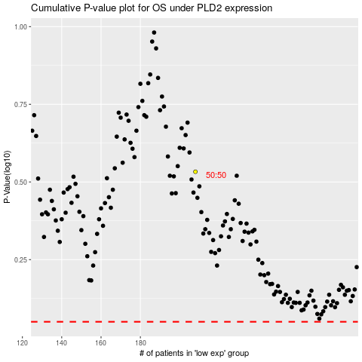

 |  |  |  |  |  | cases_OS | p_OS | rank | exp
 |  |  |  |  |  |  | cases_RFS | p_RFS | rank | exp

