PLD6 _multivariate
Reported by Tex Li-Hsing Chi. tex@gate.sinica.edu.tw 2019-08-17

Table 2. The clinicopathological features of HNSCC cohort and PLD6 expression. (Chi square test)
Cutoff at -0.214 (49.8%)
 |  | PLD6 expression |  | PLD6 expression |  | (Optimised)
 | Features | Low | (%) | High | (%) | Case no | P-value | Remark | Matthews
Gender | Female | 145 | 34.9 | 161 | 38.8 | 415 | 0.1116 | 0 | 0
2 | Male | 62 | 14.9 | 47 | 11.3
Age at diagnosis | <=65y | 132 | 31.8 | 142 | 34.2 | 415 | 0.3874 | 0 | 0
4 | >65y | 75 | 18.1 | 66 | 15.9
Clinical T Status | T1+T2 | 84 | 20.2 | 65 | 15.7 | 415 | 0.0603 | 0 | 0
6 | T3+T4 | 123 | 29.6 | 143 | 34.5
Clinical N Status | N0 | 117 | 28.2 | 99 | 23.9 | 415 | 0.0852 | 1 | 0
8 | N1-3 | 90 | 21.7 | 109 | 26.3
Clinical M Status | M0 | 206 | 49.6 | 206 | 49.6 | 415 | 1 | 0 | 0
10 | M1 | 1 | 0.2 | 2 | 0.5
Clinical Stage | Stage I+II | 63 | 15.2 | 39 | 9.4 | 415 | 0.008 | 1 | 0
12 | Stage III+IV | 144 | 34.7 | 169 | 40.7
Surgical Margin status | Negative | 153 | 36.9 | 165 | 39.8 | 415 | 0.2036 | 0 | 0
14 | Positive | 54 | 13 | 43 | 10.4
Tobacco Exposure | Low | 98 | 23.6 | 63 | 15.2 | 415 | 4e-04 | 1 | 0
16 | High | 109 | 26.3 | 145 | 34.9

Table 3. Univariate/Multivariate Cox's proportional hazards regression analyses on OS time of PLD6 gene expression in HNSCC

 |  | Univariate |  |  |  | Multivariate
 | Features | HR | CI95%(L) | CI95%(H) | P-value | HR | CI95%(L) | CI95%(H) | P-value
1 | Female | 1 |  |  |  | 1
Gender | Male | 1.157 | 0.843 | 1.587 | 0.367 | 1.181 | 0.844 | 1.653 | 0.332
11 | <=65y | 1 |  |  |  | 1
Age at diagnosis | >65y | 1.329 | 0.99 | 1.784 | 0.058 | 1.393 | 1.025 | 1.895 | 0.034
12 | T1+T2 | 1 |  |  |  | 1
Clinical T Status | T3+T4 | 1.409 | 1.028 | 1.931 | 0.033 | 2.21 | 1.168 | 4.181 | 0.015
13 | N0 | 1 |  |  |  | 1
Clinical N Status | N1-3 | 1.185 | 0.89 | 1.577 | 0.246 | 1.251 | 0.877 | 1.786 | 0.217
14 | M0 | 1 |  |  |  | 1
Clinical M Status | M1 | 4.097 | 1.009 | 16.644 | 0.049 | 9.705 | 2.114 | 44.563 | 0.003
15 | Stage I+II | 1 |  |  |  | 1
Clinical Stage | Stage III+IV | 1.245 | 0.882 | 1.759 | 0.213 | 0.511 | 0.238 | 1.097 | 0.085
16 | Negative | 1 |  |  |  | 1
Surgical Margin status | Positive | 1.591 | 1.155 | 2.191 | 0.004 | 1.647 | 1.19 | 2.28 | 0.003
17 | Low | 1 |  |  |  | 1
Tobacco Exposure | High | 1.364 | 1.008 | 1.844 | 0.044 | 1.477 | 1.07 | 2.039 | 0.018
18 | Low | 1 |  |  |  | 1
RNAseq(z-score) | High | 0.905 | 0.678 | 1.209 | 0.499 | 0.871 | 0.646 | 1.176 | 0.367

Table 4. Univariate/Multivariate Cox's proportional hazards regression analyses on RFS time of PLD6 gene expression in HNSCC

 |  | Univariate |  |  |  | Multivariate
 | Features | HR | CI95%(L) | CI95%(H) | P-value | HR | CI95%(L) | CI95%(H) | P-value
1 | Female | 1 |  |  |  | 1
Gender | Male | 1.157 | 0.843 | 1.587 | 0.367 | 1.181 | 0.844 | 1.653 | 0.332
11 | <=65y | 1 |  |  |  | 1
Age at diagnosis | >65y | 1.329 | 0.99 | 1.784 | 0.058 | 1.393 | 1.025 | 1.895 | 0.034
12 | T1+T2 | 1 |  |  |  | 1
Clinical T Status | T3+T4 | 1.409 | 1.028 | 1.931 | 0.033 | 2.21 | 1.168 | 4.181 | 0.015
13 | N0 | 1 |  |  |  | 1
Clinical N Status | N1-3 | 1.185 | 0.89 | 1.577 | 0.246 | 1.251 | 0.877 | 1.786 | 0.217
14 | M0 | 1 |  |  |  | 1
Clinical M Status | M1 | 4.097 | 1.009 | 16.644 | 0.049 | 9.705 | 2.114 | 44.563 | 0.003
15 | Stage I+II | 1 |  |  |  | 1
Clinical Stage | Stage III+IV | 1.245 | 0.882 | 1.759 | 0.213 | 0.511 | 0.238 | 1.097 | 0.085
16 | Negative | 1 |  |  |  | 1
Surgical Margin status | Positive | 1.591 | 1.155 | 2.191 | 0.004 | 1.647 | 1.19 | 2.28 | 0.003
17 | Low | 1 |  |  |  | 1
Tobacco Exposure | High | 1.364 | 1.008 | 1.844 | 0.044 | 1.477 | 1.07 | 2.039 | 0.018
18 | Low | 1 |  |  |  | 1
RNAseq(z-score) | High | 0.905 | 0.678 | 1.209 | 0.499 | 0.871 | 0.646 | 1.176 | 0.367

Kaplan-Meier survival estimate: Cutoff at -0.214 (49.8%)



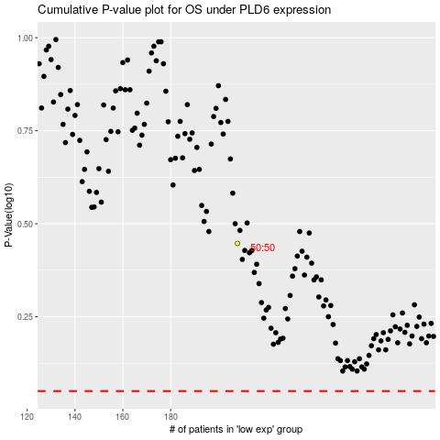

 |  |  |  |  |  | cases_OS | p_OS | rank | exp
 |  |  |  |  |  |  | cases_RFS | p_RFS | rank | exp

