PLEK _multivariate
Reported by Tex Li-Hsing Chi. tex@gate.sinica.edu.tw 2019-08-17

Table 2. The clinicopathological features of HNSCC cohort and PLEK expression. (Chi square test)
Cutoff at -0.317 (49.8%)
 |  | PLEK expression |  | PLEK expression |  | (Optimised)
 | Features | Low | (%) | High | (%) | Case no | P-value | Remark | Matthews
Gender | Female | 162 | 39 | 144 | 34.7 | 415 | 0.0479 | 1 | 0
2 | Male | 45 | 10.8 | 64 | 15.4
Age at diagnosis | <=65y | 145 | 34.9 | 129 | 31.1 | 415 | 0.1046 | 0 | 0
4 | >65y | 62 | 14.9 | 79 | 19
Clinical T Status | T1+T2 | 65 | 15.7 | 84 | 20.2 | 415 | 0.0711 | 0 | 0
6 | T3+T4 | 142 | 34.2 | 124 | 29.9
Clinical N Status | N0 | 117 | 28.2 | 99 | 23.9 | 415 | 0.0852 | 1 | 0
8 | N1-3 | 90 | 21.7 | 109 | 26.3
Clinical M Status | M0 | 205 | 49.4 | 207 | 49.9 | 415 | 0.6232 | 0 | 0
10 | M1 | 2 | 0.5 | 1 | 0.2
Clinical Stage | Stage I+II | 47 | 11.3 | 55 | 13.3 | 415 | 0.4413 | 0 | 0
12 | Stage III+IV | 160 | 38.6 | 153 | 36.9
Surgical Margin status | Negative | 153 | 36.9 | 165 | 39.8 | 415 | 0.2036 | 0 | 0
14 | Positive | 54 | 13 | 43 | 10.4
Tobacco Exposure | Low | 76 | 18.3 | 85 | 20.5 | 415 | 0.4207 | 0 | 0
16 | High | 131 | 31.6 | 123 | 29.6

Table 3. Univariate/Multivariate Cox's proportional hazards regression analyses on OS time of PLEK gene expression in HNSCC

 |  | Univariate |  |  |  | Multivariate
 | Features | HR | CI95%(L) | CI95%(H) | P-value | HR | CI95%(L) | CI95%(H) | P-value
1 | Female | 1 |  |  |  | 1
Gender | Male | 1.157 | 0.843 | 1.587 | 0.367 | 1.21 | 0.865 | 1.691 | 0.266
11 | <=65y | 1 |  |  |  | 1
Age at diagnosis | >65y | 1.329 | 0.99 | 1.784 | 0.058 | 1.396 | 1.027 | 1.898 | 0.033
12 | T1+T2 | 1 |  |  |  | 1
Clinical T Status | T3+T4 | 1.409 | 1.028 | 1.931 | 0.033 | 2.173 | 1.148 | 4.113 | 0.017
13 | N0 | 1 |  |  |  | 1
Clinical N Status | N1-3 | 1.185 | 0.89 | 1.577 | 0.246 | 1.257 | 0.879 | 1.796 | 0.21
14 | M0 | 1 |  |  |  | 1
Clinical M Status | M1 | 4.097 | 1.009 | 16.644 | 0.049 | 9.164 | 1.996 | 42.086 | 0.004
15 | Stage I+II | 1 |  |  |  | 1
Clinical Stage | Stage III+IV | 1.245 | 0.882 | 1.759 | 0.213 | 0.505 | 0.235 | 1.083 | 0.079
16 | Negative | 1 |  |  |  | 1
Surgical Margin status | Positive | 1.591 | 1.155 | 2.191 | 0.004 | 1.661 | 1.201 | 2.296 | 0.002
17 | Low | 1 |  |  |  | 1
Tobacco Exposure | High | 1.364 | 1.008 | 1.844 | 0.044 | 1.447 | 1.049 | 1.994 | 0.024
18 | Low | 1 |  |  |  | 1
RNAseq(z-score) | High | 0.881 | 0.661 | 1.174 | 0.386 | 0.907 | 0.677 | 1.214 | 0.512

Table 4. Univariate/Multivariate Cox's proportional hazards regression analyses on RFS time of PLEK gene expression in HNSCC

 |  | Univariate |  |  |  | Multivariate
 | Features | HR | CI95%(L) | CI95%(H) | P-value | HR | CI95%(L) | CI95%(H) | P-value
1 | Female | 1 |  |  |  | 1
Gender | Male | 1.157 | 0.843 | 1.587 | 0.367 | 1.21 | 0.865 | 1.691 | 0.266
11 | <=65y | 1 |  |  |  | 1
Age at diagnosis | >65y | 1.329 | 0.99 | 1.784 | 0.058 | 1.396 | 1.027 | 1.898 | 0.033
12 | T1+T2 | 1 |  |  |  | 1
Clinical T Status | T3+T4 | 1.409 | 1.028 | 1.931 | 0.033 | 2.173 | 1.148 | 4.113 | 0.017
13 | N0 | 1 |  |  |  | 1
Clinical N Status | N1-3 | 1.185 | 0.89 | 1.577 | 0.246 | 1.257 | 0.879 | 1.796 | 0.21
14 | M0 | 1 |  |  |  | 1
Clinical M Status | M1 | 4.097 | 1.009 | 16.644 | 0.049 | 9.164 | 1.996 | 42.086 | 0.004
15 | Stage I+II | 1 |  |  |  | 1
Clinical Stage | Stage III+IV | 1.245 | 0.882 | 1.759 | 0.213 | 0.505 | 0.235 | 1.083 | 0.079
16 | Negative | 1 |  |  |  | 1
Surgical Margin status | Positive | 1.591 | 1.155 | 2.191 | 0.004 | 1.661 | 1.201 | 2.296 | 0.002
17 | Low | 1 |  |  |  | 1
Tobacco Exposure | High | 1.364 | 1.008 | 1.844 | 0.044 | 1.447 | 1.049 | 1.994 | 0.024
18 | Low | 1 |  |  |  | 1
RNAseq(z-score) | High | 0.881 | 0.661 | 1.174 | 0.386 | 0.907 | 0.677 | 1.214 | 0.512

Kaplan-Meier survival estimate: Cutoff at -0.317 (49.8%)



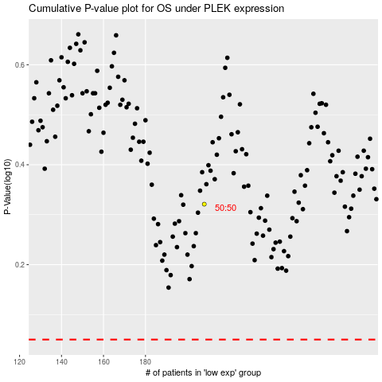

 |  |  |  |  |  | cases_OS | p_OS | rank | exp
 |  |  |  |  |  |  | cases_RFS | p_RFS | rank | exp

