PLEKHA1 _multivariate
Reported by Tex Li-Hsing Chi. tex@gate.sinica.edu.tw 2019-08-17

Table 2. The clinicopathological features of HNSCC cohort and PLEKHA1 expression. (Chi square test)
Cutoff at -0.199 (50.0%)
 |  | PLEKHA1 expression |  | PLEKHA1 expression |  | (Optimised)
 | Features | Low | (%) | High | (%) | Case no | P-value | Remark | Matthews
Gender | Female | 150 | 36.1 | 156 | 37.6 | 415 | 0.6344 | 0 | 0
2 | Male | 57 | 13.7 | 52 | 12.5
Age at diagnosis | <=65y | 134 | 32.3 | 140 | 33.7 | 415 | 0.6529 | 0 | 0
4 | >65y | 73 | 17.6 | 68 | 16.4
Clinical T Status | T1+T2 | 82 | 19.8 | 67 | 16.1 | 415 | 0.1417 | 0 | 0
6 | T3+T4 | 125 | 30.1 | 141 | 34
Clinical N Status | N0 | 104 | 25.1 | 112 | 27 | 415 | 0.5243 | 0 | 0
8 | N1-3 | 103 | 24.8 | 96 | 23.1
Clinical M Status | M0 | 205 | 49.4 | 207 | 49.9 | 415 | 0.6232 | 0 | 0
10 | M1 | 2 | 0.5 | 1 | 0.2
Clinical Stage | Stage I+II | 54 | 13 | 48 | 11.6 | 415 | 0.5498 | 0 | 0
12 | Stage III+IV | 153 | 36.9 | 160 | 38.6
Surgical Margin status | Negative | 151 | 36.4 | 167 | 40.2 | 415 | 0.0828 | 0 | 0
14 | Positive | 56 | 13.5 | 41 | 9.9
Tobacco Exposure | Low | 82 | 19.8 | 79 | 19 | 415 | 0.763 | 0 | 0
16 | High | 125 | 30.1 | 129 | 31.1

Table 3. Univariate/Multivariate Cox's proportional hazards regression analyses on OS time of PLEKHA1 gene expression in HNSCC

 |  | Univariate |  |  |  | Multivariate
 | Features | HR | CI95%(L) | CI95%(H) | P-value | HR | CI95%(L) | CI95%(H) | P-value
1 | Female | 1 |  |  |  | 1
Gender | Male | 1.157 | 0.843 | 1.587 | 0.367 | 1.194 | 0.854 | 1.67 | 0.3
11 | <=65y | 1 |  |  |  | 1
Age at diagnosis | >65y | 1.329 | 0.99 | 1.784 | 0.058 | 1.383 | 1.017 | 1.881 | 0.039
12 | T1+T2 | 1 |  |  |  | 1
Clinical T Status | T3+T4 | 1.409 | 1.028 | 1.931 | 0.033 | 2.228 | 1.178 | 4.214 | 0.014
13 | N0 | 1 |  |  |  | 1
Clinical N Status | N1-3 | 1.185 | 0.89 | 1.577 | 0.246 | 1.234 | 0.865 | 1.761 | 0.246
14 | M0 | 1 |  |  |  | 1
Clinical M Status | M1 | 4.097 | 1.009 | 16.644 | 0.049 | 9.054 | 1.971 | 41.596 | 0.005
15 | Stage I+II | 1 |  |  |  | 1
Clinical Stage | Stage III+IV | 1.245 | 0.882 | 1.759 | 0.213 | 0.511 | 0.238 | 1.097 | 0.085
16 | Negative | 1 |  |  |  | 1
Surgical Margin status | Positive | 1.591 | 1.155 | 2.191 | 0.004 | 1.64 | 1.184 | 2.271 | 0.003
17 | Low | 1 |  |  |  | 1
Tobacco Exposure | High | 1.364 | 1.008 | 1.844 | 0.044 | 1.466 | 1.063 | 2.023 | 0.02
18 | Low | 1 |  |  |  | 1
RNAseq(z-score) | High | 0.839 | 0.629 | 1.119 | 0.232 | 0.867 | 0.646 | 1.165 | 0.345

Table 4. Univariate/Multivariate Cox's proportional hazards regression analyses on RFS time of PLEKHA1 gene expression in HNSCC

 |  | Univariate |  |  |  | Multivariate
 | Features | HR | CI95%(L) | CI95%(H) | P-value | HR | CI95%(L) | CI95%(H) | P-value
1 | Female | 1 |  |  |  | 1
Gender | Male | 1.157 | 0.843 | 1.587 | 0.367 | 1.194 | 0.854 | 1.67 | 0.3
11 | <=65y | 1 |  |  |  | 1
Age at diagnosis | >65y | 1.329 | 0.99 | 1.784 | 0.058 | 1.383 | 1.017 | 1.881 | 0.039
12 | T1+T2 | 1 |  |  |  | 1
Clinical T Status | T3+T4 | 1.409 | 1.028 | 1.931 | 0.033 | 2.228 | 1.178 | 4.214 | 0.014
13 | N0 | 1 |  |  |  | 1
Clinical N Status | N1-3 | 1.185 | 0.89 | 1.577 | 0.246 | 1.234 | 0.865 | 1.761 | 0.246
14 | M0 | 1 |  |  |  | 1
Clinical M Status | M1 | 4.097 | 1.009 | 16.644 | 0.049 | 9.054 | 1.971 | 41.596 | 0.005
15 | Stage I+II | 1 |  |  |  | 1
Clinical Stage | Stage III+IV | 1.245 | 0.882 | 1.759 | 0.213 | 0.511 | 0.238 | 1.097 | 0.085
16 | Negative | 1 |  |  |  | 1
Surgical Margin status | Positive | 1.591 | 1.155 | 2.191 | 0.004 | 1.64 | 1.184 | 2.271 | 0.003
17 | Low | 1 |  |  |  | 1
Tobacco Exposure | High | 1.364 | 1.008 | 1.844 | 0.044 | 1.466 | 1.063 | 2.023 | 0.02
18 | Low | 1 |  |  |  | 1
RNAseq(z-score) | High | 0.839 | 0.629 | 1.119 | 0.232 | 0.867 | 0.646 | 1.165 | 0.345

Kaplan-Meier survival estimate: Cutoff at -0.199 (50.0%)



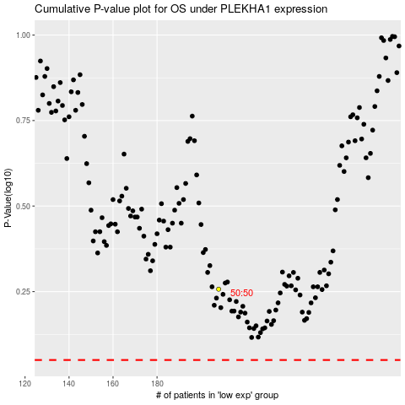

 |  |  |  |  |  | cases_OS | p_OS | rank | exp
 |  |  |  |  |  |  | cases_RFS | p_RFS | rank | exp

