PLEKHA2 _multivariate
Reported by Tex Li-Hsing Chi. tex@gate.sinica.edu.tw 2019-08-17

Table 2. The clinicopathological features of HNSCC cohort and PLEKHA2 expression. (Chi square test)
Cutoff at -0.166 (49.8%)
 |  | PLEKHA2 expression |  | PLEKHA2 expression |  | (Optimised)
 | Features | Low | (%) | High | (%) | Case no | P-value | Remark | Matthews
Gender | Female | 161 | 38.8 | 145 | 34.9 | 415 | 0.0792 | 0 | 0
2 | Male | 46 | 11.1 | 63 | 15.2
Age at diagnosis | <=65y | 148 | 35.7 | 126 | 30.4 | 415 | 0.0248 | 1 | 0
4 | >65y | 59 | 14.2 | 82 | 19.8
Clinical T Status | T1+T2 | 64 | 15.4 | 85 | 20.5 | 415 | 0.0445 | 1 | 0
6 | T3+T4 | 143 | 34.5 | 123 | 29.6
Clinical N Status | N0 | 108 | 26 | 108 | 26 | 415 | 1 | 0 | 0
8 | N1-3 | 99 | 23.9 | 100 | 24.1
Clinical M Status | M0 | 206 | 49.6 | 206 | 49.6 | 415 | 1 | 0 | 0
10 | M1 | 1 | 0.2 | 2 | 0.5
Clinical Stage | Stage I+II | 45 | 10.8 | 57 | 13.7 | 415 | 0.2202 | 0 | 0
12 | Stage III+IV | 162 | 39 | 151 | 36.4
Surgical Margin status | Negative | 153 | 36.9 | 165 | 39.8 | 415 | 0.2036 | 0 | 0
14 | Positive | 54 | 13 | 43 | 10.4
Tobacco Exposure | Low | 69 | 16.6 | 92 | 22.2 | 415 | 0.0266 | 1 | 0
16 | High | 138 | 33.3 | 116 | 28

Table 3. Univariate/Multivariate Cox's proportional hazards regression analyses on OS time of PLEKHA2 gene expression in HNSCC

 |  | Univariate |  |  |  | Multivariate
 | Features | HR | CI95%(L) | CI95%(H) | P-value | HR | CI95%(L) | CI95%(H) | P-value
1 | Female | 1 |  |  |  | 1
Gender | Male | 1.157 | 0.843 | 1.587 | 0.367 | 1.205 | 0.862 | 1.684 | 0.275
11 | <=65y | 1 |  |  |  | 1
Age at diagnosis | >65y | 1.329 | 0.99 | 1.784 | 0.058 | 1.4 | 1.029 | 1.904 | 0.032
12 | T1+T2 | 1 |  |  |  | 1
Clinical T Status | T3+T4 | 1.409 | 1.028 | 1.931 | 0.033 | 2.18 | 1.152 | 4.129 | 0.017
13 | N0 | 1 |  |  |  | 1
Clinical N Status | N1-3 | 1.185 | 0.89 | 1.577 | 0.246 | 1.244 | 0.872 | 1.775 | 0.228
14 | M0 | 1 |  |  |  | 1
Clinical M Status | M1 | 4.097 | 1.009 | 16.644 | 0.049 | 9.409 | 2.053 | 43.135 | 0.004
15 | Stage I+II | 1 |  |  |  | 1
Clinical Stage | Stage III+IV | 1.245 | 0.882 | 1.759 | 0.213 | 0.506 | 0.236 | 1.087 | 0.081
16 | Negative | 1 |  |  |  | 1
Surgical Margin status | Positive | 1.591 | 1.155 | 2.191 | 0.004 | 1.663 | 1.202 | 2.299 | 0.002
17 | Low | 1 |  |  |  | 1
Tobacco Exposure | High | 1.364 | 1.008 | 1.844 | 0.044 | 1.444 | 1.047 | 1.992 | 0.025
18 | Low | 1 |  |  |  | 1
RNAseq(z-score) | High | 0.892 | 0.67 | 1.188 | 0.433 | 0.936 | 0.699 | 1.254 | 0.658

Table 4. Univariate/Multivariate Cox's proportional hazards regression analyses on RFS time of PLEKHA2 gene expression in HNSCC

 |  | Univariate |  |  |  | Multivariate
 | Features | HR | CI95%(L) | CI95%(H) | P-value | HR | CI95%(L) | CI95%(H) | P-value
1 | Female | 1 |  |  |  | 1
Gender | Male | 1.157 | 0.843 | 1.587 | 0.367 | 1.205 | 0.862 | 1.684 | 0.275
11 | <=65y | 1 |  |  |  | 1
Age at diagnosis | >65y | 1.329 | 0.99 | 1.784 | 0.058 | 1.4 | 1.029 | 1.904 | 0.032
12 | T1+T2 | 1 |  |  |  | 1
Clinical T Status | T3+T4 | 1.409 | 1.028 | 1.931 | 0.033 | 2.18 | 1.152 | 4.129 | 0.017
13 | N0 | 1 |  |  |  | 1
Clinical N Status | N1-3 | 1.185 | 0.89 | 1.577 | 0.246 | 1.244 | 0.872 | 1.775 | 0.228
14 | M0 | 1 |  |  |  | 1
Clinical M Status | M1 | 4.097 | 1.009 | 16.644 | 0.049 | 9.409 | 2.053 | 43.135 | 0.004
15 | Stage I+II | 1 |  |  |  | 1
Clinical Stage | Stage III+IV | 1.245 | 0.882 | 1.759 | 0.213 | 0.506 | 0.236 | 1.087 | 0.081
16 | Negative | 1 |  |  |  | 1
Surgical Margin status | Positive | 1.591 | 1.155 | 2.191 | 0.004 | 1.663 | 1.202 | 2.299 | 0.002
17 | Low | 1 |  |  |  | 1
Tobacco Exposure | High | 1.364 | 1.008 | 1.844 | 0.044 | 1.444 | 1.047 | 1.992 | 0.025
18 | Low | 1 |  |  |  | 1
RNAseq(z-score) | High | 0.892 | 0.67 | 1.188 | 0.433 | 0.936 | 0.699 | 1.254 | 0.658

Kaplan-Meier survival estimate: Cutoff at -0.166 (49.8%)



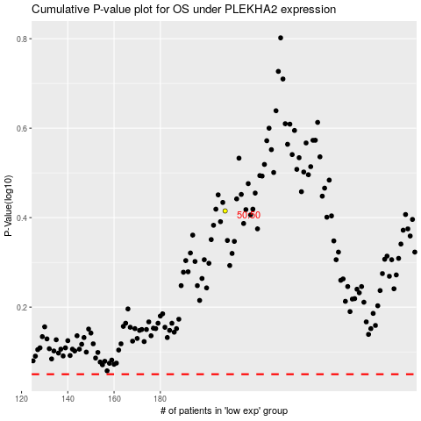

 |  |  |  |  |  | cases_OS | p_OS | rank | exp
 |  |  |  |  |  |  | cases_RFS | p_RFS | rank | exp

