PLEKHA3 _multivariate
Reported by Tex Li-Hsing Chi. tex@gate.sinica.edu.tw 2019-08-17

Table 2. The clinicopathological features of HNSCC cohort and PLEKHA3 expression. (Chi square test)
Cutoff at -0.195 (49.8%)
 |  | PLEKHA3 expression |  | PLEKHA3 expression |  | (Optimised)
 | Features | Low | (%) | High | (%) | Case no | P-value | Remark | Matthews
Gender | Female | 150 | 36.1 | 156 | 37.6 | 415 | 0.6344 | 0 | 0
2 | Male | 57 | 13.7 | 52 | 12.5
Age at diagnosis | <=65y | 135 | 32.5 | 139 | 33.5 | 415 | 0.8084 | 0 | 0
4 | >65y | 72 | 17.3 | 69 | 16.6
Clinical T Status | T1+T2 | 74 | 17.8 | 75 | 18.1 | 415 | 1 | 0 | 0
6 | T3+T4 | 133 | 32 | 133 | 32
Clinical N Status | N0 | 105 | 25.3 | 111 | 26.7 | 415 | 0.6598 | 0 | 0
8 | N1-3 | 102 | 24.6 | 97 | 23.4
Clinical M Status | M0 | 205 | 49.4 | 207 | 49.9 | 415 | 0.6232 | 0 | 0
10 | M1 | 2 | 0.5 | 1 | 0.2
Clinical Stage | Stage I+II | 52 | 12.5 | 50 | 12 | 415 | 0.8871 | 0 | 0
12 | Stage III+IV | 155 | 37.3 | 158 | 38.1
Surgical Margin status | Negative | 159 | 38.3 | 159 | 38.3 | 415 | 1 | 0 | 0
14 | Positive | 48 | 11.6 | 49 | 11.8
Tobacco Exposure | Low | 95 | 22.9 | 66 | 15.9 | 415 | 0.0035 | 1 | 0
16 | High | 112 | 27 | 142 | 34.2

Table 3. Univariate/Multivariate Cox's proportional hazards regression analyses on OS time of PLEKHA3 gene expression in HNSCC

 |  | Univariate |  |  |  | Multivariate
 | Features | HR | CI95%(L) | CI95%(H) | P-value | HR | CI95%(L) | CI95%(H) | P-value
1 | Female | 1 |  |  |  | 1
Gender | Male | 1.157 | 0.843 | 1.587 | 0.367 | 1.208 | 0.865 | 1.689 | 0.268
11 | <=65y | 1 |  |  |  | 1
Age at diagnosis | >65y | 1.329 | 0.99 | 1.784 | 0.058 | 1.382 | 1.016 | 1.88 | 0.039
12 | T1+T2 | 1 |  |  |  | 1
Clinical T Status | T3+T4 | 1.409 | 1.028 | 1.931 | 0.033 | 2.179 | 1.151 | 4.122 | 0.017
13 | N0 | 1 |  |  |  | 1
Clinical N Status | N1-3 | 1.185 | 0.89 | 1.577 | 0.246 | 1.231 | 0.862 | 1.758 | 0.253
14 | M0 | 1 |  |  |  | 1
Clinical M Status | M1 | 4.097 | 1.009 | 16.644 | 0.049 | 9.277 | 2.022 | 42.553 | 0.004
15 | Stage I+II | 1 |  |  |  | 1
Clinical Stage | Stage III+IV | 1.245 | 0.882 | 1.759 | 0.213 | 0.509 | 0.237 | 1.093 | 0.083
16 | Negative | 1 |  |  |  | 1
Surgical Margin status | Positive | 1.591 | 1.155 | 2.191 | 0.004 | 1.678 | 1.214 | 2.32 | 0.002
17 | Low | 1 |  |  |  | 1
Tobacco Exposure | High | 1.364 | 1.008 | 1.844 | 0.044 | 1.476 | 1.067 | 2.041 | 0.019
18 | Low | 1 |  |  |  | 1
RNAseq(z-score) | High | 0.91 | 0.683 | 1.212 | 0.518 | 0.905 | 0.676 | 1.212 | 0.504

Table 4. Univariate/Multivariate Cox's proportional hazards regression analyses on RFS time of PLEKHA3 gene expression in HNSCC

 |  | Univariate |  |  |  | Multivariate
 | Features | HR | CI95%(L) | CI95%(H) | P-value | HR | CI95%(L) | CI95%(H) | P-value
1 | Female | 1 |  |  |  | 1
Gender | Male | 1.157 | 0.843 | 1.587 | 0.367 | 1.208 | 0.865 | 1.689 | 0.268
11 | <=65y | 1 |  |  |  | 1
Age at diagnosis | >65y | 1.329 | 0.99 | 1.784 | 0.058 | 1.382 | 1.016 | 1.88 | 0.039
12 | T1+T2 | 1 |  |  |  | 1
Clinical T Status | T3+T4 | 1.409 | 1.028 | 1.931 | 0.033 | 2.179 | 1.151 | 4.122 | 0.017
13 | N0 | 1 |  |  |  | 1
Clinical N Status | N1-3 | 1.185 | 0.89 | 1.577 | 0.246 | 1.231 | 0.862 | 1.758 | 0.253
14 | M0 | 1 |  |  |  | 1
Clinical M Status | M1 | 4.097 | 1.009 | 16.644 | 0.049 | 9.277 | 2.022 | 42.553 | 0.004
15 | Stage I+II | 1 |  |  |  | 1
Clinical Stage | Stage III+IV | 1.245 | 0.882 | 1.759 | 0.213 | 0.509 | 0.237 | 1.093 | 0.083
16 | Negative | 1 |  |  |  | 1
Surgical Margin status | Positive | 1.591 | 1.155 | 2.191 | 0.004 | 1.678 | 1.214 | 2.32 | 0.002
17 | Low | 1 |  |  |  | 1
Tobacco Exposure | High | 1.364 | 1.008 | 1.844 | 0.044 | 1.476 | 1.067 | 2.041 | 0.019
18 | Low | 1 |  |  |  | 1
RNAseq(z-score) | High | 0.91 | 0.683 | 1.212 | 0.518 | 0.905 | 0.676 | 1.212 | 0.504

Kaplan-Meier survival estimate: Cutoff at -0.195 (49.8%)



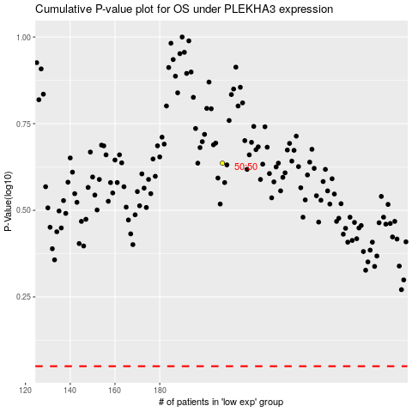

 |  |  |  |  |  | cases_OS | p_OS | rank | exp
 |  |  |  |  |  |  | cases_RFS | p_RFS | rank | exp

