PLEKHA4 _multivariate
Reported by Tex Li-Hsing Chi. tex@gate.sinica.edu.tw 2019-08-17

Table 2. The clinicopathological features of HNSCC cohort and PLEKHA4 expression. (Chi square test)
Cutoff at -0.221 (50.0%)
 |  | PLEKHA4 expression |  | PLEKHA4 expression |  | (Optimised)
 | Features | Low | (%) | High | (%) | Case no | P-value | Remark | Matthews
Gender | Female | 149 | 35.9 | 157 | 37.8 | 415 | 0.4848 | 0 | 0
2 | Male | 58 | 14 | 51 | 12.3
Age at diagnosis | <=65y | 134 | 32.3 | 140 | 33.7 | 415 | 0.6529 | 0 | 0
4 | >65y | 73 | 17.6 | 68 | 16.4
Clinical T Status | T1+T2 | 72 | 17.3 | 77 | 18.6 | 415 | 0.7095 | 0 | 0
6 | T3+T4 | 135 | 32.5 | 131 | 31.6
Clinical N Status | N0 | 110 | 26.5 | 106 | 25.5 | 415 | 0.7294 | 0 | 0
8 | N1-3 | 97 | 23.4 | 102 | 24.6
Clinical M Status | M0 | 205 | 49.4 | 207 | 49.9 | 415 | 0.6232 | 0 | 0
10 | M1 | 2 | 0.5 | 1 | 0.2
Clinical Stage | Stage I+II | 48 | 11.6 | 54 | 13 | 415 | 0.5878 | 0 | 0
12 | Stage III+IV | 159 | 38.3 | 154 | 37.1
Surgical Margin status | Negative | 156 | 37.6 | 162 | 39 | 415 | 0.5636 | 0 | 0
14 | Positive | 51 | 12.3 | 46 | 11.1
Tobacco Exposure | Low | 88 | 21.2 | 73 | 17.6 | 415 | 0.1314 | 0 | 0
16 | High | 119 | 28.7 | 135 | 32.5

Table 3. Univariate/Multivariate Cox's proportional hazards regression analyses on OS time of PLEKHA4 gene expression in HNSCC

 |  | Univariate |  |  |  | Multivariate
 | Features | HR | CI95%(L) | CI95%(H) | P-value | HR | CI95%(L) | CI95%(H) | P-value
1 | Female | 1 |  |  |  | 1
Gender | Male | 1.157 | 0.843 | 1.587 | 0.367 | 1.205 | 0.862 | 1.684 | 0.274
11 | <=65y | 1 |  |  |  | 1
Age at diagnosis | >65y | 1.329 | 0.99 | 1.784 | 0.058 | 1.405 | 1.032 | 1.913 | 0.031
12 | T1+T2 | 1 |  |  |  | 1
Clinical T Status | T3+T4 | 1.409 | 1.028 | 1.931 | 0.033 | 2.21 | 1.168 | 4.178 | 0.015
13 | N0 | 1 |  |  |  | 1
Clinical N Status | N1-3 | 1.185 | 0.89 | 1.577 | 0.246 | 1.235 | 0.865 | 1.762 | 0.245
14 | M0 | 1 |  |  |  | 1
Clinical M Status | M1 | 4.097 | 1.009 | 16.644 | 0.049 | 9.529 | 2.078 | 43.705 | 0.004
15 | Stage I+II | 1 |  |  |  | 1
Clinical Stage | Stage III+IV | 1.245 | 0.882 | 1.759 | 0.213 | 0.509 | 0.237 | 1.092 | 0.083
16 | Negative | 1 |  |  |  | 1
Surgical Margin status | Positive | 1.591 | 1.155 | 2.191 | 0.004 | 1.676 | 1.213 | 2.316 | 0.002
17 | Low | 1 |  |  |  | 1
Tobacco Exposure | High | 1.364 | 1.008 | 1.844 | 0.044 | 1.431 | 1.037 | 1.976 | 0.029
18 | Low | 1 |  |  |  | 1
RNAseq(z-score) | High | 1.123 | 0.842 | 1.497 | 0.431 | 1.124 | 0.839 | 1.505 | 0.434

Table 4. Univariate/Multivariate Cox's proportional hazards regression analyses on RFS time of PLEKHA4 gene expression in HNSCC

 |  | Univariate |  |  |  | Multivariate
 | Features | HR | CI95%(L) | CI95%(H) | P-value | HR | CI95%(L) | CI95%(H) | P-value
1 | Female | 1 |  |  |  | 1
Gender | Male | 1.157 | 0.843 | 1.587 | 0.367 | 1.205 | 0.862 | 1.684 | 0.274
11 | <=65y | 1 |  |  |  | 1
Age at diagnosis | >65y | 1.329 | 0.99 | 1.784 | 0.058 | 1.405 | 1.032 | 1.913 | 0.031
12 | T1+T2 | 1 |  |  |  | 1
Clinical T Status | T3+T4 | 1.409 | 1.028 | 1.931 | 0.033 | 2.21 | 1.168 | 4.178 | 0.015
13 | N0 | 1 |  |  |  | 1
Clinical N Status | N1-3 | 1.185 | 0.89 | 1.577 | 0.246 | 1.235 | 0.865 | 1.762 | 0.245
14 | M0 | 1 |  |  |  | 1
Clinical M Status | M1 | 4.097 | 1.009 | 16.644 | 0.049 | 9.529 | 2.078 | 43.705 | 0.004
15 | Stage I+II | 1 |  |  |  | 1
Clinical Stage | Stage III+IV | 1.245 | 0.882 | 1.759 | 0.213 | 0.509 | 0.237 | 1.092 | 0.083
16 | Negative | 1 |  |  |  | 1
Surgical Margin status | Positive | 1.591 | 1.155 | 2.191 | 0.004 | 1.676 | 1.213 | 2.316 | 0.002
17 | Low | 1 |  |  |  | 1
Tobacco Exposure | High | 1.364 | 1.008 | 1.844 | 0.044 | 1.431 | 1.037 | 1.976 | 0.029
18 | Low | 1 |  |  |  | 1
RNAseq(z-score) | High | 1.123 | 0.842 | 1.497 | 0.431 | 1.124 | 0.839 | 1.505 | 0.434

Kaplan-Meier survival estimate: Cutoff at -0.221 (50.0%)



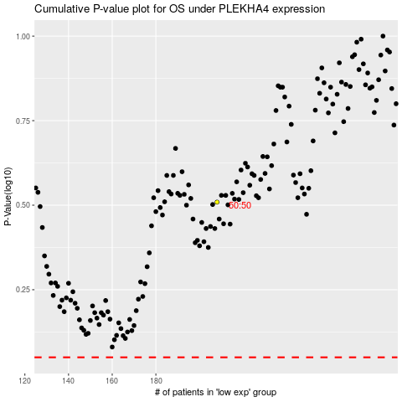

 |  |  |  |  |  | cases_OS | p_OS | rank | exp
 |  |  |  |  |  |  | cases_RFS | p_RFS | rank | exp

