PLEKHB2 _multivariate
Reported by Tex Li-Hsing Chi. tex@gate.sinica.edu.tw 2019-08-17

Table 2. The clinicopathological features of HNSCC cohort and PLEKHB2 expression. (Chi square test)
Cutoff at -0.056 (50.0%)
 |  | PLEKHB2 expression |  | PLEKHB2 expression |  | (Optimised)
 | Features | Low | (%) | High | (%) | Case no | P-value | Remark | Matthews
Gender | Female | 157 | 37.8 | 149 | 35.9 | 415 | 0.3881 | 0 | 0
2 | Male | 50 | 12 | 59 | 14.2
Age at diagnosis | <=65y | 139 | 33.5 | 135 | 32.5 | 415 | 0.7044 | 0 | 0
4 | >65y | 68 | 16.4 | 73 | 17.6
Clinical T Status | T1+T2 | 80 | 19.3 | 69 | 16.6 | 415 | 0.2891 | 0 | 0
6 | T3+T4 | 127 | 30.6 | 139 | 33.5
Clinical N Status | N0 | 107 | 25.8 | 109 | 26.3 | 415 | 0.9624 | 0 | 0
8 | N1-3 | 100 | 24.1 | 99 | 23.9
Clinical M Status | M0 | 205 | 49.4 | 207 | 49.9 | 415 | 0.6232 | 0 | 0
10 | M1 | 2 | 0.5 | 1 | 0.2
Clinical Stage | Stage I+II | 55 | 13.3 | 47 | 11.3 | 415 | 0.4087 | 0 | 0
12 | Stage III+IV | 152 | 36.6 | 161 | 38.8
Surgical Margin status | Negative | 153 | 36.9 | 165 | 39.8 | 415 | 0.2036 | 0 | 0
14 | Positive | 54 | 13 | 43 | 10.4
Tobacco Exposure | Low | 89 | 21.4 | 72 | 17.3 | 415 | 0.0872 | 0 | 0
16 | High | 118 | 28.4 | 136 | 32.8

Table 3. Univariate/Multivariate Cox's proportional hazards regression analyses on OS time of PLEKHB2 gene expression in HNSCC

 |  | Univariate |  |  |  | Multivariate
 | Features | HR | CI95%(L) | CI95%(H) | P-value | HR | CI95%(L) | CI95%(H) | P-value
1 | Female | 1 |  |  |  | 1
Gender | Male | 1.157 | 0.843 | 1.587 | 0.367 | 1.199 | 0.858 | 1.674 | 0.288
11 | <=65y | 1 |  |  |  | 1
Age at diagnosis | >65y | 1.329 | 0.99 | 1.784 | 0.058 | 1.388 | 1.021 | 1.886 | 0.036
12 | T1+T2 | 1 |  |  |  | 1
Clinical T Status | T3+T4 | 1.409 | 1.028 | 1.931 | 0.033 | 2.184 | 1.155 | 4.129 | 0.016
13 | N0 | 1 |  |  |  | 1
Clinical N Status | N1-3 | 1.185 | 0.89 | 1.577 | 0.246 | 1.239 | 0.869 | 1.768 | 0.237
14 | M0 | 1 |  |  |  | 1
Clinical M Status | M1 | 4.097 | 1.009 | 16.644 | 0.049 | 9.748 | 2.123 | 44.768 | 0.003
15 | Stage I+II | 1 |  |  |  | 1
Clinical Stage | Stage III+IV | 1.245 | 0.882 | 1.759 | 0.213 | 0.506 | 0.236 | 1.085 | 0.08
16 | Negative | 1 |  |  |  | 1
Surgical Margin status | Positive | 1.591 | 1.155 | 2.191 | 0.004 | 1.694 | 1.224 | 2.343 | 0.001
17 | Low | 1 |  |  |  | 1
Tobacco Exposure | High | 1.364 | 1.008 | 1.844 | 0.044 | 1.447 | 1.05 | 1.993 | 0.024
18 | Low | 1 |  |  |  | 1
RNAseq(z-score) | High | 1.119 | 0.84 | 1.492 | 0.441 | 1.139 | 0.852 | 1.523 | 0.381

Table 4. Univariate/Multivariate Cox's proportional hazards regression analyses on RFS time of PLEKHB2 gene expression in HNSCC

 |  | Univariate |  |  |  | Multivariate
 | Features | HR | CI95%(L) | CI95%(H) | P-value | HR | CI95%(L) | CI95%(H) | P-value
1 | Female | 1 |  |  |  | 1
Gender | Male | 1.157 | 0.843 | 1.587 | 0.367 | 1.199 | 0.858 | 1.674 | 0.288
11 | <=65y | 1 |  |  |  | 1
Age at diagnosis | >65y | 1.329 | 0.99 | 1.784 | 0.058 | 1.388 | 1.021 | 1.886 | 0.036
12 | T1+T2 | 1 |  |  |  | 1
Clinical T Status | T3+T4 | 1.409 | 1.028 | 1.931 | 0.033 | 2.184 | 1.155 | 4.129 | 0.016
13 | N0 | 1 |  |  |  | 1
Clinical N Status | N1-3 | 1.185 | 0.89 | 1.577 | 0.246 | 1.239 | 0.869 | 1.768 | 0.237
14 | M0 | 1 |  |  |  | 1
Clinical M Status | M1 | 4.097 | 1.009 | 16.644 | 0.049 | 9.748 | 2.123 | 44.768 | 0.003
15 | Stage I+II | 1 |  |  |  | 1
Clinical Stage | Stage III+IV | 1.245 | 0.882 | 1.759 | 0.213 | 0.506 | 0.236 | 1.085 | 0.08
16 | Negative | 1 |  |  |  | 1
Surgical Margin status | Positive | 1.591 | 1.155 | 2.191 | 0.004 | 1.694 | 1.224 | 2.343 | 0.001
17 | Low | 1 |  |  |  | 1
Tobacco Exposure | High | 1.364 | 1.008 | 1.844 | 0.044 | 1.447 | 1.05 | 1.993 | 0.024
18 | Low | 1 |  |  |  | 1
RNAseq(z-score) | High | 1.119 | 0.84 | 1.492 | 0.441 | 1.139 | 0.852 | 1.523 | 0.381

Kaplan-Meier survival estimate: Cutoff at -0.056 (50.0%)



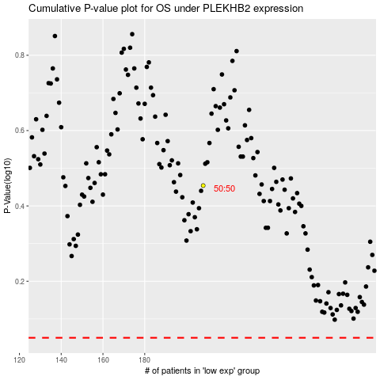

 |  |  |  |  |  | cases_OS | p_OS | rank | exp
 |  |  |  |  |  |  | cases_RFS | p_RFS | rank | exp

