PLEKHF1 _multivariate
Reported by Tex Li-Hsing Chi. tex@gate.sinica.edu.tw 2019-08-17

Table 2. The clinicopathological features of HNSCC cohort and PLEKHF1 expression. (Chi square test)
Cutoff at -0.206 (50.0%)
 |  | PLEKHF1 expression |  | PLEKHF1 expression |  | (Optimised)
 | Features | Low | (%) | High | (%) | Case no | P-value | Remark | Matthews
Gender | Female | 151 | 36.4 | 155 | 37.3 | 415 | 0.8007 | 0 | 0
2 | Male | 56 | 13.5 | 53 | 12.8
Age at diagnosis | <=65y | 138 | 33.3 | 136 | 32.8 | 415 | 0.8634 | 0 | 0
4 | >65y | 69 | 16.6 | 72 | 17.3
Clinical T Status | T1+T2 | 76 | 18.3 | 73 | 17.6 | 415 | 0.8092 | 0 | 0
6 | T3+T4 | 131 | 31.6 | 135 | 32.5
Clinical N Status | N0 | 115 | 27.7 | 101 | 24.3 | 415 | 0.184 | 1 | 0
8 | N1-3 | 92 | 22.2 | 107 | 25.8
Clinical M Status | M0 | 207 | 49.9 | 205 | 49.4 | 415 | 0.2482 | 0 | 0
10 | M1 | 0 | 0 | 3 | 0.7
Clinical Stage | Stage I+II | 54 | 13 | 48 | 11.6 | 415 | 0.5498 | 0 | 0
12 | Stage III+IV | 153 | 36.9 | 160 | 38.6
Surgical Margin status | Negative | 153 | 36.9 | 165 | 39.8 | 415 | 0.2036 | 0 | 0
14 | Positive | 54 | 13 | 43 | 10.4
Tobacco Exposure | Low | 81 | 19.5 | 80 | 19.3 | 415 | 0.9199 | 0 | 0
16 | High | 126 | 30.4 | 128 | 30.8

Table 3. Univariate/Multivariate Cox's proportional hazards regression analyses on OS time of PLEKHF1 gene expression in HNSCC

 |  | Univariate |  |  |  | Multivariate
 | Features | HR | CI95%(L) | CI95%(H) | P-value | HR | CI95%(L) | CI95%(H) | P-value
1 | Female | 1 |  |  |  | 1
Gender | Male | 1.157 | 0.843 | 1.587 | 0.367 | 1.201 | 0.86 | 1.677 | 0.283
11 | <=65y | 1 |  |  |  | 1
Age at diagnosis | >65y | 1.329 | 0.99 | 1.784 | 0.058 | 1.394 | 1.025 | 1.895 | 0.034
12 | T1+T2 | 1 |  |  |  | 1
Clinical T Status | T3+T4 | 1.409 | 1.028 | 1.931 | 0.033 | 2.209 | 1.168 | 4.179 | 0.015
13 | N0 | 1 |  |  |  | 1
Clinical N Status | N1-3 | 1.185 | 0.89 | 1.577 | 0.246 | 1.249 | 0.873 | 1.787 | 0.225
14 | M0 | 1 |  |  |  | 1
Clinical M Status | M1 | 4.097 | 1.009 | 16.644 | 0.049 | 9.61 | 2.081 | 44.381 | 0.004
15 | Stage I+II | 1 |  |  |  | 1
Clinical Stage | Stage III+IV | 1.245 | 0.882 | 1.759 | 0.213 | 0.502 | 0.233 | 1.078 | 0.077
16 | Negative | 1 |  |  |  | 1
Surgical Margin status | Positive | 1.591 | 1.155 | 2.191 | 0.004 | 1.67 | 1.209 | 2.308 | 0.002
17 | Low | 1 |  |  |  | 1
Tobacco Exposure | High | 1.364 | 1.008 | 1.844 | 0.044 | 1.456 | 1.057 | 2.007 | 0.022
18 | Low | 1 |  |  |  | 1
RNAseq(z-score) | High | 1.017 | 0.763 | 1.354 | 0.909 | 0.959 | 0.717 | 1.284 | 0.779

Table 4. Univariate/Multivariate Cox's proportional hazards regression analyses on RFS time of PLEKHF1 gene expression in HNSCC

 |  | Univariate |  |  |  | Multivariate
 | Features | HR | CI95%(L) | CI95%(H) | P-value | HR | CI95%(L) | CI95%(H) | P-value
1 | Female | 1 |  |  |  | 1
Gender | Male | 1.157 | 0.843 | 1.587 | 0.367 | 1.201 | 0.86 | 1.677 | 0.283
11 | <=65y | 1 |  |  |  | 1
Age at diagnosis | >65y | 1.329 | 0.99 | 1.784 | 0.058 | 1.394 | 1.025 | 1.895 | 0.034
12 | T1+T2 | 1 |  |  |  | 1
Clinical T Status | T3+T4 | 1.409 | 1.028 | 1.931 | 0.033 | 2.209 | 1.168 | 4.179 | 0.015
13 | N0 | 1 |  |  |  | 1
Clinical N Status | N1-3 | 1.185 | 0.89 | 1.577 | 0.246 | 1.249 | 0.873 | 1.787 | 0.225
14 | M0 | 1 |  |  |  | 1
Clinical M Status | M1 | 4.097 | 1.009 | 16.644 | 0.049 | 9.61 | 2.081 | 44.381 | 0.004
15 | Stage I+II | 1 |  |  |  | 1
Clinical Stage | Stage III+IV | 1.245 | 0.882 | 1.759 | 0.213 | 0.502 | 0.233 | 1.078 | 0.077
16 | Negative | 1 |  |  |  | 1
Surgical Margin status | Positive | 1.591 | 1.155 | 2.191 | 0.004 | 1.67 | 1.209 | 2.308 | 0.002
17 | Low | 1 |  |  |  | 1
Tobacco Exposure | High | 1.364 | 1.008 | 1.844 | 0.044 | 1.456 | 1.057 | 2.007 | 0.022
18 | Low | 1 |  |  |  | 1
RNAseq(z-score) | High | 1.017 | 0.763 | 1.354 | 0.909 | 0.959 | 0.717 | 1.284 | 0.779

Kaplan-Meier survival estimate: Cutoff at -0.206 (50.0%)



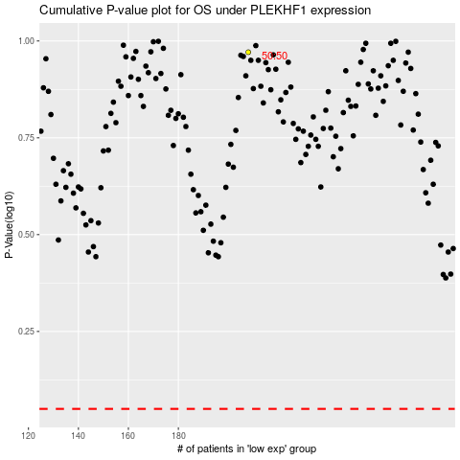

 |  |  |  |  |  | cases_OS | p_OS | rank | exp
 |  |  |  |  |  |  | cases_RFS | p_RFS | rank | exp

