PLEKHF2 _multivariate
Reported by Tex Li-Hsing Chi. tex@gate.sinica.edu.tw 2019-08-17

Table 2. The clinicopathological features of HNSCC cohort and PLEKHF2 expression. (Chi square test)
Cutoff at -0.134 (50.0%)
 |  | PLEKHF2 expression |  | PLEKHF2 expression |  | (Optimised)
 | Features | Low | (%) | High | (%) | Case no | P-value | Remark | Matthews
Gender | Female | 163 | 39.3 | 143 | 34.5 | 415 | 0.0277 | 1 | 0
2 | Male | 44 | 10.6 | 65 | 15.7
Age at diagnosis | <=65y | 136 | 32.8 | 138 | 33.3 | 415 | 0.9719 | 0 | 0
4 | >65y | 71 | 17.1 | 70 | 16.9
Clinical T Status | T1+T2 | 63 | 15.2 | 86 | 20.7 | 415 | 0.0268 | 1 | 0
6 | T3+T4 | 144 | 34.7 | 122 | 29.4
Clinical N Status | N0 | 100 | 24.1 | 116 | 28 | 415 | 0.1548 | 0 | 0
8 | N1-3 | 107 | 25.8 | 92 | 22.2
Clinical M Status | M0 | 206 | 49.6 | 206 | 49.6 | 415 | 1 | 0 | 0
10 | M1 | 1 | 0.2 | 2 | 0.5
Clinical Stage | Stage I+II | 38 | 9.2 | 64 | 15.4 | 415 | 0.0048 | 1 | 0
12 | Stage III+IV | 169 | 40.7 | 144 | 34.7
Surgical Margin status | Negative | 158 | 38.1 | 160 | 38.6 | 415 | 0.9081 | 0 | 0
14 | Positive | 49 | 11.8 | 48 | 11.6
Tobacco Exposure | Low | 70 | 16.9 | 91 | 21.9 | 415 | 0.0439 | 1 | 0
16 | High | 137 | 33 | 117 | 28.2

Table 3. Univariate/Multivariate Cox's proportional hazards regression analyses on OS time of PLEKHF2 gene expression in HNSCC

 |  | Univariate |  |  |  | Multivariate
 | Features | HR | CI95%(L) | CI95%(H) | P-value | HR | CI95%(L) | CI95%(H) | P-value
1 | Female | 1 |  |  |  | 1
Gender | Male | 1.157 | 0.843 | 1.587 | 0.367 | 1.216 | 0.87 | 1.7 | 0.252
11 | <=65y | 1 |  |  |  | 1
Age at diagnosis | >65y | 1.329 | 0.99 | 1.784 | 0.058 | 1.385 | 1.018 | 1.883 | 0.038
12 | T1+T2 | 1 |  |  |  | 1
Clinical T Status | T3+T4 | 1.409 | 1.028 | 1.931 | 0.033 | 2.23 | 1.179 | 4.219 | 0.014
13 | N0 | 1 |  |  |  | 1
Clinical N Status | N1-3 | 1.185 | 0.89 | 1.577 | 0.246 | 1.253 | 0.877 | 1.79 | 0.215
14 | M0 | 1 |  |  |  | 1
Clinical M Status | M1 | 4.097 | 1.009 | 16.644 | 0.049 | 9.66 | 2.104 | 44.35 | 0.004
15 | Stage I+II | 1 |  |  |  | 1
Clinical Stage | Stage III+IV | 1.245 | 0.882 | 1.759 | 0.213 | 0.481 | 0.223 | 1.04 | 0.063
16 | Negative | 1 |  |  |  | 1
Surgical Margin status | Positive | 1.591 | 1.155 | 2.191 | 0.004 | 1.685 | 1.219 | 2.33 | 0.002
17 | Low | 1 |  |  |  | 1
Tobacco Exposure | High | 1.364 | 1.008 | 1.844 | 0.044 | 1.443 | 1.047 | 1.989 | 0.025
18 | Low | 1 |  |  |  | 1
RNAseq(z-score) | High | 0.868 | 0.651 | 1.157 | 0.334 | 0.872 | 0.649 | 1.172 | 0.363

Table 4. Univariate/Multivariate Cox's proportional hazards regression analyses on RFS time of PLEKHF2 gene expression in HNSCC

 |  | Univariate |  |  |  | Multivariate
 | Features | HR | CI95%(L) | CI95%(H) | P-value | HR | CI95%(L) | CI95%(H) | P-value
1 | Female | 1 |  |  |  | 1
Gender | Male | 1.157 | 0.843 | 1.587 | 0.367 | 1.216 | 0.87 | 1.7 | 0.252
11 | <=65y | 1 |  |  |  | 1
Age at diagnosis | >65y | 1.329 | 0.99 | 1.784 | 0.058 | 1.385 | 1.018 | 1.883 | 0.038
12 | T1+T2 | 1 |  |  |  | 1
Clinical T Status | T3+T4 | 1.409 | 1.028 | 1.931 | 0.033 | 2.23 | 1.179 | 4.219 | 0.014
13 | N0 | 1 |  |  |  | 1
Clinical N Status | N1-3 | 1.185 | 0.89 | 1.577 | 0.246 | 1.253 | 0.877 | 1.79 | 0.215
14 | M0 | 1 |  |  |  | 1
Clinical M Status | M1 | 4.097 | 1.009 | 16.644 | 0.049 | 9.66 | 2.104 | 44.35 | 0.004
15 | Stage I+II | 1 |  |  |  | 1
Clinical Stage | Stage III+IV | 1.245 | 0.882 | 1.759 | 0.213 | 0.481 | 0.223 | 1.04 | 0.063
16 | Negative | 1 |  |  |  | 1
Surgical Margin status | Positive | 1.591 | 1.155 | 2.191 | 0.004 | 1.685 | 1.219 | 2.33 | 0.002
17 | Low | 1 |  |  |  | 1
Tobacco Exposure | High | 1.364 | 1.008 | 1.844 | 0.044 | 1.443 | 1.047 | 1.989 | 0.025
18 | Low | 1 |  |  |  | 1
RNAseq(z-score) | High | 0.868 | 0.651 | 1.157 | 0.334 | 0.872 | 0.649 | 1.172 | 0.363

Kaplan-Meier survival estimate: Cutoff at -0.134 (50.0%)



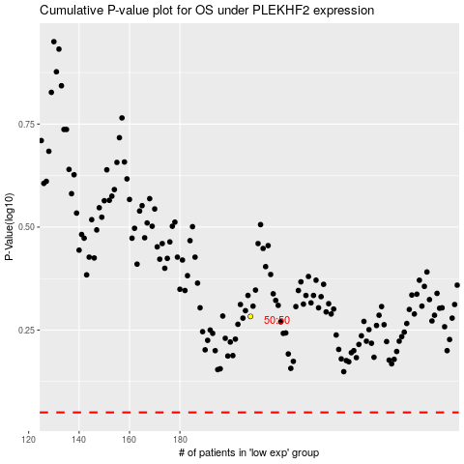

 |  |  |  |  |  | cases_OS | p_OS | rank | exp
 |  |  |  |  |  |  | cases_RFS | p_RFS | rank | exp

