PLEKHG4 _multivariate
Reported by Tex Li-Hsing Chi. tex@gate.sinica.edu.tw 2019-08-17

Table 2. The clinicopathological features of HNSCC cohort and PLEKHG4 expression. (Chi square test)
Cutoff at -0.379 (49.8%)
 |  | PLEKHG4 expression |  | PLEKHG4 expression |  | (Optimised)
 | Features | Low | (%) | High | (%) | Case no | P-value | Remark | Matthews
Gender | Female | 139 | 33.5 | 167 | 40.2 | 415 | 0.0034 | 1 | 0
2 | Male | 68 | 16.4 | 41 | 9.9
Age at diagnosis | <=65y | 124 | 29.9 | 150 | 36.1 | 415 | 0.0116 | 1 | 0
4 | >65y | 83 | 20 | 58 | 14
Clinical T Status | T1+T2 | 88 | 21.2 | 61 | 14.7 | 415 | 0.007 | 1 | 0
6 | T3+T4 | 119 | 28.7 | 147 | 35.4
Clinical N Status | N0 | 111 | 26.7 | 105 | 25.3 | 415 | 0.5875 | 0 | 0
8 | N1-3 | 96 | 23.1 | 103 | 24.8
Clinical M Status | M0 | 205 | 49.4 | 207 | 49.9 | 415 | 0.6232 | 0 | 0
10 | M1 | 2 | 0.5 | 1 | 0.2
Clinical Stage | Stage I+II | 67 | 16.1 | 35 | 8.4 | 415 | 4e-04 | 1 | 0
12 | Stage III+IV | 140 | 33.7 | 173 | 41.7
Surgical Margin status | Negative | 158 | 38.1 | 160 | 38.6 | 415 | 0.9081 | 0 | 0
14 | Positive | 49 | 11.8 | 48 | 11.6
Tobacco Exposure | Low | 103 | 24.8 | 58 | 14 | 415 | 0 | 1 | 0
16 | High | 104 | 25.1 | 150 | 36.1

Table 3. Univariate/Multivariate Cox's proportional hazards regression analyses on OS time of PLEKHG4 gene expression in HNSCC

 |  | Univariate |  |  |  | Multivariate
 | Features | HR | CI95%(L) | CI95%(H) | P-value | HR | CI95%(L) | CI95%(H) | P-value
1 | Female | 1 |  |  |  | 1
Gender | Male | 1.157 | 0.843 | 1.587 | 0.367 | 1.183 | 0.846 | 1.656 | 0.326
11 | <=65y | 1 |  |  |  | 1
Age at diagnosis | >65y | 1.329 | 0.99 | 1.784 | 0.058 | 1.37 | 1.006 | 1.865 | 0.046
12 | T1+T2 | 1 |  |  |  | 1
Clinical T Status | T3+T4 | 1.409 | 1.028 | 1.931 | 0.033 | 2.17 | 1.147 | 4.107 | 0.017
13 | N0 | 1 |  |  |  | 1
Clinical N Status | N1-3 | 1.185 | 0.89 | 1.577 | 0.246 | 1.219 | 0.853 | 1.742 | 0.276
14 | M0 | 1 |  |  |  | 1
Clinical M Status | M1 | 4.097 | 1.009 | 16.644 | 0.049 | 9.029 | 1.966 | 41.47 | 0.005
15 | Stage I+II | 1 |  |  |  | 1
Clinical Stage | Stage III+IV | 1.245 | 0.882 | 1.759 | 0.213 | 0.538 | 0.248 | 1.167 | 0.116
16 | Negative | 1 |  |  |  | 1
Surgical Margin status | Positive | 1.591 | 1.155 | 2.191 | 0.004 | 1.679 | 1.215 | 2.32 | 0.002
17 | Low | 1 |  |  |  | 1
Tobacco Exposure | High | 1.364 | 1.008 | 1.844 | 0.044 | 1.491 | 1.077 | 2.063 | 0.016
18 | Low | 1 |  |  |  | 1
RNAseq(z-score) | High | 0.903 | 0.676 | 1.206 | 0.488 | 0.858 | 0.629 | 1.17 | 0.334

Table 4. Univariate/Multivariate Cox's proportional hazards regression analyses on RFS time of PLEKHG4 gene expression in HNSCC

 |  | Univariate |  |  |  | Multivariate
 | Features | HR | CI95%(L) | CI95%(H) | P-value | HR | CI95%(L) | CI95%(H) | P-value
1 | Female | 1 |  |  |  | 1
Gender | Male | 1.157 | 0.843 | 1.587 | 0.367 | 1.183 | 0.846 | 1.656 | 0.326
11 | <=65y | 1 |  |  |  | 1
Age at diagnosis | >65y | 1.329 | 0.99 | 1.784 | 0.058 | 1.37 | 1.006 | 1.865 | 0.046
12 | T1+T2 | 1 |  |  |  | 1
Clinical T Status | T3+T4 | 1.409 | 1.028 | 1.931 | 0.033 | 2.17 | 1.147 | 4.107 | 0.017
13 | N0 | 1 |  |  |  | 1
Clinical N Status | N1-3 | 1.185 | 0.89 | 1.577 | 0.246 | 1.219 | 0.853 | 1.742 | 0.276
14 | M0 | 1 |  |  |  | 1
Clinical M Status | M1 | 4.097 | 1.009 | 16.644 | 0.049 | 9.029 | 1.966 | 41.47 | 0.005
15 | Stage I+II | 1 |  |  |  | 1
Clinical Stage | Stage III+IV | 1.245 | 0.882 | 1.759 | 0.213 | 0.538 | 0.248 | 1.167 | 0.116
16 | Negative | 1 |  |  |  | 1
Surgical Margin status | Positive | 1.591 | 1.155 | 2.191 | 0.004 | 1.679 | 1.215 | 2.32 | 0.002
17 | Low | 1 |  |  |  | 1
Tobacco Exposure | High | 1.364 | 1.008 | 1.844 | 0.044 | 1.491 | 1.077 | 2.063 | 0.016
18 | Low | 1 |  |  |  | 1
RNAseq(z-score) | High | 0.903 | 0.676 | 1.206 | 0.488 | 0.858 | 0.629 | 1.17 | 0.334

Kaplan-Meier survival estimate: Cutoff at -0.379 (49.8%)



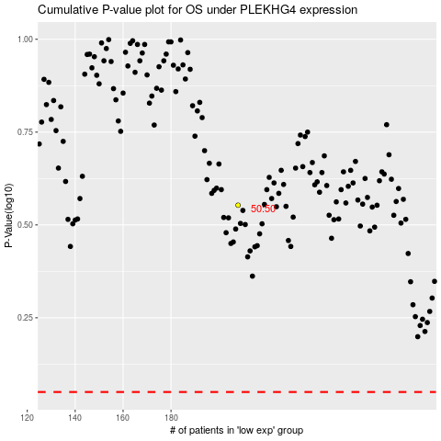

 |  |  |  |  |  | cases_OS | p_OS | rank | exp
 |  |  |  |  |  |  | cases_RFS | p_RFS | rank | exp

