PLEKHG4B _multivariate
Reported by Tex Li-Hsing Chi. tex@gate.sinica.edu.tw 2019-08-17

Table 2. The clinicopathological features of HNSCC cohort and PLEKHG4B expression. (Chi square test)
Cutoff at -0.288 (49.8%)
 |  | PLEKHG4B expression |  | PLEKHG4B expression |  | (Optimised)
 | Features | Low | (%) | High | (%) | Case no | P-value | Remark | Matthews
Gender | Female | 147 | 35.4 | 159 | 38.3 | 415 | 0.2523 | 0 | 0
2 | Male | 60 | 14.5 | 49 | 11.8
Age at diagnosis | <=65y | 129 | 31.1 | 145 | 34.9 | 415 | 0.1372 | 0 | 0
4 | >65y | 78 | 18.8 | 63 | 15.2
Clinical T Status | T1+T2 | 84 | 20.2 | 65 | 15.7 | 415 | 0.0603 | 0 | 0
6 | T3+T4 | 123 | 29.6 | 143 | 34.5
Clinical N Status | N0 | 108 | 26 | 108 | 26 | 415 | 1 | 0 | 0
8 | N1-3 | 99 | 23.9 | 100 | 24.1
Clinical M Status | M0 | 205 | 49.4 | 207 | 49.9 | 415 | 0.6232 | 0 | 0
10 | M1 | 2 | 0.5 | 1 | 0.2
Clinical Stage | Stage I+II | 54 | 13 | 48 | 11.6 | 415 | 0.5498 | 0 | 0
12 | Stage III+IV | 153 | 36.9 | 160 | 38.6
Surgical Margin status | Negative | 163 | 39.3 | 155 | 37.3 | 415 | 0.3537 | 0 | 0
14 | Positive | 44 | 10.6 | 53 | 12.8
Tobacco Exposure | Low | 86 | 20.7 | 75 | 18.1 | 415 | 0.2687 | 0 | 0
16 | High | 121 | 29.2 | 133 | 32

Table 3. Univariate/Multivariate Cox's proportional hazards regression analyses on OS time of PLEKHG4B gene expression in HNSCC

 |  | Univariate |  |  |  | Multivariate
 | Features | HR | CI95%(L) | CI95%(H) | P-value | HR | CI95%(L) | CI95%(H) | P-value
1 | Female | 1 |  |  |  | 1
Gender | Male | 1.157 | 0.843 | 1.587 | 0.367 | 1.192 | 0.854 | 1.664 | 0.303
11 | <=65y | 1 |  |  |  | 1
Age at diagnosis | >65y | 1.329 | 0.99 | 1.784 | 0.058 | 1.361 | 0.999 | 1.853 | 0.051
12 | T1+T2 | 1 |  |  |  | 1
Clinical T Status | T3+T4 | 1.409 | 1.028 | 1.931 | 0.033 | 2.339 | 1.232 | 4.443 | 0.009
13 | N0 | 1 |  |  |  | 1
Clinical N Status | N1-3 | 1.185 | 0.89 | 1.577 | 0.246 | 1.242 | 0.871 | 1.772 | 0.232
14 | M0 | 1 |  |  |  | 1
Clinical M Status | M1 | 4.097 | 1.009 | 16.644 | 0.049 | 9.595 | 2.092 | 44.007 | 0.004
15 | Stage I+II | 1 |  |  |  | 1
Clinical Stage | Stage III+IV | 1.245 | 0.882 | 1.759 | 0.213 | 0.477 | 0.221 | 1.026 | 0.058
16 | Negative | 1 |  |  |  | 1
Surgical Margin status | Positive | 1.591 | 1.155 | 2.191 | 0.004 | 1.716 | 1.239 | 2.375 | 0.001
17 | Low | 1 |  |  |  | 1
Tobacco Exposure | High | 1.364 | 1.008 | 1.844 | 0.044 | 1.483 | 1.074 | 2.048 | 0.017
18 | Low | 1 |  |  |  | 1
RNAseq(z-score) | High | 0.855 | 0.642 | 1.14 | 0.287 | 0.793 | 0.591 | 1.064 | 0.122

Table 4. Univariate/Multivariate Cox's proportional hazards regression analyses on RFS time of PLEKHG4B gene expression in HNSCC

 |  | Univariate |  |  |  | Multivariate
 | Features | HR | CI95%(L) | CI95%(H) | P-value | HR | CI95%(L) | CI95%(H) | P-value
1 | Female | 1 |  |  |  | 1
Gender | Male | 1.157 | 0.843 | 1.587 | 0.367 | 1.192 | 0.854 | 1.664 | 0.303
11 | <=65y | 1 |  |  |  | 1
Age at diagnosis | >65y | 1.329 | 0.99 | 1.784 | 0.058 | 1.361 | 0.999 | 1.853 | 0.051
12 | T1+T2 | 1 |  |  |  | 1
Clinical T Status | T3+T4 | 1.409 | 1.028 | 1.931 | 0.033 | 2.339 | 1.232 | 4.443 | 0.009
13 | N0 | 1 |  |  |  | 1
Clinical N Status | N1-3 | 1.185 | 0.89 | 1.577 | 0.246 | 1.242 | 0.871 | 1.772 | 0.232
14 | M0 | 1 |  |  |  | 1
Clinical M Status | M1 | 4.097 | 1.009 | 16.644 | 0.049 | 9.595 | 2.092 | 44.007 | 0.004
15 | Stage I+II | 1 |  |  |  | 1
Clinical Stage | Stage III+IV | 1.245 | 0.882 | 1.759 | 0.213 | 0.477 | 0.221 | 1.026 | 0.058
16 | Negative | 1 |  |  |  | 1
Surgical Margin status | Positive | 1.591 | 1.155 | 2.191 | 0.004 | 1.716 | 1.239 | 2.375 | 0.001
17 | Low | 1 |  |  |  | 1
Tobacco Exposure | High | 1.364 | 1.008 | 1.844 | 0.044 | 1.483 | 1.074 | 2.048 | 0.017
18 | Low | 1 |  |  |  | 1
RNAseq(z-score) | High | 0.855 | 0.642 | 1.14 | 0.287 | 0.793 | 0.591 | 1.064 | 0.122

Kaplan-Meier survival estimate: Cutoff at -0.288 (49.8%)

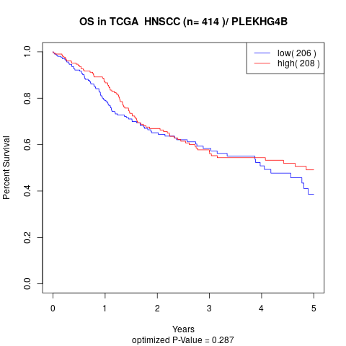

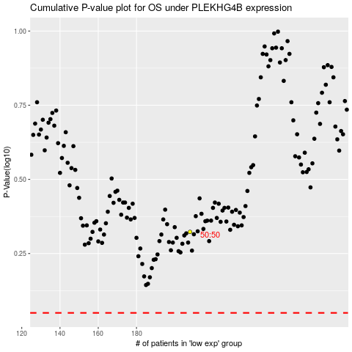

 |  |  |  |  |  | cases_OS | p_OS | rank | exp
 |  |  |  |  |  |  | cases_RFS | p_RFS | rank | exp

